Reports
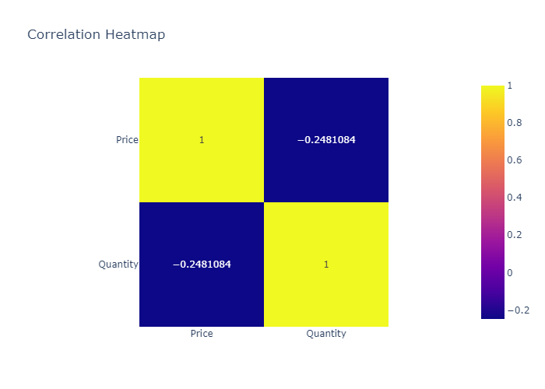
 | count | mean | std | min | 25% | 50% | 75% | max
Price | 4 | 1.8 | 1.1518101695 | 0.5 | 1.025 | 1.85 | 2.625 | 3
Quantity | 4 | 15 | 4.0824829046 | 10 | 13.75 | 15 | 16.25 | 20

Histogram of Price
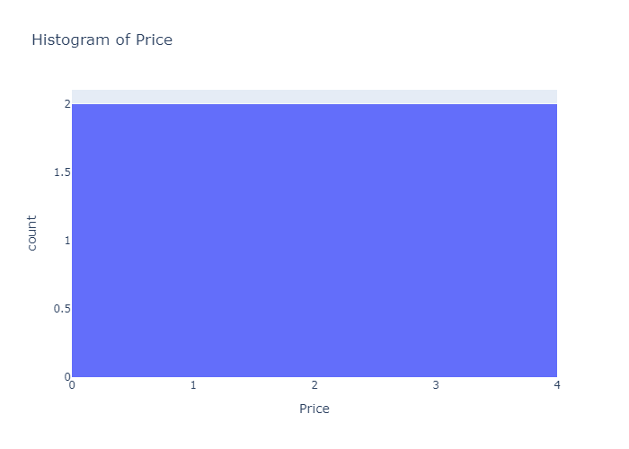

Histogram of Quantity
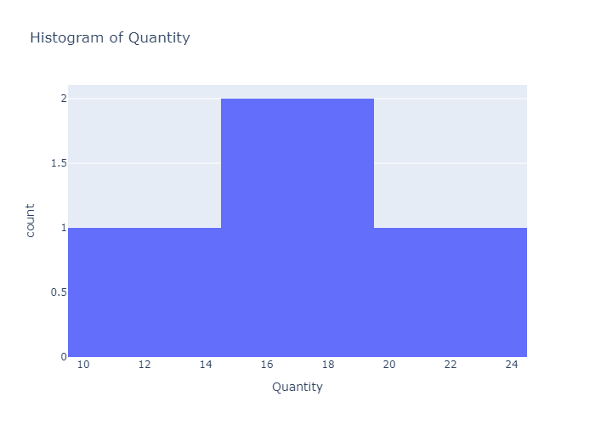

Box Plot of Price
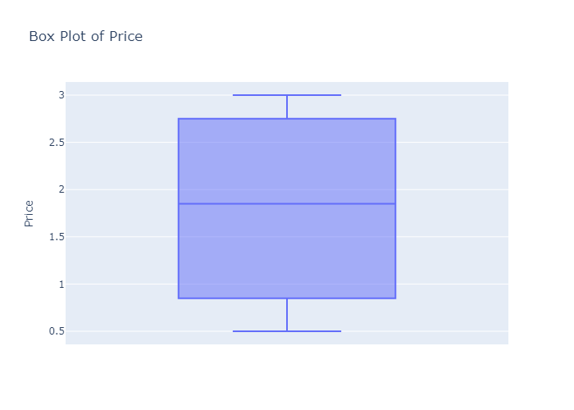

Box Plot of Quantity
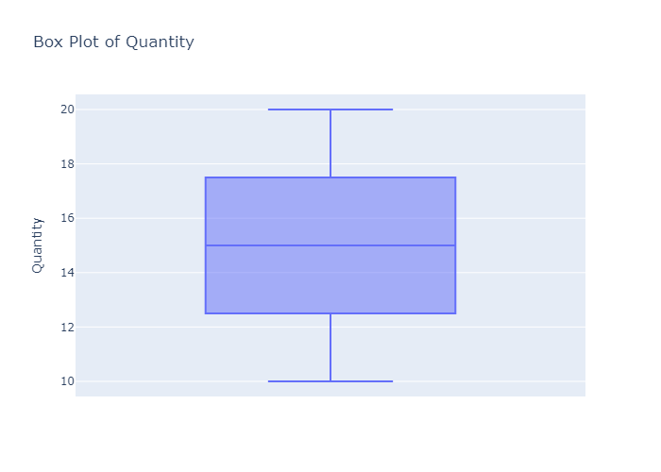

Scatter Plot: Price vs Quantity
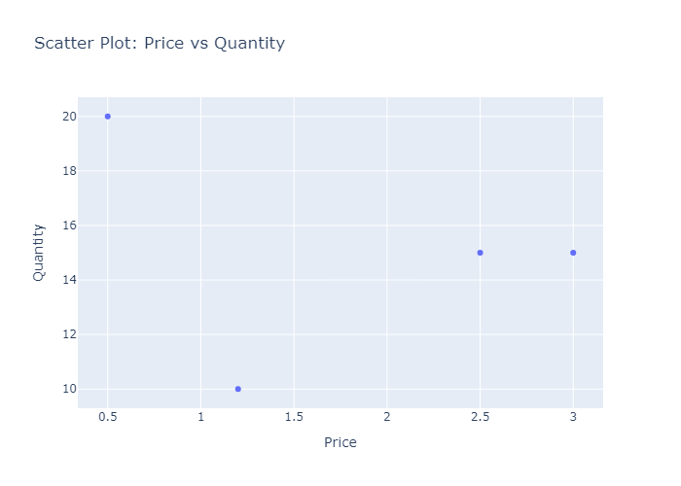

Correlation Heatmap

