Photo
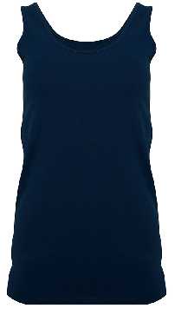
 |  | Date: | 15-Mar-19
Season: | AW2019 | Cat: | 250
Style name: | SL Cami Linda | Style no.:
repeat order

SPEC
 |  | 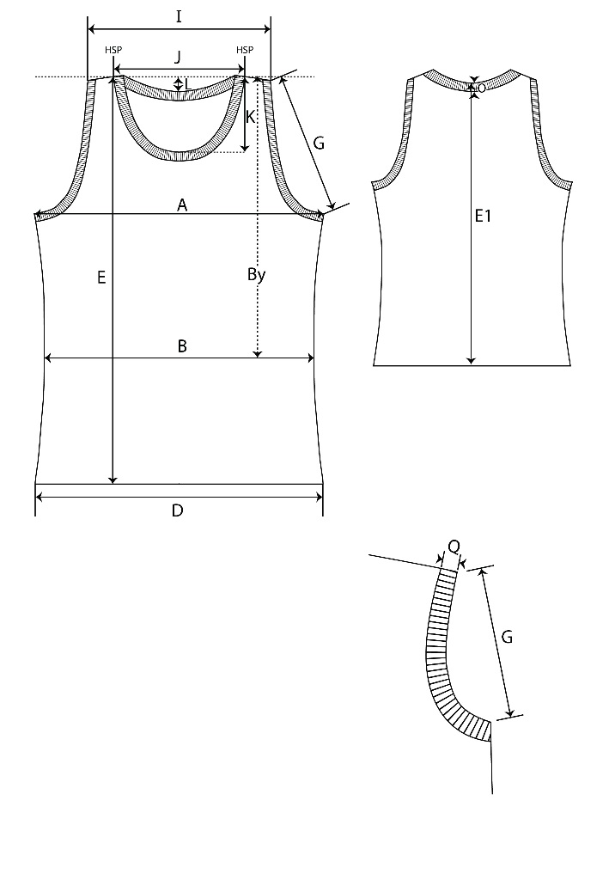 PHOTO |  |  |  |  |  |  | 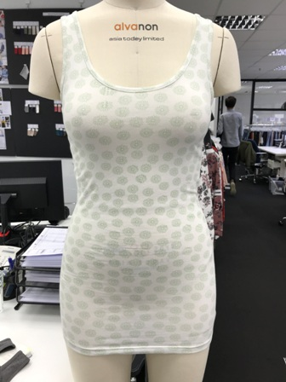 PHOTO

Supplier:

Style No.:
 | 1018003 CAT 250
Style name:
 | SL Cami Lindy
Season: (SS or AW)

FIT:
 | TIGHT FIT
Composition
 |  |  |  |  |  |  |  |  | OS Sample Comment/REMARK: same fit and shape as Cami Melinda, except length SPEC for Colloseum and Chicoree 此尺寸供COLLOSEUM德国和C客CHICOREE

Measurements (Refer to COLLOSEUM Measurement Points) |  | REMARKS | OLD SPEC | Please highlight the ordered sizes |  |  |  |  |  |  | Grading
 |  | based on SIZE S |  | XXS 30 | XS 32/34 | S 36 | M 38/40 | L 42 | XL 44/46 | XXL 48
 |  |  | AW18
A | 1/2 Chest under armhole 1/2 胸围 (袖隆下) |  | 40 | 32.0 | 35.0 | 38.0 | 41.0 | 44.0 | 47.0 | 50.0 | 3.0
B | 1/2 Waist 1/2 腰围 |  | 37 | 30.0 | 33.0 | 36.0 | 39.0 | 42.0 | 45.0 | 48.0 | 3.0
By | Waist Position from HSP 腰围 |  | 39.5 | 38.0 | 38.5 | 39.0 | 39.5 | 40.0 | 40.5 | 41.0 | 0.5
D | 1/2 Hem 下摆直量 |  | 43 | 36.0 | 39.0 | 42.0 | 45.0 | 48.0 | 51.0 | 54.0 | 3.0
E | Front body length from HSP | old 57,60 | 67 | 56.0 | 57.0 | 58.0 | 59.0 | 60.0 | 61.0 | 62.0 | 1.0
E1 | Back body length from HSP
I | shoulder to shoulder 大肩
I1 | Shoulder width including binding | old 3,5 | 3.5 | 2.5 | 2.5 | 3.0 | 3.0 | 3.5 | 3.5 | 4.0
G | 1/2 Armhole straight / Raglan seam in front 1/2袖隆(直量) / 插肩由量前缝 |  | 20 | 18.0 | 19.0 | 20.0 | 21.0 | 22.0 | 23.0 | 24.0 | 1.0
J | back neck width seam to seam 后领宽(边到边) | old 20 | 19 | 20.0 | 20.5 | 21.0 | 21.5 | 22.0 | 22.5 | 23.0 | 0.5
K | front neck drop from HSP, excl piping |  | 17 | 17.0 | 17.5 | 18.0 | 18.5 | 19.0 | 19.5 | 20.0 | 0.5
L | back neck drop from HSP, excl piping |  | 13 | 14.0 | 14.0 | 14.0 | 14.0 | 14.0 | 14.0 | 14.0 | 0.0
O | neck and armhole piping width |  | 0.8 | 1.0 | 1.0 | 1.0 | 1.0 | 1.0 | 1.0 | 1.0 | 0.0
 | bottom hem hight |  | 2 | 2.0 | 2.0 | 2.0 | 2.0 | 2.0 | 2.0 | 2.0 | 0.0

Yes
No

Confirm
Not yet confirm

