Title
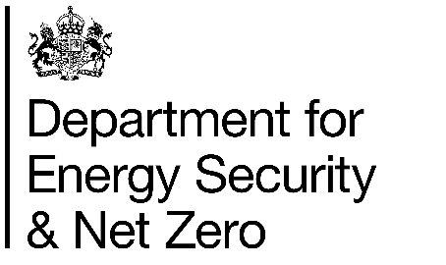

 | Fuel Poverty Supplementary Tables
 | England
 | 2025
 | (2024 data)

This workbook was updated on 27th March 2025

Contents


 | Statistics, England: Supplementary Tables, 2024
 | Low Income Low Energy Efficiency (LILEE) metric
 | Contents

Overview
 | LILEE Quadrant | Supplementary data related to each quadrant of the Low Income Low Energy Efficiency Matrix
Energy Efficiency and Dwelling Characteristics
 | Fuel Poverty Energy Efficiency Rating | Supplementary data related to Fuel Poverty Energy Efficiency Rating (FPEER)
 | Banded SAP | Supplementary data related to SAP band (SAP12)
 | Rurality | Supplementary data related to rurality
 | Region | Supplementary data related to region
 | Dwelling type | Supplementary data related to dwelling type
 | Age of dwelling | Supplementary data related to age of dwelling
 | Floor area | Supplementary data related to floor area
 | Gas grid connection | Supplementary data related to gas grid connection
 | Main fuel type | Supplementary data related to main fuel type
 | Wall insulation | Supplementary data related to wall insulation type
Household characteristics
 | Tenure | Supplementary data related to tenure
 | Household composition | Supplementary data related to household composition
 | Age of youngest person | Supplementary data related to age of youngest person in household
 | Age of oldest person | Supplementary data related to age of oldest person in household
 | Ethnicity | Supplementary data related to ethnicity of household reference person (HRP)
 | Disability | Supplementary data related to long term illness or disabilty
 | Vulnerability | Supplementary data related to vulnerability
 | Benefits | Supplementary data related to Benefits
Household income
 | Employment status | Supplementary data related to employment status of household reference person (HRP)
 | Income decile | Supplementary data related to After Housing Costs (AHC) equivalised income decile group
Fuel payment type
 | Payment method - Gas | Supplementary data related to gas payment method
 | Payment method - Electricity | Supplementary data related to electricity payment method

