Homepage
Id | Section | Severity Level | Priority Level | Environment | Issue Title | Description | Step to Reproduce | Expected Resutl | Actual Result | Attachment | Bug Type | Reported By
1 | Background Pattern | High | High | OS : Windows 11 Display Resolution : 1920 x 1080 Scale & Layout : 100% Browser Version : Google Chrome - Version 116.0.5845.179(64-bit) | Background Cover Image | we can the missing is replace by a placeholder image which show the size '1920x80' | 1: Open Google Crome browser 2: Go to : https://geezap.com/ 3: Go the : homepage 4: Look at first part of the body | A colorful background image that is revelent to the content | Placeholder default image | 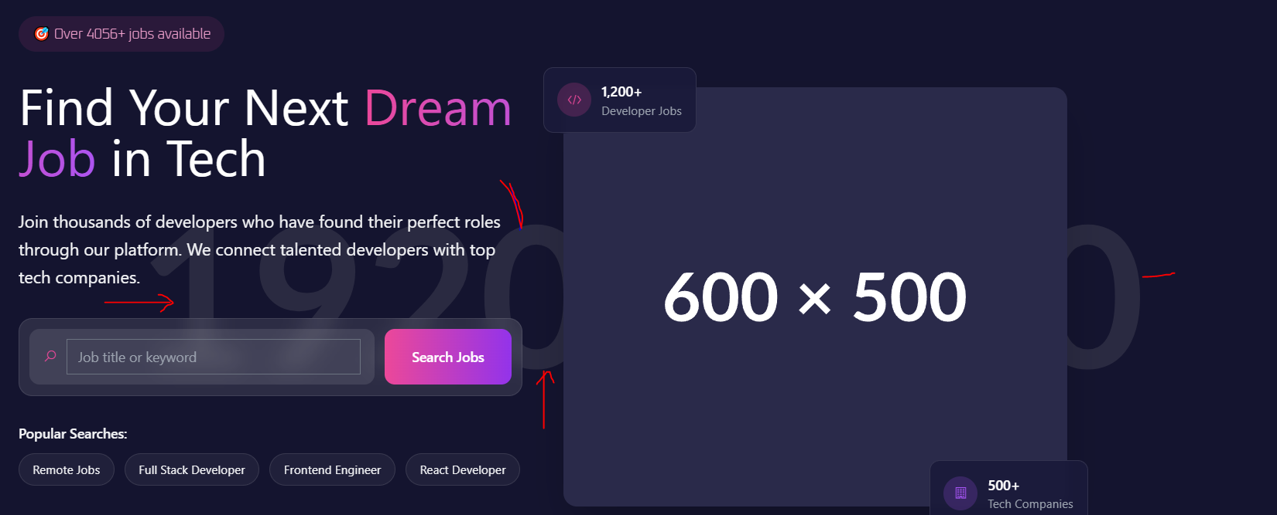 | Image Missing | Sajjad
2 | Main Body Image | High | High | same | Main Image missing from body | we can see a placeholder image instead of a colorful image in the main image . It should be replace by design image . We can see 600x500 which impact a negative view about the site | 1: Open Google Crome browser 2: Go to : https://geezap.com/ 3: Go the : homepage 4: Look at fhe main image | Relevent colorful image | No image show | 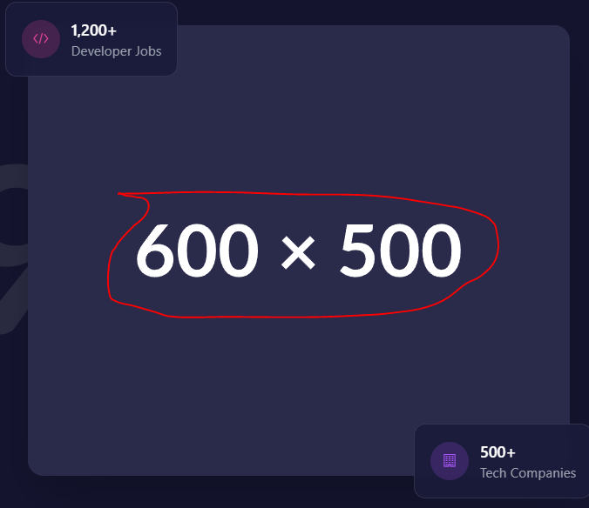 | Image Missing | Sajjad
3 | Most View Jobs | High | Medium | same | Icon and Salary missing | some jobs icon is not HD quality some job has no salary description or hints | 1) Open Google Crome browser 2) Go to : https://geezap.com/ 3) Scroll the Page 4) Go to the 'Most Viewed Jobs' 5) Observe the result | Perfect logo and Image character | some jobs image missing , some front | 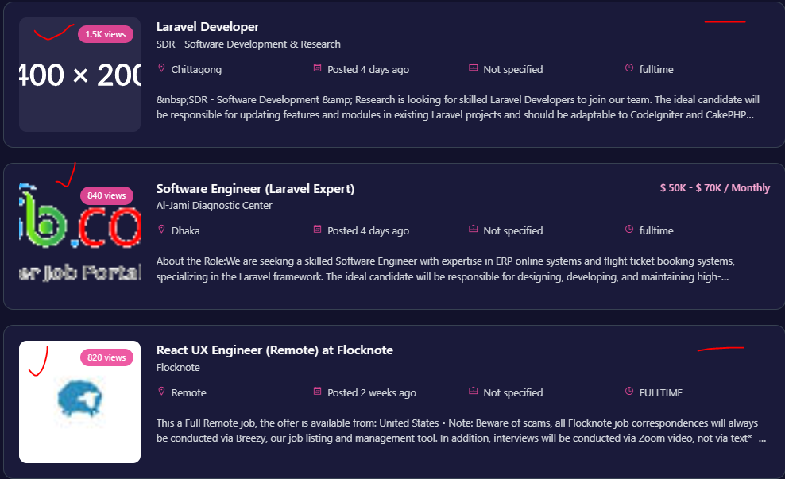 | Icon Missing | Sajjad
4 | Browse by Category | Medium | Low | same | Icon missing | some job icon is not color match with UI UX | 1) Open Google Crome browser 2) Go to : https://geezap.com/ 3) Scroll the Page 4) Go to the 'Browse by Category' 5) Observe the result | Color and relevent icon | color miss match | 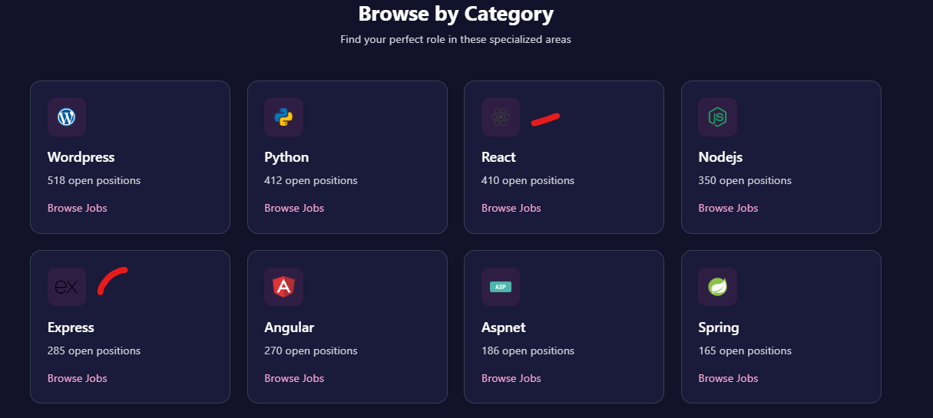
5 | footer | Medium | Medium | same | Social Link not work | There has 3 different social platform icon but none is work , can not open dedicated platform | 1) Open Google Crome browser 2) Go to : https://geezap.com/ 3) Scroll the Page until the footer option open 4) Click the social icon 5) Observe the result | Open dedicated social platform site where the page has identity | Not work | N/A | Broken link | Sajjad

Browse Job
Id | Section | Severity Level | Priority Level | Environment | Issue Title | Description | Step to Reproduce | Expected Resutl | Actual Result | Attachment | Bug Type | Reported By
1 | Filter Jobs | Low | High | OS : Windows 11 Display Resolution : 1920 x 1080 Scale & Layout : 100% Browser Version : Google Chrome - Version 116.0.5845.179(64-bit) | No clear Button | When a result is not match we cleared everyting manually if we there has a clear button it will save a good amount of time | 1: Open Google Crome browser 2: Go to : https://geezap.com/jobs 3: Go the : homepage 4: Look at first part of the body | Have a clear button | 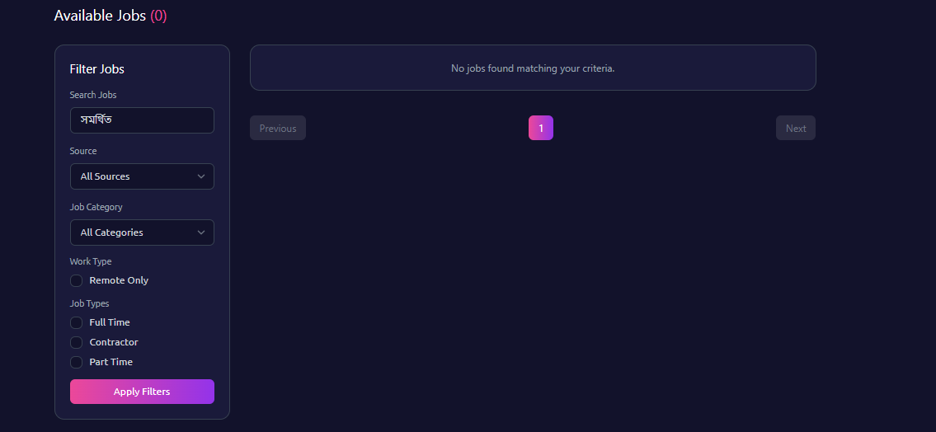 no clear button |  | Button | Sajjad
2 | Right Sidebar | Medium | Medium | same | Job Description | When we click a job we can see the description with reponsibilites . However, we see the icon or image is missing | 1: Open Google Crome browser 2: Go to : https://geezap.com/jobs/ruby-on-rails-developer-jobs-1740269328 3: Go the : homepage 4: Look at fhe main image | Logo or Image | 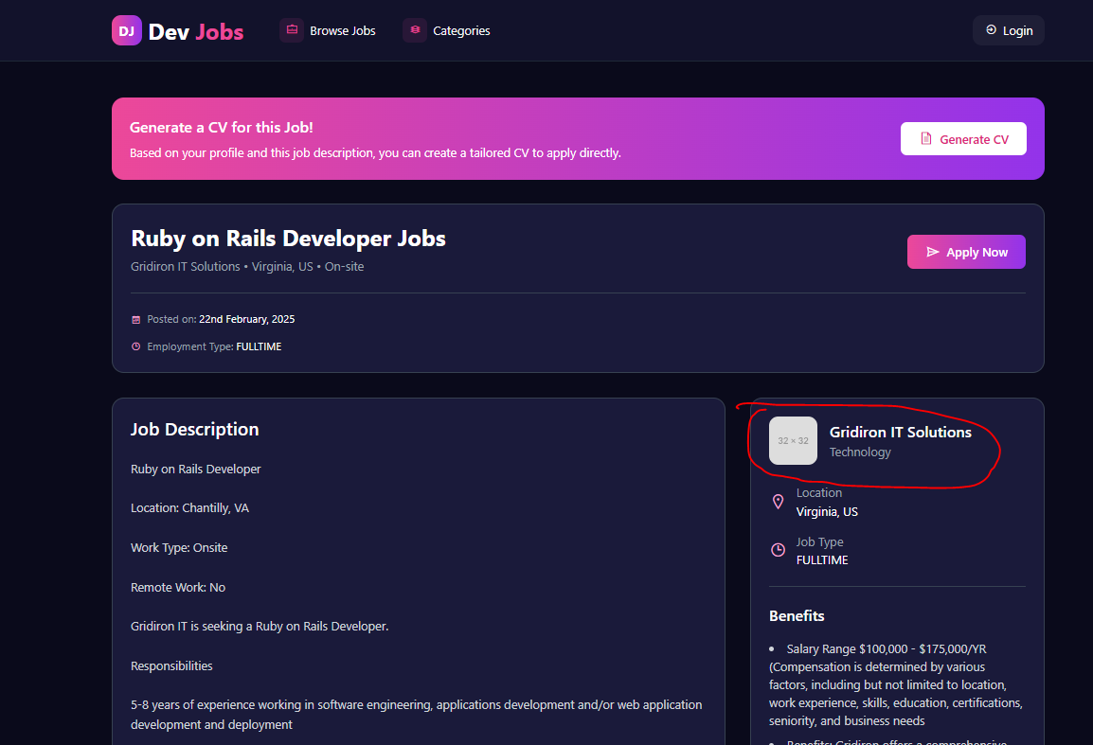 Defult image |  | Image Missing | Sajjad
3 | Job Listings Section | High | Medium | same | view Details button overflow | Website page devlopment is the title of job where we can the meta descri[tion of job and view details button overflow | 1) Open Google Crome browser 2) Go to : https://geezap.com/jobs/ 3) Scroll the Page 4) FInd the title name 'Website Page development using wordpress and Content Upload with MemberPress or other Login Plugin - Contract to Hire' | Title and Button never overflow | 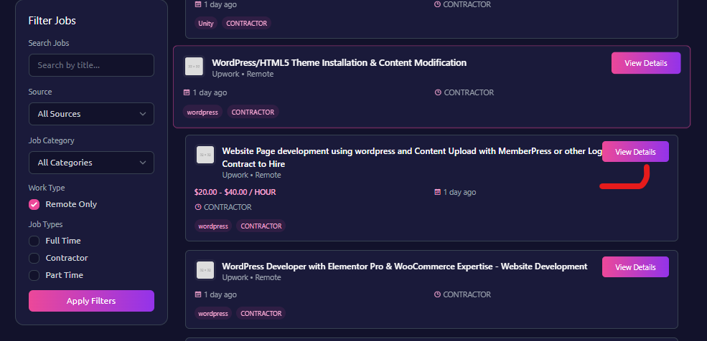 Overflow |  | UI UX | Sajjad
 | Nav bar | Low | Low | same | Log in button | After press it takes to the log in page | 1) Open Google Crome browser 2) Go to : https://geezap.com/jobs/ 3) Go to the nav bar | Redirect log in page | Sucess | N/A |  | Sajjad

5 | footer | Medium | Medium | same | Social Link not work | There has 3 different social platform icon but none is work , can not open dedicated platform | 1) Open Google Crome browser 2) Go to : https://geezap.com/ 3) Scroll the Page until the footer option open 4) Click the social icon 5) Observe the result | Open dedicated social platform site where the page has identity | Not work | N/A | Broken link | Sajjad

Categories
Id | Section | Severity Level | Priority Level | Environment | Issue Title | Description | Step to Reproduce | Expected Resutl | Actual Result | Attachment | Bug Type | Reported By
1 | Categories Grid Section | High | Medium | OS : Windows 11 Display Resolution : 1920 x 1080 Scale & Layout : 100% Browser Version : Google Chrome - Version 116.0.5845.179(64-bit) | Icon or Image Missing | There has several job that has default icon | 1: Open Google Crome browser 2: Go to : https://geezap.com/categories 3: Go the : homepage 4: Look at first part of the body | Different color icon or image | no image | 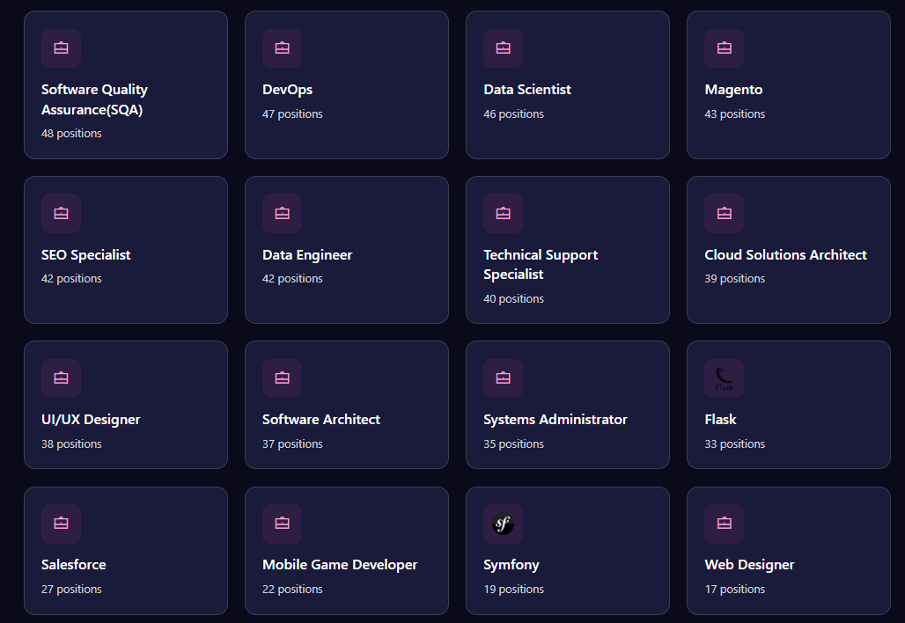 | UI UX | Sajjad
2 | Nav bar | Low | Low | same | Log in button | After press it takes to the log in page | 1) Open Google Crome browser 2) Go to : https://geezap.com/jobs/ 3) Go to the nav bar | Redirect log in page | Sucess | N/A |  | Sajjad
3 | footer | Medium | Medium | same | Social Link not work | There has 3 different social platform icon but none is work , can not open dedicated platform | 1) Open Google Crome browser 2) Go to : https://geezap.com/ 3) Scroll the Page until the footer option open 4) Click the social icon 5) Observe the result | Open dedicated social platform site where the page has identity | Not work |  | Broken link | Sajjad

Dashboard
Id | Section | Severity Level | Priority Level | Environment | Issue Title | Description | Step to Reproduce | Expected Resutl | Actual Result | Attachment | Bug Type | Reported By
1 | Action Buttons | Medium | High | OS : Windows 11 Display Resolution : 1920 x 1080 Scale & Layout : 100% Browser Version : Google Chrome - Version 116.0.5845.179(64-bit) | Download option not work | It can not show any message either downloadable or not | 1: Open Google Crome browser 2: Go to : https://geezap.com/dashboard 3: Go the : homepage 4: Look at first part of the body | Donlowad if information available or see an alret message | 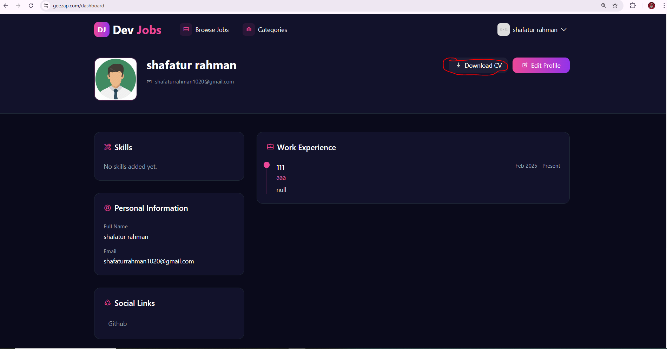 no work |  | Button | Sajjad
2 | Work Expreience | High | High | same | Name take Numeric Value | The first charecter of position name cannot be numeric value where it takes it | 1: Open Google Crome browser 2: Go to : https://geezap.com/profile-update 3: Go the : Work Experience portion | Start with charecter | 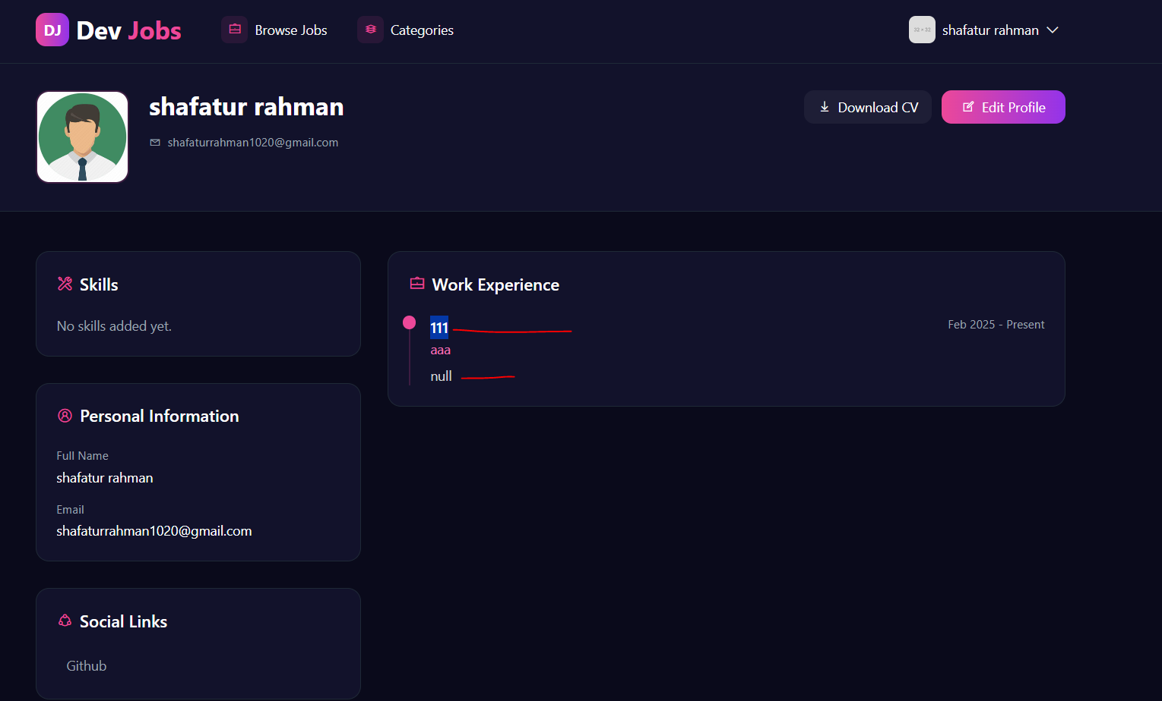 Number accepted |  | Validation | Sajjad
3 | footer | Medium | Medium | same | Social Link not work | There has 3 different social platform icon but none is work , can not open dedicated platform | 1) Open Google Crome browser 2) Go to : https://geezap.com/ 3) Scroll the Page until the footer option open 4) Click the social icon 5) Observe the result | Open dedicated social platform site where the page has identity | Not work |  | Broken link | Sajjad

Sign Up
Id | Section | Severity Level | Priority Level | Environment | Issue Title | Description | Step to Reproduce | Expected Resutl | Actual Result | Attachment | Bug Type | Reported By
1 | Terms and Condition | Low | Low | OS : Windows 11 Display Resolution : 1920 x 1080 Scale & Layout : 100% Browser Version : Google Chrome - Version 116.0.5845.179(64-bit) | No rules open | When we click the terms and condition it cannot open a dilago box or any page | 1: Open Google Crome browser 2: Go to : https://geezap.com/register# 3: Go the : Last portion and find term and condition option | Open some rules | no rules | 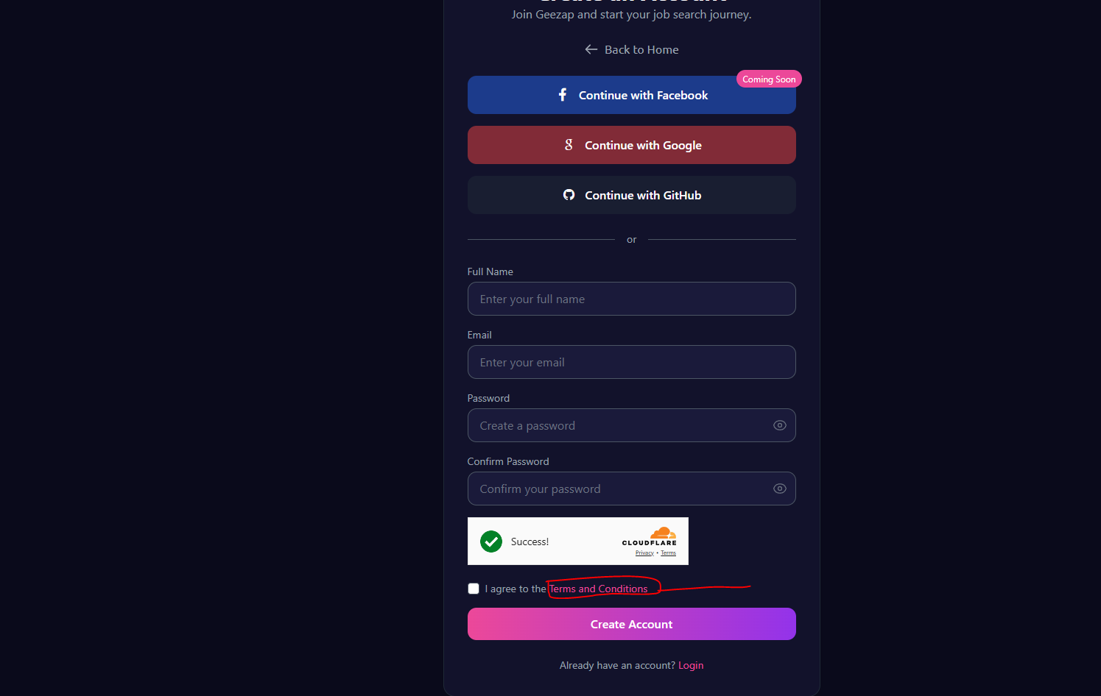 | Link broken | Sajjad
 |  | nan | nan

