文献
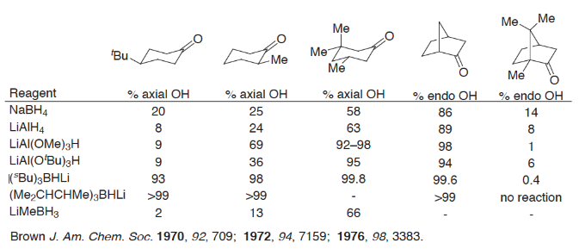

Brown, Herbert Charles, and William C. Dickason. "Lithium perhydro-9b-boraphenalylhydride. Active reducing agent of unusually high stereoselectivity for the reduction of cyclic and bicyclic ketones." Journal of the American Chemical Society 92.3 (1970): 709-710. | https://pubs.acs.org/doi/pdf/10.1021/ja00706a053?casa_token=AdNNQHGUWiUAAAAA:-3eNUPYBN7CqRa_Gr33-81Eo6OxtN_BwhcJondXTiXT9soOyWFo7EL9Wf3_QZCgDEst2hspJ-S9lCsAOVgk
Brown, Herbert C., and S. Krishnamurthy. "Lithium tri-sec-butylborohydride. New reagent for the reduction of cyclic and bicyclic ketones with super stereoselectivity. Remarkably simple and practical procedure for the conversion of ketones to alcohols in exceptionally high stereochemical purity." Journal of the American Chemical Society 94.20 (1972): 7159-7161. | https://pubs.acs.org/doi/pdf/10.1021/ja00775a053?casa_token=vKL9RoWKblIAAAAA:WbV0J8o6su44EPcduvhQCme5opyONP93ARlArYBwskzIlzG3EDJmYXPg-vrWdwJAHbq79jUkl-ssTv7vc1s
Krishnamurthy, S., and Herbert C. Brown. "Lithium trisiamylborohydride. A new sterically hindered reagent for the reduction of cyclic ketones with exceptional stereoselectivity." Journal of the American Chemical Society 98.11 (1976): 3383-3384. | https://pubs.acs.org/doi/pdf/10.1021/ja00427a061?casa_token=bSOqvahbu8oAAAAA:EBJVCc7JPeUwy1e5fE_gxQtTYPnxWMuFOV30aV6oKvPrR_ptnJHFcjKdLQ3jSD10AQVzHvdJgz0WQHgaD04

