MLR
hp | wt | am | mpg | predicted_mpg | error | Squard Error | SST | Mean | 20.09
110 | 2.62 | 1 | 21 | 24.4 | -3.4 | 11.71 | 0.83 | Sum Squared Error | 180.3 | MPG = f(HP,WT,AM) |  |  | am = dummy |  | 0 = auto
110 | 2.875 | 1 | 21 | 23.7 | -2.7 | 7.23 | 0.83 | Mean Squared Error | 5.6 | mpg = b0 + b1*hp+b2*wt+b3*am |  |  |  |  | 1 = manual
93 | 2.32 | 1 | 22.8 | 25.9 | -3.1 | 9.75 | 7.34 | Root Mean Squared Error | 2.4 | am | wt | hp | intercept
110 | 3.215 | 0 | 21.4 | 20.6 | 0.8 | 0.60 | 1.71 | Sum Squared Error | 180.3 | 2.0837101303 | -2.8785754138 | -0.037478725953 | 34.002875123 | =LINEST(D2:D33,A2:C33)
175 | 3.44 | 0 | 18.7 | 17.5 | 1.2 | 1.34 | 1.93 | Sum Squared Total | 1126.05
105 | 3.46 | 0 | 18.1 | 20.1 | -2.0 | 4.03 | 3.96
245 | 3.57 | 0 | 14.3 | 14.5 | -0.2 | 0.06 | 33.53 | R Squared | 0.83989 | SUMMARY OUTPUT
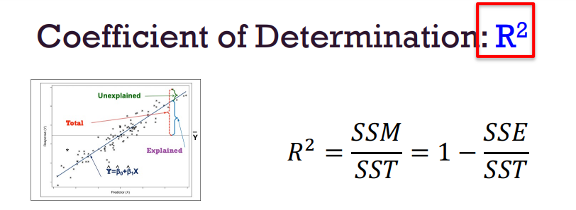
62 | 3.19 | 0 | 24.4 | 22.5 | 1.9 | 3.62 | 18.57
95 | 3.15 | 0 | 22.8 | 21.4 | 1.4 | 2.03 | 7.34 |  |  | Regression Statistics
123 | 3.44 | 0 | 19.2 | 19.5 | -0.3 | 0.08 | 0.79 |  |  | Multiple R | 0.91645529355 |  | Multiple R = CORREL(actual_y,predicted_y) |  | 0.91645529355 | =CORREL(D2:D33,E2:E33)
123 | 3.44 | 0 | 17.8 | 19.5 | -1.7 | 2.86 | 5.25 |  |  | R Square | 0.83989030507 |  | Rsquared |  | 0.83989030507
180 | 4.07 | 0 | 16.4 | 15.5 | 0.9 | 0.74 | 13.62 |  |  | Adjusted R Square | 0.8227356949
180 | 3.73 | 0 | 17.3 | 16.5 | 0.8 | 0.61 | 7.79 |  |  | Standard Error | 2.5375119399
180 | 3.78 | 0 | 15.2 | 16.4 | -1.2 | 1.38 | 23.92 |  |  | Observations | 32
205 | 5.25 | 0 | 10.4 | 11.2 | -0.8 | 0.65 | 93.91
215 | 5.424 | 0 | 10.4 | 10.3 | 0.1 | 0.00 | 93.91 |  |  | ANOVA
230 | 5.345 | 0 | 14.7 | 10.0 | 4.7 | 22.12 | 29.06 |  |  |  | df | SS | MS | F | Significance F
66 | 2.2 | 1 | 32.4 | 27.3 | 5.1 | 26.21 | 151.52 |  |  | Regression | 3 | 945.75611583 | 315.25203861 | 48.960034456 | 2.9E-11 | <0.05 | Significance
52 | 1.615 | 1 | 30.4 | 29.5 | 0.9 | 0.83 | 106.28 |  |  | Residual | 28 | 180.29107167 | 6.4389668454
65 | 1.835 | 1 | 33.9 | 28.4 | 5.5 | 30.60 | 190.70 |  |  | Total | 31 | 1126.0471875
97 | 2.465 | 0 | 21.5 | 23.3 | -1.8 | 3.14 | 1.99
150 | 3.52 | 0 | 15.5 | 18.2 | -2.7 | 7.55 | 21.07 |  |  |  | Coefficients | Standard Error | t Stat | P-value | Lower 95% | Upper 95%
150 | 3.435 | 0 | 15.2 | 18.5 | -3.3 | 10.84 | 23.92 |  |  | Intercept | 34.002875123 | 2.642659337 | 12.866915779 | 2.8240301966E-13 | 28.589632864 | 39.416117382
245 | 3.84 | 0 | 13.3 | 13.8 | -0.5 | 0.22 | 46.11 |  |  | hp | -0.037478725953 | 0.0096054221574 | -3.9018301683 | 0.00054640226581 | -0.057154541301 | -0.017802910606
175 | 3.845 | 0 | 19.2 | 16.4 | 2.8 | 7.98 | 0.79 |  |  | wt | -2.8785754138 | 0.90497053803 | -3.1808498651 | 0.0035740310795 | -4.732323527 | -1.0248273006
66 | 1.935 | 1 | 27.3 | 28.0 | -0.7 | 0.55 | 51.98 |  |  | am | 2.0837101303 | 1.3764201523 | 1.5138619751 | 0.14126823674 | -0.73575873977 | 4.9031790004
91 | 2.14 | 1 | 26 | 26.5 | -0.5 | 0.27 | 34.92
113 | 1.513 | 1 | 30.4 | 27.5 | 2.9 | 8.43 | 106.28
264 | 3.17 | 1 | 15.8 | 17.1 | -1.3 | 1.61 | 18.41
175 | 2.77 | 1 | 19.7 | 21.6 | -1.9 | 3.44 | 0.15
335 | 3.57 | 1 | 15 | 13.3 | 1.7 | 3.05 | 25.91
109 | 2.78 | 1 | 21.4 | 24.0 | -2.6 | 6.75 | 1.71

ScatterPlot
Scatter plot - HP-MPG
 | mpg
110 | 21
110 | 21
93 | 22.8
110 | 21.4
175 | 18.7
105 | 18.1
245 | 14.3
62 | 24.4
95 | 22.8
123 | 19.2
123 | 17.8
180 | 16.4
180 | 17.3
180 | 15.2
205 | 10.4
215 | 10.4
230 | 14.7
66 | 32.4
52 | 30.4
65 | 33.9
97 | 21.5
150 | 15.5
150 | 15.2
245 | 13.3
175 | 19.2
66 | 27.3
91 | 26
113 | 30.4
264 | 15.8
175 | 19.7
335 | 15
109 | 21.4

