Jizo-GPU-profile
Single lists
n | Futhark | Old | Old (New QS) | Old + Inplace | New | New + Inplace |  | m = size of inner list
100 |  |  |  |  |  |  |  | n = number of lists
1000
2000
5000
Quicksort on single lists
 | Futhark | Old | Old (New QS) | Old + Inplace | New | New + Inplace
100
1000
2000
5000
10000
20000
1000000
10000
20000
1000000

 |  |  |  |  |  | 0 | 0
 |  |  |  |  |  | 0 | 0
 |  |  |  |  |  | 0 | 0
 |  |  |  |  |  | 0 | 0
 |  |  |  |  |  | 0 | 0
 |  |  |  |  |  | 0 | 0
 |  |  |  |  |  | 0 | 0

Lists of size 100

Quicksort on lists of lists (100 elements)
n | Futhark | Regular | Irregular | Regular + Inplace
1 | 3.26 | 2.12 | 12.3 | 1.84
100 | 5.92 | 3.74 | 39.5 | 3.18
1000 | 8.28 | 11.4 | 72 | 10.6
2000 | 10.8 | 23.3 | 132 | 20.9
5000 | 13.8 | 56.3 | 307 | 50.6
10000 | 17.5 | 110 | 597 | 98.7
100000 | 106 | 834 | 5347 | 755
1000000 | 987 | 9571 | DNF | 9087
Lists of size 1000
n | Futhark | Regular | Irregular | Regular + Inplace |  | Ratio
1 | 61.0 | 4.98 | 31.5 | 4.34 |  | 0.071
100 | 118 | 10.5 | 107 | 9.51 |  | 0.081
1000 | 169 | 60.7 | 777 | 56.0 |  | 0.331
2000 | 180 | 114 | DNF | 105 |  | 0.583
5000 | 208 | 281 |  | 260 |  | 1.250
10000 | 250 | 613 |  | 590 |  | 2.360

Lists of size 1500
n | Futhark | Regular |  | Old + Inplace
1
Quicksort on lists of lists (1000 elements)
 | Futhark | Regular | Irregular | Regular + Inplace
1 | 61 | 4.98 | 31.5 | 4.34
100 | 118 | 10.5 | 107 | 9.51
1000 | 169 | 60.7 | 777 | 56
2000 | 180 | 114 |  | 105
5000 | 208 | 281 |  | 260
10000 | 250 | 613 |  | 590
10
20
50
100
1000
2000
5000
10000
20000

Lists of size 2000
n | Futhark | Regular | Irregular | Regular + Inplace | Futhark + inc flattening
1 | 136 | 7.68 | 49.6 | 6.50
10 | 135 | 8.56 | 62.3 | 7.60
20 | 174 | 9.58 | 73.5 | 8.68
50 | 253 | 12.3 | 119 | 10.3
100 | 284 | 18.8 | 172 | 16
1000 | 373 | 134 | 1662 | 125
2000 | 404 | 295 | DNF | 276
5000 | 469 | 734 |  | 661
10000 | 571 | 1182 |  | 1100
20000 | 974 | 2401 |  | 2225

Lists of size 5000
n | Futhark | Regular | Irregular | Regular + Inplace
1 | 568 | 15.2 | 60.2
10 | 725 | 19.6 | 93.6
100 | 867 | 48.5 | 449
1000 | 1000 | 419 | 3499
2000 | 1125 | 806 | DNF
5000 | 1322 | 1714
10000 | 1745 | 3655
20000 | 2891 | 7433

Lists of size 10000
n | Futhark | Regular |  | Regular + Inplace
1 | 1310 | 28 | 70.2
100 | 2070 | 113 | 965
1000 | 2375 | 890 | 8616
2000 | 2510 | 1541 | DNF
5000 | 3125 | 4174
10000 | 3970 | 8496

1000 lists of size:
m | Futhark |  |  | Old + Inplace
10
100
1000
2000
5000
10000
20000

10000 lists of size:
m
10
100
1000
2000
5000
10000

diagonal scaling
n = m
10
100
1000
2000
2500
3000
4000
5000
10000

n = 2m
n
10
100
1000
2000

n * m = 100000
n (#lists) | m (list size) | Futhark | Regular | Irregular | Regular + Inplace
10 | 10000
20 | 5000
100 | 1000 | 118 | 10.5 | 107 | 9.51
200 | 500
1000 | 100 | 8.28 | 11.4 | 72 | 10.6
2000 | 50
10000 | 10

n * m = 1000000
n (#lists) | m (list size) | Futhark | Regular | Irregular | Regular + Inplace
10 | 100000
20 | 50000
100 | 10000 | 2070 | 113 | 965
200 | 5000
1000 | 1000 | 169 | 60.7 | 777 | 56.0
2000 | 500
10000 | 100 | 17.5 | 110 | 597 | 98.7
20000 | 50
100000 | 10

Jizo
Single lists
n | Futhark | Old | Old (New QS) | Old + Inplace | New | New + Inplace |  | m = size of inner list
100 |  |  |  |  |  |  |  | n = number of lists
1000
2000
5000
Quicksort on single lists
 | Futhark | Old | Old (New QS) | Old + Inplace | New | New + Inplace
100
1000
2000
5000
10000
20000
1000000
10000
20000
1000000

 |  |  |  |  |  | 0 | 0
 | Futhark report (with profiling) | New report | Futhark nvvp | New nvvp |  | 0 | 0
20000 | 4 | 74 | 8 | 77 |  | 0 | 0
1000000 | 42 | 140 | 88 | 142 |  | 0 | 0
 |  |  |  |  |  | 0 | 0
 |  |  |  |  |  | 0 | 0
 |  |  |  |  |  | 0 | 0

Lists of size 100

Quicksort on lists of lists (100 elements)
 | Futhark | Old | Old (New QS) | Old + Inplace
1 | 3 | 67 |  | 56
100 | 6 | 103 |  | 85
1000 | 8 | 109 |  | 94
2000 | 9 | 130 |  | 115
5000 | 11 | 166 |  | 137
10000 | 14 | 197 |  | 171
100000 | 101 | 989 |  | 889
1000000 | 945 | 10180 |  | 9883
n | Futhark | Old | Old (New QS) | Old + Inplace | Irregular | Old +Inplace + New QS
1 | 3 | 67 |  | 56 | 550
100 | 6 | 103 |  | 85
1000 | 8 | 109 |  | 94
2000 | 9 | 130 |  | 115
5000 | 11 | 166 |  | 137
10000 | 14 | 197 |  | 171
100000 | 101 | 989 |  | 889
1000000 | 945 | 10180 |  | 9883
Lists of size 1000
n | Futhark | Old | Old (New QS) | Old + Inplace |  | Ratio
1 | 52 | 131 |  | 108 |  | 2.077
100 | 109 | 162 |  | 145 |  | 1.330
1000 | 163 | 213 |  | 191.0 |  | 1.172
2000 | 174 | 253 |  | 228.0 |  | 1.310
5000 | 202 | 384 |  | 360.0 |  | 1.782
10000 | 243 | 658 |  | 621.0 |  | 2.556

Lists of size 1500
n | Futhark | Old |  | Old + Inplace
1
Quicksort on lists of lists (1000 elements)
 | Futhark | Old | Old (New QS) | Old + Inplace
1 | 52 | 131 |  | 108
100 | 109 | 162 |  | 145
1000 | 163 | 213 |  | 191
2000 | 174 | 253 |  | 228
5000 | 202 | 384 |  | 360
10000 | 243 | 658 |  | 621
10
20
50
100
1000
2000
5000
10000
20000

Lists of size 2000
n | Futhark | Old |  | Old + Inplace
1 | 130 |  |  | 124
10 | 148 |  |  | 140
20 | 165 |  |  | 147
50 | 248 |  |  | 147
100 | 277 |  |  | 149
1000 | 367 |  |  | 249
2000 | 399 |  |  | 370
5000 | 463 |  |  | 707
10000 | 560 |  |  | 1341
20000 | 955 |  |  | 2600

Lists of size 5000
n | Futhark | Old |  | Old + Inplace
1 | 566 |  |  | 148
10 | 727 |  |  | 171
20 | 737 |  |  | 181
50 | 772 |  |  | 184
100 | 867 |  |  | 178
1000 | 1000 |  |  | 468
2000 | 1119 |  |  | 817
5000 | 1312 |  |  | 1847
10000 | 1716 |  |  | 3884
20000 | 2847 |  |  | 8163

Lists of size 10000
n | Futhark | Old |  | Old + Inplace
1 | 1300 |  |  | 172
100 | 2060 |  |  | 278
1000 | 2367 |  |  | 907
2000 | 2495 |  |  | 1689
5000 | 3100 |  |  | 4417
10000 | 3920 |  |  | 9385

1000 lists of size:
m | Futhark |  |  | Old + Inplace
10 | 0.215 |  |  | 36.4
100 | 8.23 |  |  | 102
1000 | 163 |  |  | 189
2000 | 367 |  |  | 244
5000 | 996 |  |  | 468
10000 | 2366 |  |  | 894
20000 | 5006 |  |  | 1813

10000 lists of size:
m
10 | 0.278 |  |  | 58
100 | 17.2 |  |  | 168
1000 | 244 |  |  | 609
2000 | 558 |  |  | 1346
5000 | 1717 |  |  | 3897
10000 | 3920 |  |  | 9346

diagonal scaling
n = m
10
100 | 6 | 103 |  | 85
1000 | 163 | 213 |  | 191
2000 | 399 |  |  | 370
2500 | 508 |  |  | 522
3000 | 640 |  |  | 697
4000 | 950 |  |  | 1182
5000 | 1312 |  |  | 1847
10000 | 3920 |  |  | 9346

n = 2m
n
10
100
1000
2000

CycloneV2
Quicksort on single lists
 | Futhark | Old | Old (New QS) | Old + Inplace | New | New + Inplace
100 | 0.846 |  | 15.16 |  | 18.46 | 17.32
1000 | 1.646 | 32.61 | 28.63 | 30.17 | 46.04 | 43.71
2000 | 1.883 | 50.31 | 48.9 | 47.24 | 55.26 | 50.44
5000 | 2.118 | 58.81 | 51.7 | 54.11 | 59.22 | 57.86
10000 | 2.392 | 65.28 | 57.03 | 58.34 | 66.15 | 64.27
20000 | 2.753 | 72.35 | 61.79 | 64.54 | 74.02 | 71.55
1000000 | 41.657 |  | 105.1 |  | 140.3 | 116.6
Single lists
n | Futhark | Old | Old (New QS) | Old + Inplace | New | New + Inplace
100 | 1 |  | 15 |  | 18 | 17 | 0 | 20
1000 | 2 | 33 | 29 | 30 | 46 | 44 | 18 | 27
2000 | 2 | 50 | 49 | 47 | 55 | 50 | 25 | 27
5000 | 2 | 59 | 52 | 54 | 59 | 58 | 26 | 27
10000 | 2 | 65 | 57 | 58 | 66 | 64 | 24 | 27
20000 | 3 | 72 | 62 | 65 | 74 | 72 | 23 | 26
1000000 | 42 |  | 105 |  | 140 | 117 | 0 | 3
 |  |  |  |  |  |  | 17 | 22

 |  |  |  |  |  | 0 | 0
 | Futhark report (with profiling) | New report | Futhark nvvp | New nvvp |  | 0 | 0
20000 | 4 | 74 | 8 | 77 |  | 0 | 0
1000000 | 42 | 140 | 88 | 142 |  | 0 | 0
 |  |  |  |  |  | 0 | 0
 |  |  |  |  |  | 0 | 0
 |  |  |  |  |  | 0 | 0

Quicksort on lists of lists (100 elements)

Lists of size 100

n | Futhark | Old | Old (New QS) | Old + Inplace |  | Old +Inplace + New QS
1 | 4 | 64 | 68 | 54 |  | 66 | 13.1
100 | 7 | 96 | 103 | 83 |  | 101 | 12.5
1000 | 8 | 110 | 116 | 99 |  | 111 | 12.0
2000 | 10 | 142 | 148 | 123 |  | 143 | 12.0
5000 | 14 | 176 | 186 | 154 |  | 187 | 10.8
10000 | 20 | 238 | 262 | 215 |  | 260 | 10.6
 |  |  |  |  |  |  | 11.8
Lists of size 1000

n | Futhark | Old | Old (New QS) | Old + Inplace
1 | 65 | 121 | 126 | 104 |  |  | 1.6
100 | 122 | 166 | 175 | 146 |  |  | 1.2
1000 | 170 | OUTOFMEM | OUTOFMEM | 263.1 |  |  | 1.5
2000 | 187 | OUTOFMEM | OUTOFMEM | 434.7 |  | ← Uses Max Mem | 2.3
5000 | 238 | OUTOFMEM | OUTOFMEM | 800.6 |  | ← Uses Max Mem | 3.4
10000 | 355 | OUTOFMEM | OUTOFMEM | 1,713.0 |  | ← Uses Max Mem | 4.8
Quicksort on lists of lists (1000 elements)
 |  |  |  |  |  |  | 2.5

Cyclone
Quicksort on single lists
Single lists
n | Futhark | Old | New | %
100 | 1 | 28 | 18 | 33 | 22
1000 | 2 | 52 | 46 | 32 | 28
2000 | 2 | 74 | 55 | 39 | 29
5000 | 2 | 82 | 59 | 39 | 28
10000 | 2 | 90 | 66 | 38 | 28
20000 | 3 | 99 | 74 | 36 | 27
 |  |  |  | 36 | 27

Quicksort on lists of lists (100 elements)

Lists of size 100

n | Futhark | Old
1 | 4 | 452 | 111
100 | 7 | 668 | 100
1000 | 8 | 727 | 87
2000 | 10 | 853 | 83
5000 | 14 | 918 | 65
10000 | 20 | 970 | 48
 |  |  | 82
Lists of size 1000

n | Futhark | Old
1 | 65 | 880 | 14
100 | 122 | 1244 | 10
1000 | 170 |  | 0
2000 | 187 |  | 0
5000 | 238 |  | 0
10000 | 355 |  | 0
Quicksort on lists of lists (1000 elements)
 | Futhark | Old
1 | 64.567 | 879.9
100 | 122.417 | 1244
1000 | 170.016
2000 | 186.929
5000 | 237.579
10000 | 355.489

Laptop
Quicksort on lists
n | Old | New | Futhark
100 | 21 | 16 | 2
1000 | 40 | 40 | 3
2000 | 59 | 60 | 4
5000 | 64 | 54 | 5
10000 | 73 | 58 | 6
20000 | 82 | 79 | 9

n | Accelerate Old | Accelerate New | Futhark
100
1000
2000
5000
10000
20000

FutharkBench Wrong
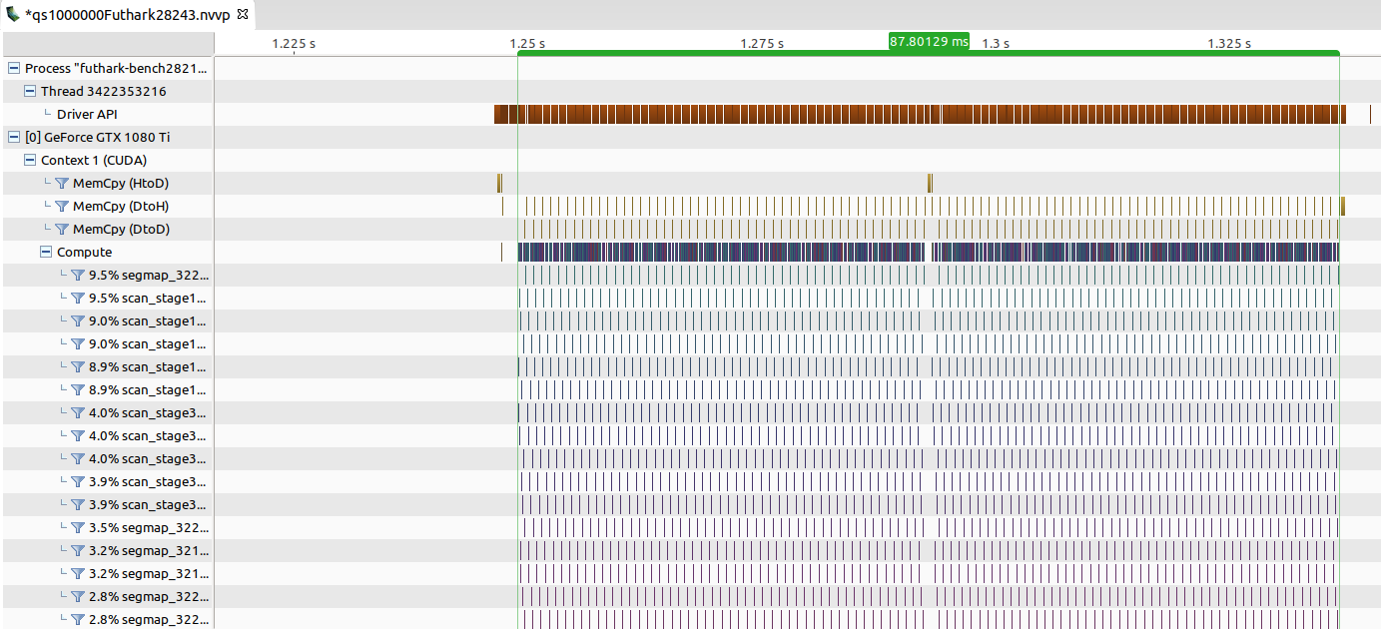

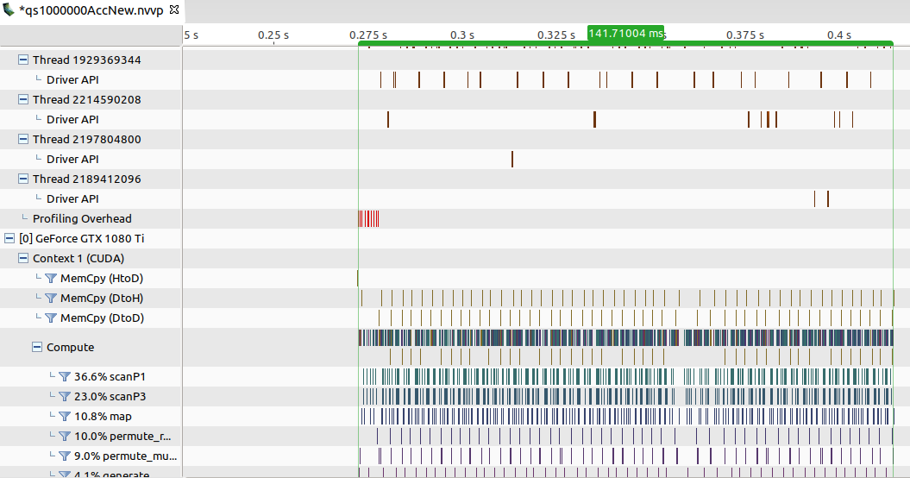
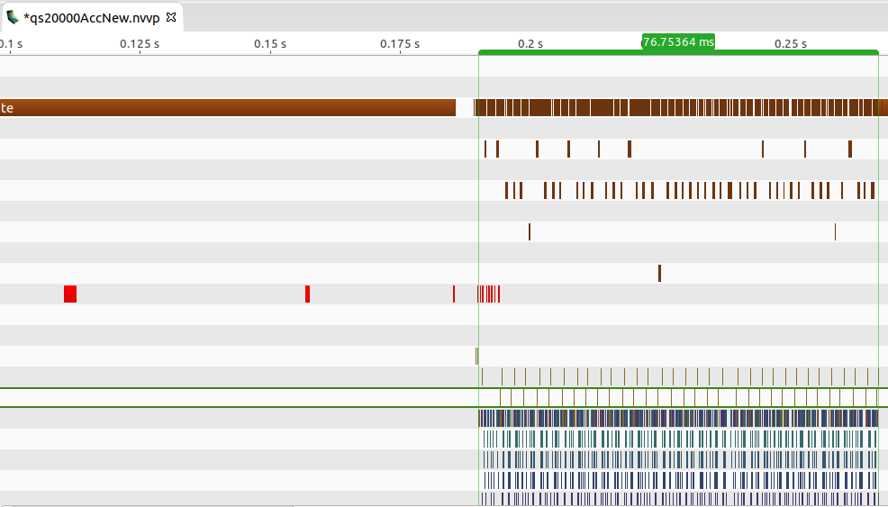

Profiling
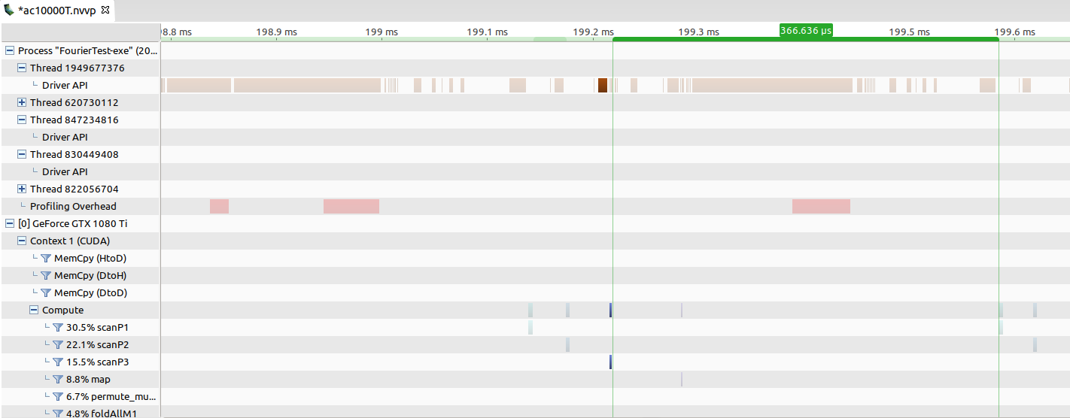
Futhark |  | Scan1 |  | Scan2 |  | Scan3
 | time between stages: |  | 2 |  | 2 |  |  |  | 4
 | Execution | 3 |  | 3 |  | 2 |  |  | 9
 |  |  |  |  |  |  |  |  | 12
 | Time in between scans | 3
 | Complete iteration | 131
 | Time between iterations | 13
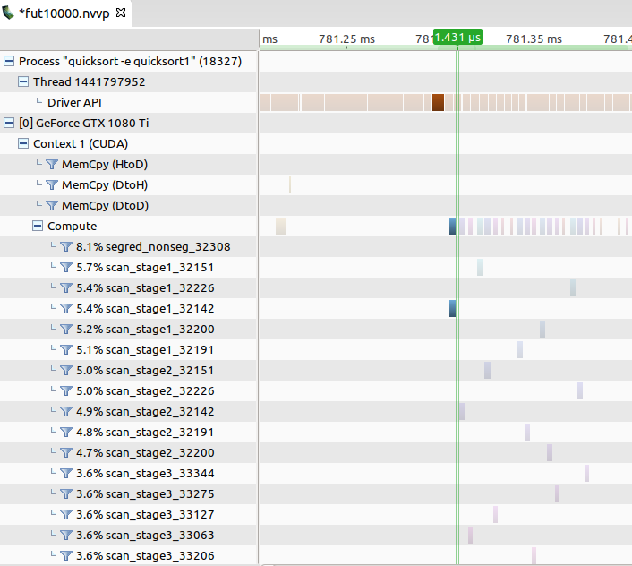
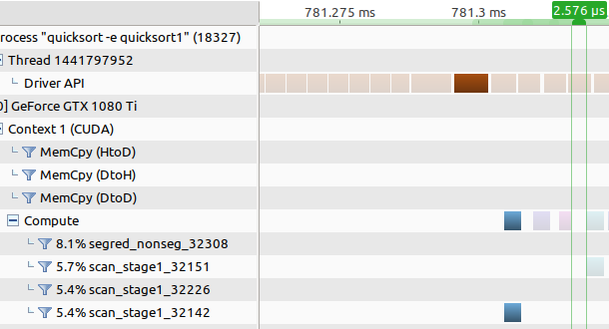

Accelerate |  | Scan1 |  | Scan2 |  | Scan3 |  | Map
 | time between stages: |  | 31 |  | 37 |  | 65 |  | 133
 | Execution | 4 |  | 4 |  | 2 |  | 2 | 12
 |  |  |  |  |  |  |  |  | 145
 | Time in between scans | 366 |  |  |  |  | (Accelerate also does a map action in between, Futhark interleaves that)
 | Complete iteration | 3383
 | Time between iterations | 147

