Pivots for Dashb
Sum of Total Sales | Sum of Units Sold | Average of Unit Price | Average of Operating Profit
135,800,459.00 | 391337 | 40.36 | 28,211.19

Sales by Product type |  |  |  | Sales by Retailer
Sum of Total Sales | Column Labels |  |  | Sum of Total Sales | Column Labels
Type of Product | 2020 | 2021 |  | Retailer | 2020 | 2021
Men's Apparel | 742,604.00 | 17,383,057.00 |  | Amazon |  | 16,835,873.00
Men's SPORTS Footwear | 1,167,262.00 | 17,902,027.00 |  | Foot Locker | 6,619,565.00 | 41,367,829.00
Men's SPORTS Gear |  | 1,830,000.00 |  | Kohl's | 758,503.00 | 21,470,912.00
Men's SPORTS Gear |  | 406,250.00 |  | Sports Direct |  | 26,207,191.00
Men's Street Footwear | 2,498,746.00 | 35,404,064.00 |  | West Gear |  | 22,540,586.00
Men's Street Gear |  | 420,000.00
Women's Apparel | 1,476,050.00 | 26,730,333.00
Women's SPORTS Footwear | 602,229.00 | 11,551,689.00
Women's SPORTS Gear |  | 1,441,250.00
Women's Street Footwear | 891,177.00 | 14,084,971.00
Women's Street Gear |  | 1,268,750.00

Years (Invoice) | Quarters (Invoice) | TotalSales | Average Margin
2020 | Qtr4 | 7,378,068.00 | 41%
2021 | Qtr1 | 31,204,491.00 | 44%
 | Qtr2 | 28,977,907.00 | 44%
 | Qtr3 | 39,368,995.00 | 44%
 | Qtr4 | 28,870,998.00 | 43%

Dashboard

Adidas Sales Analysis (2020-2021)

40.36
Price per Unit
13,58,00,459.00
Total Sales
391337
Units Sold
28,211.19
Operating Profit

Sales by Product |  |  |  | Sales by Retailer
Type of Product | 2020 | 2021 | Variance | Retailer | 2020 | 2021 | Variance
Men's Apparel | 742604 | 17383057 | 16640453 | Amazon | 0 | 16835873 | 16835873
Men's SPORTS Footwear | 1167262 | 17902027 | 16734765 | Foot Locker | 6619565 | 41367829 | 34748264
Men's SPORTS Gear | 0 | 1830000 | 1830000 | Kohl's | 758503 | 21470912 | 20712409
Men's SPORTS Gear | 0 | 406250 | 406250 | Sports Direct | 0 | 26207191 | 26207191
Men's Street Footwear | 2498746 | 35404064 | 32905318 | West Gear | 0 | 22540586 | 22540586
Men's Street Gear | 0 | 420000 | 420000 | 0 | 0 | 0 | 0
Women's Apparel | 1476050 | 26730333 | 25254283
Women's SPORTS Footwear | 602229 | 11551689 | 10949460
Women's SPORTS Gear | 0 | 1441250 | 1441250
Women's Street Footwear | 891177 | 14084971 | 13193794
Women's Street Gear | 0 | 1268750 | 1268750

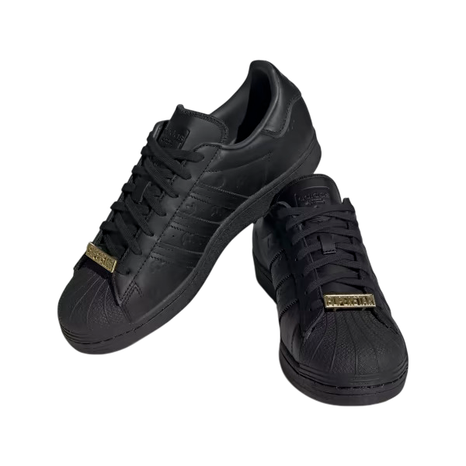
Sales and Operating Margin by Quarter
 | TotalSales | Average Margin
Qtr4 | 7,378,068.00 | 41%
Qtr1 | 31,204,491.00 | 44%
Qtr2 | 28,977,907.00 | 44%
Qtr3 | 39,368,995.00 | 44%
Qtr4 | 28,870,998.00 | 43%

