Sheet1
Uber

Questions
Capacity Estimation and Constraints

Requirement
Replication and Fault tolerance
do we need to modify our quadtree every time a driver reports their location ?
how can we efficiently broadcast the driver's location to customers?
how about if clients pull information about nearby drivers from the server ?

yes , we define a hashtable that will store the current location of driver in quadtree every 15 (or less) seconds name it DriverLocationHT
use push model , which server push the position to all relevant passengers. when the passenger open the app, they query the server to find nearby drivers
Users
clients send their current location and the server will find all the nearby drivers from the quadTree to return them to the client, upon receiving this information , client can update their screen to reflect current position of the driver
- drivers need to notify service about their current location and their availability
- passengers get to see all nearby available drivers
- customer can request a ride
- once a driver and customer accept a ride , the can see each other location until trip finished
- upon reaching the trip, driver mark the journey complete to be available for the next ride
replication of servers

passenger
driver
do we need to distribute driverLocationHT onto multiple servers?
store data in fast storages like SSD
how can we efficiently implement notification service?

for scalability, availability, performance and fault tolerance we should distriubte driverLocationHT onto multiple servers,
each server do 2 things :
1- broadcast driver updated location to each passenger
2- notify quadTree server to refresh
use http long polling or push notification
Cache

request ride use case
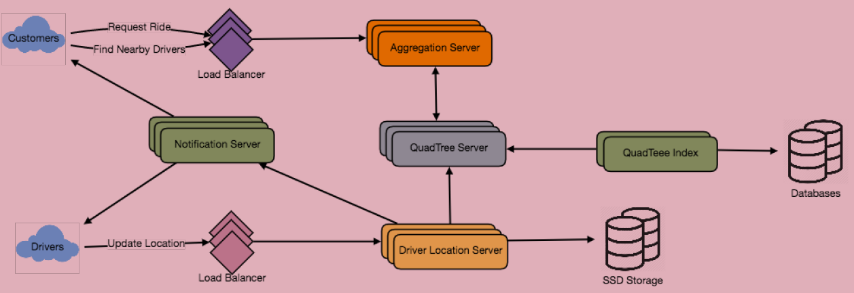

store all about hot places
1- the customer will put a request for a ride
2- one of the aggregator server will take the request and ask quadTree server to return nearby driver
3- agg.server collect all record and sort them by ratings
4- agg.server send a notification to top (say 3) drivers simultaneously ,
4-1 whichever driver accept, request will assigned to it
4-2 other drivers receive cancellation request
5- if none of them accept, request send to next three
6- once a driver accept a request, the customer is notified

Ranking

an aggregated number can represent popularity of the drivers (for example number out of ten)

