Sheet1
PasteBin

Requirement
Capacity Estimation and Constraints

Database Design
System APIs
Component Design
Data Partitioning
and Replication
functional
non-functional
Cache
User
- FullName
- Email
- CreateDate
- LastVisit
- IsDeleted
Paste
- Title
- customAlias
- ExpireTime
- UserId (FK)
- createDate
- IsDeleted
Load Balancer
1- generate url by system
2- expire url
3- users can make custom urls
1- high uptime (reliablity)
2- highly available
3- low latency
4- url should not be guessable
GenerateUrl(api_dev_key,body,custom_alias,timestamp,expireTime,title,userId) return Url
+ RUD
CreateUser + RUD

Application Layer
DataStore Layer
Range Based
Hash-Based
80-20
based on address
LRU
کم استفاده ترین آدرس با جدید جایگزین میشه

MetaData
Storage
Object Storage
like amazon S3
تقسیم بندی براساس حروف الفبای انگلیسی
A...Z
براساس 256 کاراکتر موجود در هش
between client and app server
between app server and cache server
between app server and db server

High Level Design
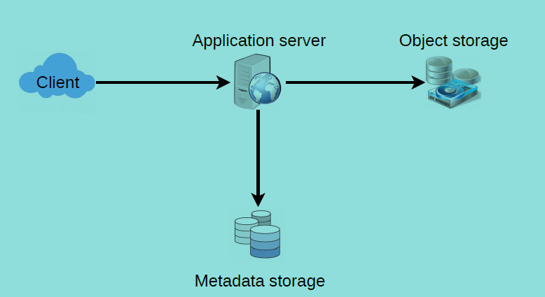
high level design
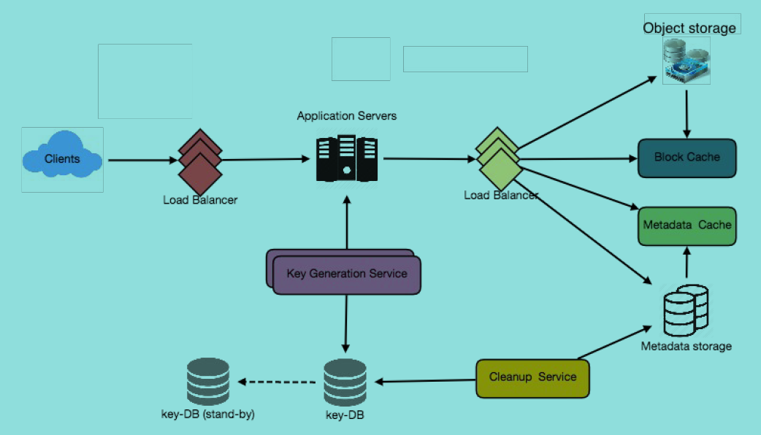
detailed component design

purging and db cleanup

- service should be lightweight
- set expire time for urls
- clean expired links from db or reuse them in future
- after removing link put the key back to db

1

