Sheet1
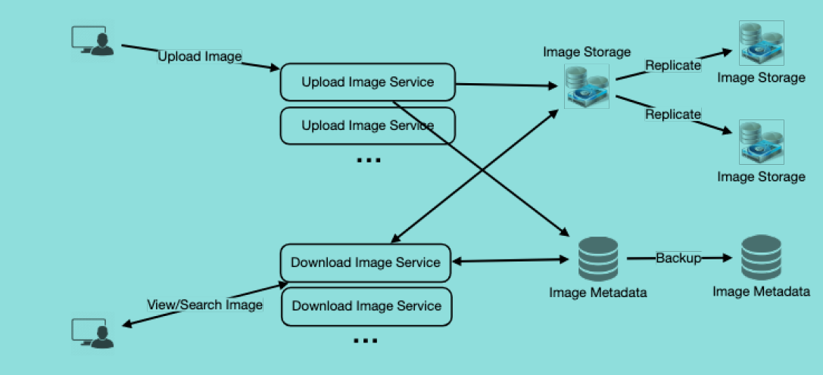
Instagram

Requirement
Capacity Estimation and Constraints

Database Design
Component Design
Data Sharding
functional
non-functional
Ranking and NewsFeed Generation
some design considerations
User
- FullName
- Email
- CreateDate
- LastVisit
- IsDeleted
image
- Title
- customAlias
- ExpireTime
- UserId (FK)
- createDate
- IsDeleted
(for CDN)
--lat
- long
Cache and LoadBalance
1- post photos
2- follow friends
3- show recent posts by friends
4- search photos based on photo title
1- high uptime (reliablity)
2- highly available
3- low latency
4- max latency for newsfeed (recent) 200 ms
Userfollows
- userId1
- userId2
purging and db cleanup
Application Layer
DataStore Layer
based on UserId
based on PhotoId
- system should be read-heavy
Push
Pull
Hybrid

MetaData
Storage
Object Storage
like amazon S3
CDN
80-20
- service should be lightweight
- set expire time for urls
- clean expired links from db or reuse them in future
- after removing link put the key back to db
use KGS
use wide comlumn datastore like cassandra (key value store)
we can store photos in S3 file storage db

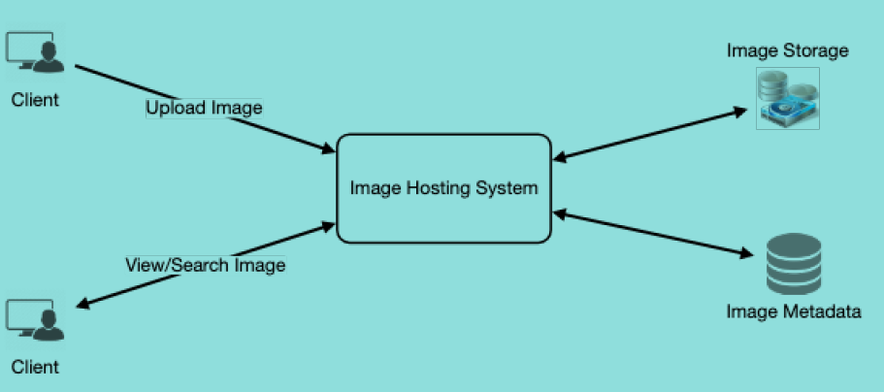
High Level Design
NewsFeed Creation with Sharded Data
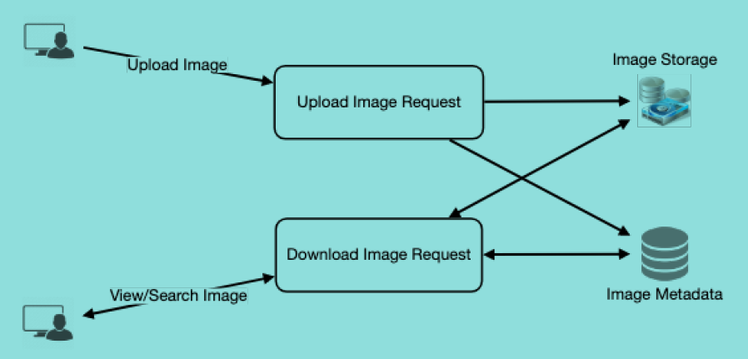

append addedDate and photoId
to have both of them , for PK and also for sorting on addedDate desc

reliability and redundancy

1
multiple replicas of servers
multiple replicas of data storages

seperate read and write requests make db and operations scalability easier

