Sheet1
Dropbox
chunker
internal metadata db
indexer
viewer

Requirement
Capacity Estimation and Constraints

high level Design
Component Design
functional
non-functional
some design considerations
client
1- users can upload / download
2- users can share files
3- accessible and sync through devices (mob , tablet, PC)
4- supporting large files
5- database support ACID
6- support offline editing
- reliability and durability
- availability
- scalability
block server
sync server
metadata server
File Processing Workflow
data deduplication
metadata db
Sync Service
message queue service
cloud / block storage
metadata
partitioning
cache
read and write ratio is same
Load Balance
detect file changes
handle conflict due offline updates
transfer files using chunk to decrease file transfer loss / exchange
dowload / upload files
store files :
- chunks
- users
- files
- devices
- workspaces
rabbit MQ
- client a upload chunk to cloud storage
- file saved to db
- file version changed in sync service
- notification sends for other clients about file modification
- client b , c download chunk files
- LRU
- MemCache db
compare hash value on chunk files
1 - post-processing
2- inline-processing
vertical partitioning
range-based
hash-based

use chunk file
http long polling for detect sync
1- between app and metadata server
2- between app and block server

user pull manually
relational DB like MySQL because of ACID feature
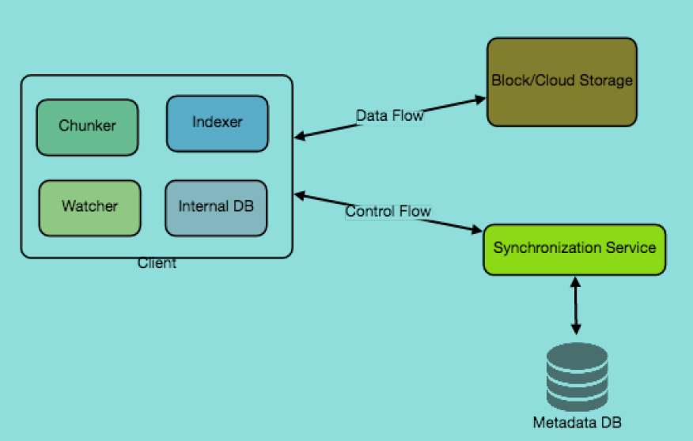

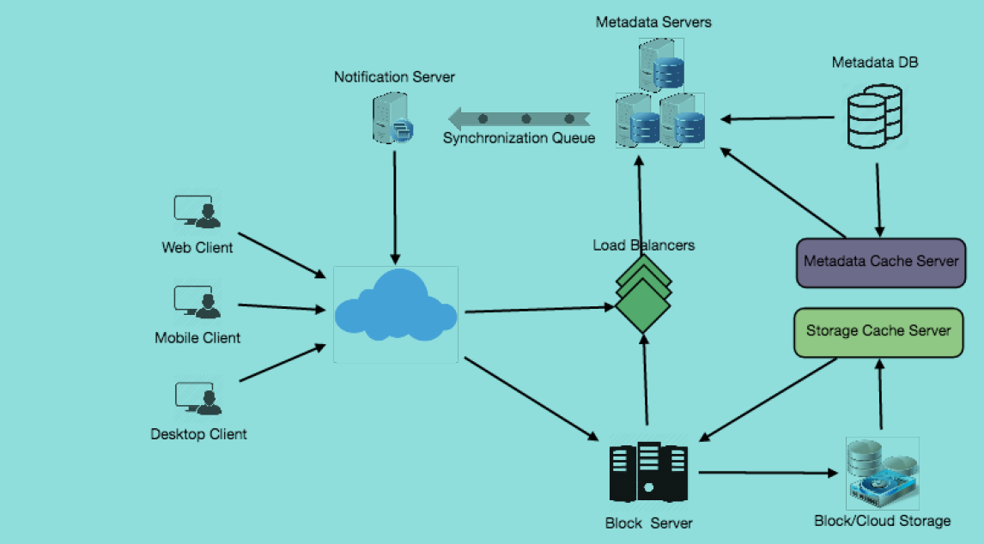

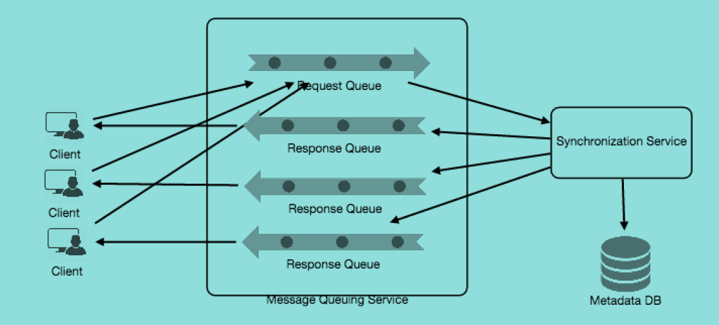
security , permission and file sharing

add permission field
1

