Sheet1
Twitter

Database schema
Requirement
Capacity Estimation and Constraints
data sharding
system is read-heavy
cache
replication and fault tolerance
load balancing

functional
non-functional
User
userId
name
addedDate
isDeleted
Tweet
tweetid
title
body
addedDate
userId
lat
long
likes
comments
user follows
userId1
userId2
favorites
tweetId
userId
addedDate
- users can post tweets
- user can follow other users
- users can see recent tweets from their friends (timeline)
- post can contains photo,video and etc
- user should mark tweet as favorites
+ user get notification for new tweets
+ searching tweets
+ tagging other users
+ put comment / reply for tweet
+ retweet other tweets
based on userId
based on tweetId
based on addedDate + tweetId
LRU
80-20
cache latest data
replicate servers and db
1) between client and app server
2) between app server and data replication servers
3) between aggregation server and cache servers
1- high uptime (availability)
2- highly reliable
3- min latency (up to 200ms)
System APIs

1- post(api_dev_key , tweetBody, timeStamp , isDeleted , lat,long, fileIds []) return Url of tweet
+ RUD tweet
what about hot users (user with many posts)
what about favorite ot hot tweets
fit for sorting on addedDate and sharding based on tweetId
use hashtable (keyValue db)
key : userId
value : userTweets (in past three days)

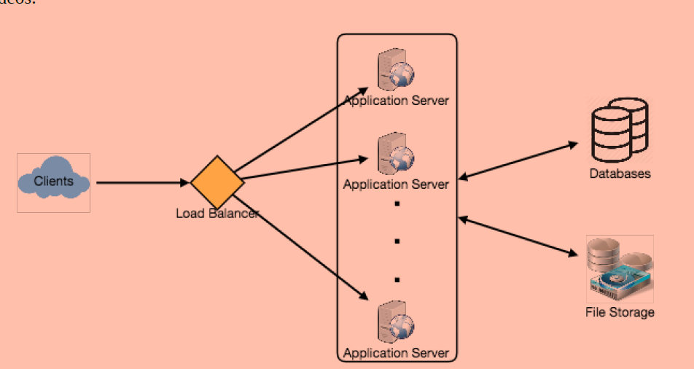
high level design
use cache db
Monitoring

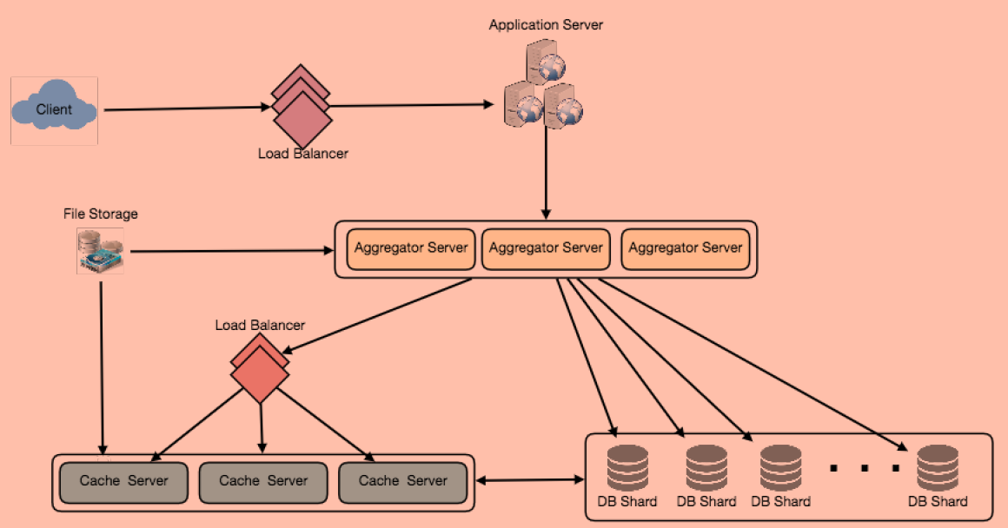

- new posts per day / second / minute and etc
- timeline delivery stats , how many tweets delivered per day/ second
- average latency that is seen by refresh timeline

seperate read and write requests make db and operations scalability easier

