Sheet1
YouTube - Netflix

high level design
Requirement
Capacity Estimation and Constraints
db schema
data sharding
video deduplication
system is read-heavy
cache
fault tolerance

functional
non-functional
System APIs
processing queue
encoder
thumbnails generator
metadata db
use video matching algorithm to find duplicate videos (block matching , etc)
- users should upload videos
- users can share videos
- users should perform search based on video titles
- users can add comments
- system should save stats like total views , like , dislike, shares
video and thumbnail storage
user db
user :
userId
fullName
addedDate
isDeleted
video :
videoId
title
desc
lat
long
format
length
like
follows
dislikes
video comments :
commentId
videoId
userId
title
addedDate
based on userId
based on videoId
LRU
80-20
CDN
use consistent hashing for distribution among servers
1- high uptime (availability)
2- highly reliable
3- min latency
1- post(api_dev_key , videoFormat, length, lat,long, addedDate, title, like , dislike, follows, description, tags[] , default_lang, category)
+ RUD
2- searchVideo(api_dev_key, title, format,lat,long,date, max_video_toReturn, pageNum)
3- streamVideo(api_dev_key, videoId, offset,codec, resolution)
return a mediaStream for given offset

each uploaded video should be pushed to processing queue to be dequeued later for encoding
use cache for hot videos

load balancing
use MySQL

detailed component design
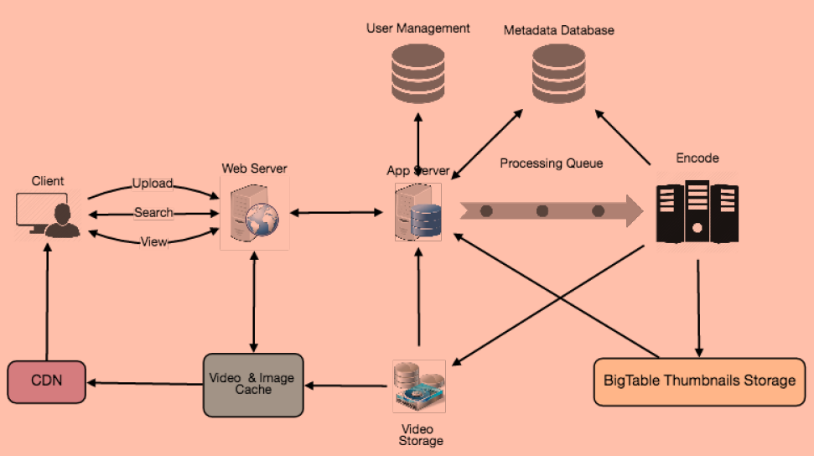
consistent hashing

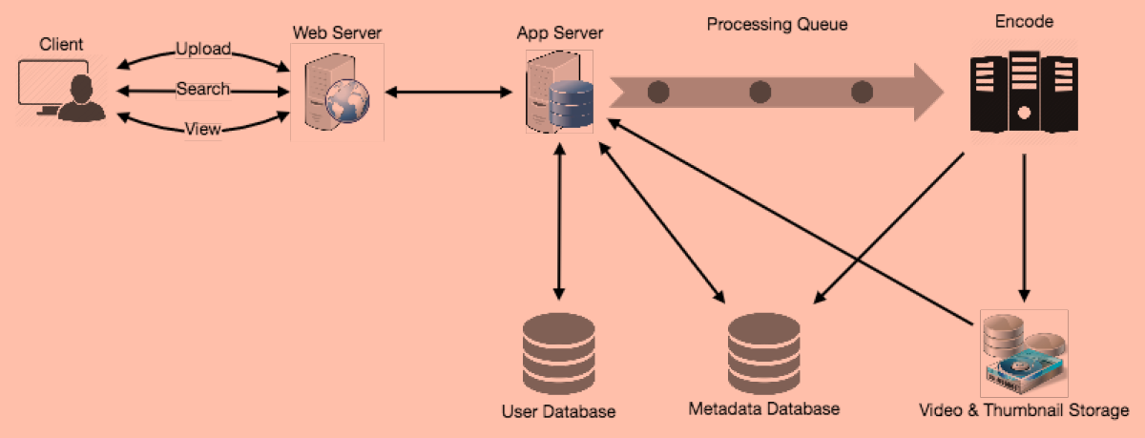
high level design

video storage
metaData storage
thumbnail storage

use HDFS (hadoop)
use master / slave
use bigTable (reasonable for huge amount of small data)

