Database Ticketing
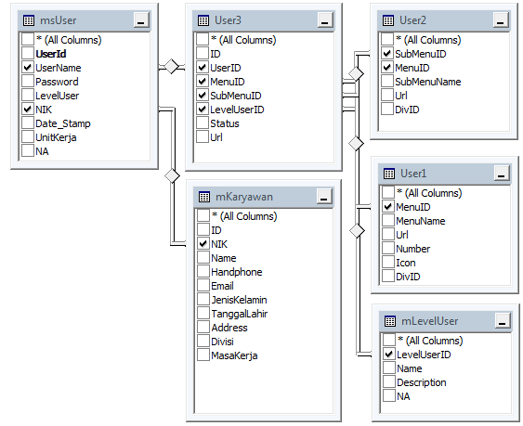
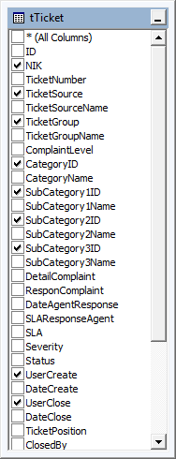
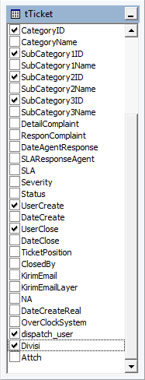

 |  |  |  | Applikasi Web Ticketing |  |  |  |  |  |  |  |  |  |  |  |  |  | (Insert Manual atau otomatis) |  |  |  |  |  | (Otomatis by sistem) |  |  |  |  |  |  |  | (Otomatis by sistem)
No | NIK | TicketNumber | TicketSource | TicketSourceName | TicketGroup | TicketGroupName | ComplaintLevel | CategoryID | CategoryName | SubCategory1ID | SubCategory1Name | SubCategory2ID | SubCategory2Name | SubCategory3ID | SubCategory3Name | DetailComplaint | ResponComplaint | DateAgentResponse | SLAResponseAgent | SLA | Severity | Status | UserCreate | DateCreate | UserClose | DateClose | TicketPosition | ClosedBy | KirimEmail | KirimEmailLayer | NA | DateCreateReal | OverClockSystem | dispatch_user | Divisi | Attch
1 | 270314 | Email-210-00000063 | Email | Email | Cus-5 | Company | Medium | CAT-10004 | Request | CT1-10004 | INVISION | CT2-10008 | CTI | CT3-10018 | Penambahan Licensed CTI | Test Description | Test Solution br | 2016-11-14 01:33:09 | 0 | 168 | Medium | Open | 10 | 2016-11-14 01:33:09 AM | 0 | NULL | 1 | 0 | NO | No | N | 2016-11-14 01:33:10 PM | NULL | 20 | WEB | E:\HELPDESK\Application\Helpdesk_Application\Upload\
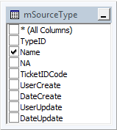
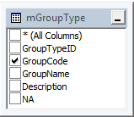
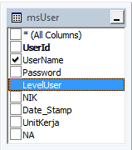
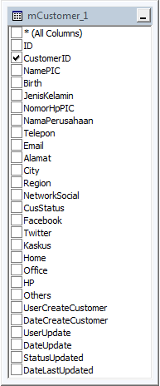
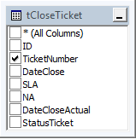
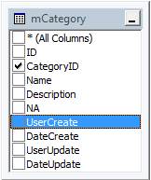
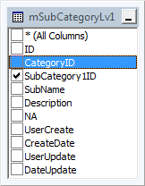
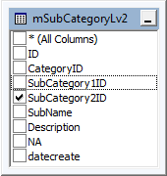
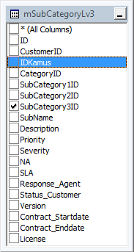
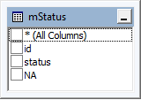
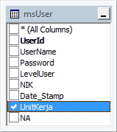

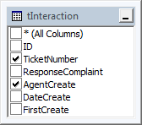

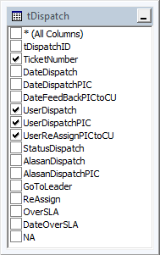
 |  |  |  | MS User Setting & Join

Database Chat
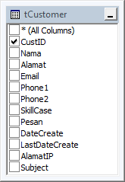
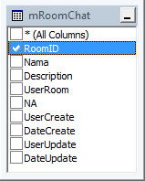
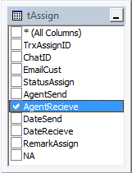
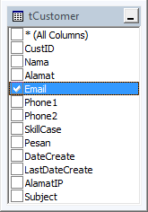
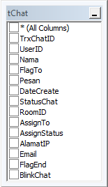

TicketNumber

 |  |  |  | Applikasi Web Chat

TrxChatID | UserID | Nama | FlagTo | Pesan | DateCreate | StatusChat | RoomID | AssignTo | AssignStatus | AlamatIP | Email | FlagEnd | BlinkChat
1 | 1367 | Rafael Berrnandez | Cust | Halo, Selamat siang bpk/ibu.. | 2016-09-28 12:26:38 PM | OpenChat | 1 | NULL | No | 192.168.25.239 | hasan@invision-ap.com | N | Read
2 | 1367 | admin | Agent | Selamat Siang, Invision Call Center bisa di bantu | 2016-09-28 12:26:38 PM | OpenChat | 1 | NULL | No | 192.168.25.239 | hasan@invision-ap.com | N | Read
3 | 1367 | Rafael Berrnandez | Cust | Saya ingin menanyakan perihal aplikasi. | 2016-09-28 12:26:38 PM | OpenChat | 1 | NULL | No | 192.168.25.239 | hasan@invision-ap.com | N | Read
4 | 1367 | admin | Agent | Selamat Siang, Invision Call Center bisa di bantu | 2016-09-28 12:26:38 PM | OpenChat | 1 | NULL | No | ::1 | hasan@invision-ap.com | N | Read

