Make Journal Entries
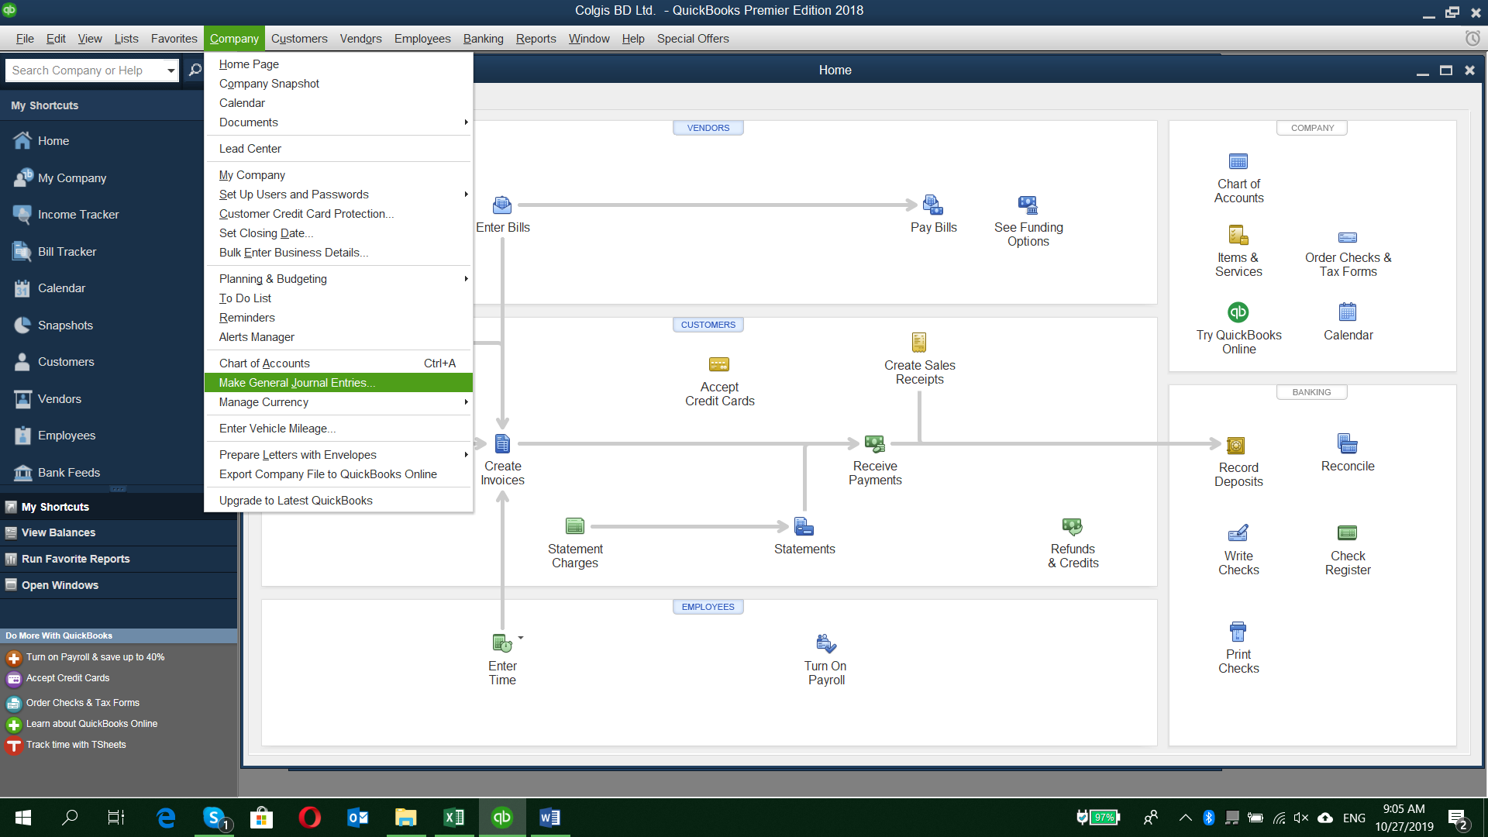

Make Journal option

Export-BS & PL
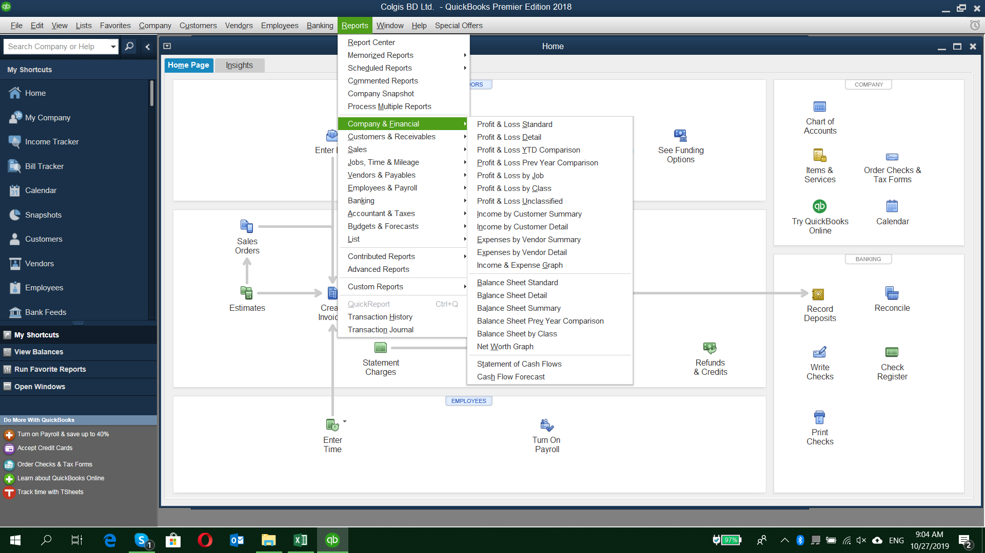

Export Balance Sheet and Profit & Loss a/c

Export-Jornal Entries
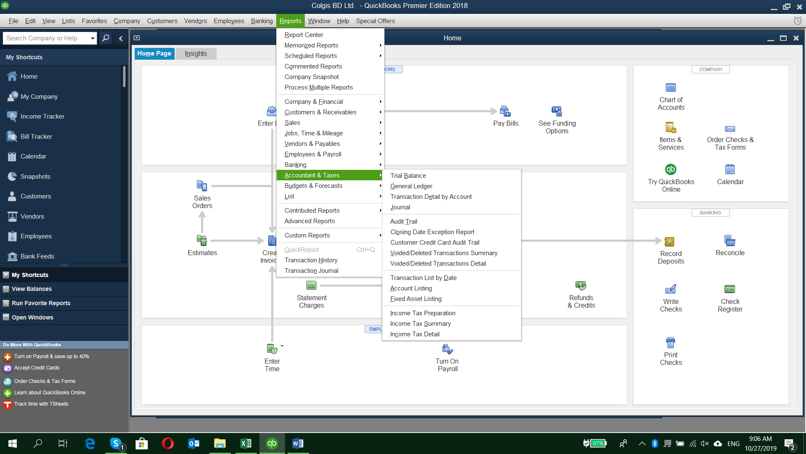

Export Journal Entries/Trial Balance/General Ledger

