Check lsit
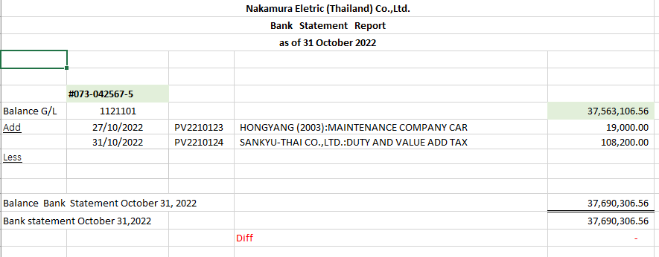
Check List for monthly Bookkeeping or review
*Please attached email by PDF, when you send FS to Japanese or clients. (some points also attach evidence *Ex, Invoice)

Company Name | Nakamura Electric Thailand Co.,Ltd

Assign date
Name | Fern san | Mai San | Wi san | Vy san | Vy san | ✔
Month | PIC1 | Cross check | Senior | leader (responsibility) | Leader check date
Oct-22 | ✔ | ✔ | ✔ | ✔ | 21-Nov-22
Nov-22
Dec-22

1. Gross profit analysis. Please see the details as follows;
*if gross profit ratio is abnormal, please recheck sales, purchase, end of inventory and so on.

Aug-22
 | Branch1 | Branch2 | ALL
TOTAL SALES | 67,964,895.31 |  | 67,964,895.31
TOTAL COST OF GOOD SOLD | 60,937,710.53 |  | 60,937,710.53
GROSS PROFIT | 7,027,184.78 | - | 7,027,184.78
GROSS PROFIT RATIO | 10.3% | 0.0% | 10.3%

Sep-22
 | Branch1 | Branch2 | ALL
TOTAL SALES | 83,286,048.47 |  | 83,286,048.47
TOTAL COST OF GOOD SOLD | 76,688,950.50 |  | 76,688,950.50
GROSS PROFIT | 6,597,097.97 | - | 6,597,097.97
GROSS PROFIT RATIO | 7.9% | 0.0% | 7.9%

Oct-22
 | Branch1 | Branch2 | ALL
TOTAL SALES | 85,963,672.50 |  | 85,963,672.50
TOTAL COST OF GOOD SOLD | 82,820,829.46 |  | 82,820,829.46
GROSS PROFIT | 3,142,843.04 | - | 3,142,843.04
GROSS PROFIT RATIO | 3.7% | 0.0% | 3.7%

2. Fixed Expense analysis is as follows;
*if expense which happen every month similar amount is abnormal or did not record, pelase carefully to check. (such as rental fee, accounting fee, Depreciation and so on)
(Please select expense by Senior staff)

 | Branch 1 |  |  | Branch 2
Month | Aug-22 | Sep-22 | Oct-22 | Aug-22 | Sep-22 | Oct-22
Salary & Wages | 2,623,050.29 | 2,638,691.55 | 2,675,614.25
Other Benefit Expense | 702,146.65 | 771,776.65 | 783,306.65
Overtime Wages | 445,122.56 | 589,230.79 | 631,245.43
Providend Fund | 60,747.00 | 57,100.00 | 59,373.00
Social Fund Expense | 101,206.00 | 101,649.00 | 62,390.00
Welfare Expense | 702,894.33 | 412,386.34 | 463,415.99
Factory Rental | 712,100.00 | 712,100.00 | 712,100.00
Electricity & Water | 223,916.47 | 156,238.00 | 180,542.91
Depreciation\n | 906,541.62 | 993,237.18 | 1,043,323.31
Repair & Maintenance | 1,716,340.19 | 1,373,576.34 | 2,505,023.42
Factory Insurance | 33,914.85 | 32,820.83 | 33,914.85
Supply Expense | 445,687.12 | 599,920.67 | 274,545.33
Packing Expense | 197,137.21 | 967,327.94 | 616,964.97
Fuel Expense | 9,000.00 | 2,510.00 | 3,000.00

Export Expense | 1,137,758.92 | 1,464,281.41 | 1,582,592.80
Royalty Expense | 991,784.00 | 840,699.00 | 701,953.00
Entertainment | 280.00 | 55,612.00 | 8,645.00
Salary & Wages | 326,533.88 | 326,994.27 | 328,345.76
Other Benefit Expense | 151,800.00 | 151,450.00 | 153,790.00
Overtime Wages | 546.26 | 2,731.26 | 114.38
Providend Fund | 3,271.00 | 3,270.00 | 3,271.00
Social Fund Expense | 2,550.00 | 750.00 | (450.00)
Welfare Expense | 7,591.06 | 28,900.35 | 43,131.07
Office Rental | 24,500.00 | 24,500.00 | 24,500.00
Office Service Expense | 37,948.72 | 56,996.05 | 26,286.72
Electricity & Water | 236,664.75 | 278,374.94 | 244,584.64
Telephone & Postage | 21,187.91 | 20,759.29 | 21,217.55
Fuel & Transportation | 38,636.60 | 40,675.60 | 43,340.20
Travelling Expense | 119,515.00 | 5,245.50 | 94,020.10
Rental car & Service | 28,540.20 | 35,322.10 | 31,499.61
Depreciation | 472,982.44 | 462,683.25 | 476,506.18
Repair & Maintenance | 5,544.37 | 9,000.00 | 3,908.80
Insurance Expense | 11,889.68 | 16,557.81 | 17,768.90
Stationery Expense | 44,286.03 | 54,699.97 | 80,661.21
Accounting Charge | 30,000.00 | - | 90,000.00
Profession Fee | 69,755.00 | 194,303.92 | 95,452.66
Bank Charge | 26,005.44 | 25,217.09 | 17,374.03
Tax & Government Fee | 4,803.00 | 5,200.00 | 6,750.00
Security Expense | 83,000.00 | 166,000.00 | 86,512.00
Other Service Charge | 93,078.74 | 145,115.02 | 57,000.28

Remark (Explanation)
 | Accounting Charge is normally 30,000 per month, but we not bookkeeping is recorded for September. Therefore bringing in an additional 30,000 baht in October
 | and in October There was an additional fee of 30,000 baht for the preparation of the PND.51 form, totaling 90,000 baht.

3. Special Expense analysis is as follows;
*If abnormal expense happened, please discribe below

Acc code | Acc name | Branch Name | THB | Reason, Reference

*Attached Evidence in email, (if have)

4. We have already checked the bank statement with GL.
*bank statement and GL amount have to be same

Acc code | Accounting name | GL | Statement | Dif
1121101 | Bangkok Bank-S/A #5675 | 37,563,106.56 | 37,690,306.56 | 127,200.00
1121102 | Bangkok Bank-S/A #1463 | 32,972.69 | 32,972.69 | -
1121103 | Bangkok Bank-S/A #USD | 9,016,499.72 | 9,016,499.72 | -
1121104 | KASIKORN BANK-S/A#6321 | 100,000.00 | 100,000.00 | -
1121201 | Bangkok Bank-C/A #6894 | - |  | -
1121301 | Bangkok Bank-F/A #9751 | 532,423.58 | 532,423.58 | -
1121302 | Bangkok Bank-F/A #3478 | 10,237,676.13 | 10,237,676.13 | -
1122101 | SMBC -S/A #5400 | 15,718,975.38 | 15,718,975.38 | -

* If GL and bank statement is not same, please let me know reason below

