TAX (Monthly & Quarterly)
MONTHLY AND QUARTERLY TAX CHECKLIST

CLIENT NAME:
Preparer Name: | Rhona May Rico |  |  | TEAM: |  |  | Deadline:
1st Reviewer Name: | Aries Fernandez |  |  | 1sts Review Date: | 04/14/2023 |  | Target Filing Date:
2nd Reviewer Name: | Cherilyn Sindayen |  |  | 2nd Review Date: | 04/14/2023 |  | Actual Filing Date:
3rd Reviewer Name: |  |  |  | 3rd Review Date: | 04/14/2023 |  | Payment Date :

Review of Taxes
1st step: Voucher should be equal to ledger
2nd Step: Ledger should be equal to balance sheet and Profit & Loss
3rd Step: Balance sheet and profit & loss should be equal to alphalist or relief or SAWT.
4th Step: Alphalist, Relief, or SAWT should be equal to tax return
Subsidiary & Source Document |  |  |  |  | PIC | 1st Review | 2nd Review | 3rd Review
Voucher |  |  |  |  | / |  | Checked | done
Ledger |  |  |  |  | N/A |  | N/A | N/A
Balance Sheet |  |  |  |  | N/A |  | N/A | N/A
Profit & Loss |  |  |  |  | N/A |  | N/A | N/A
Alphalist (0619E/1601EQ, 0619F/1601FQ, 1603Q, 1600) |  |  |  |  | N/A |  | N/A | done
Relief (2550M/2550Q) |  |  |  |  | N/A |  | N/A | N/A
SAWT(1702Q) |  |  |  |  | N/A |  | N/A | N/A
Tax return |  |  |  |  | / |  | Checked | done
Submission |  |  |  |  | PIC | 1st Review | 2nd Review | 3rd Review
Email to client the draft tax return for approval
Once approved proceed to file
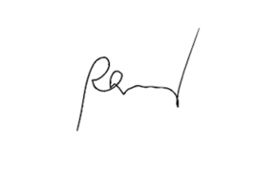
Process payment after filing, if applicable

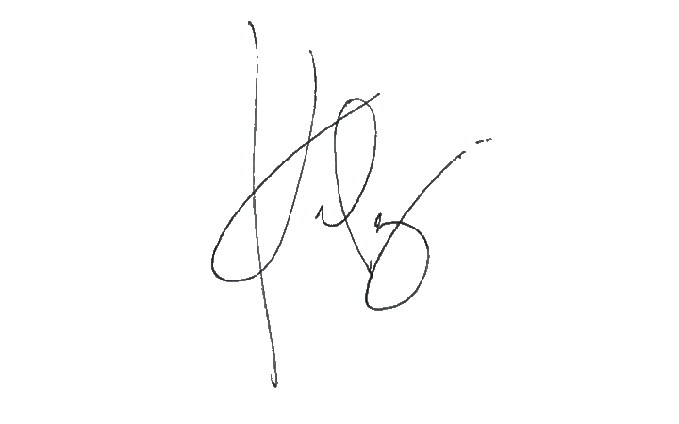
Check Applicable Item | Monthly Tax Type | eBIR | EFPS
 | 0619E | 10th | 11-15th
 | 0619F | 10th | 11-15th |  |  | PIC Signature
 | 1600 | 10th | 11-15th
 | 2550M | 20th | 21-25th |  |  | 1st Reviewer Signature

Check Applicable Item | Quarterly Tax Type | eBIR | EFPS |  |  | 2nd Reviewer Signature
 | 1601EQ | 30/31 days after end of Qtr.
 | 1601FQ | 30/31 days after end of Qtr. |  |  |  | 3rd Reviewer Signature
/ | 1603Q | 30/31 days after end of Qtr.
 | 2550Q | 25th | 25th
 | 1702Q | 60days after end of Qtr.

