Check lsit
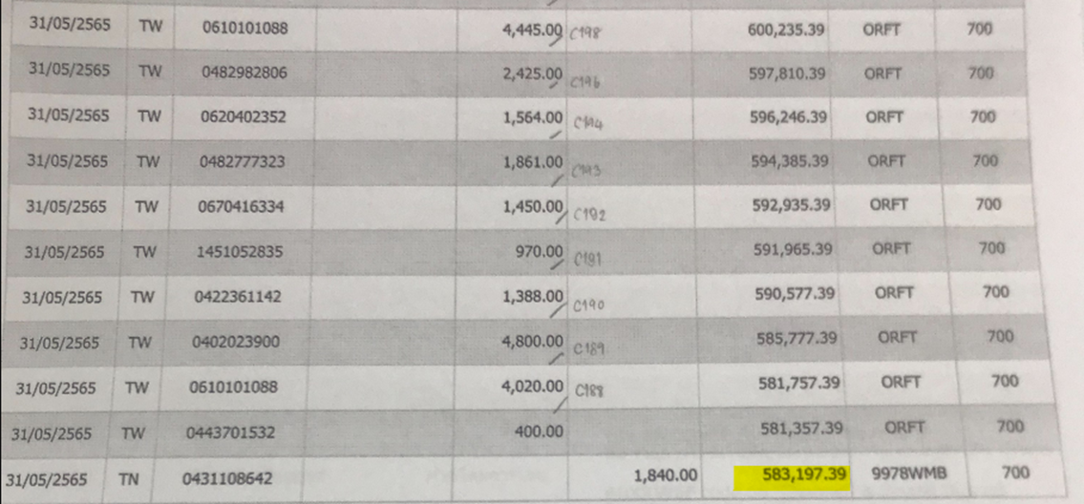
Check List for monthly Bookkeeping or review
*Please attached email by PDF, when you send FS to Japanese or clients. (some points also attach evidence *Ex, Invoice)

Company Name | Big Country Experience Co.,Ltd

Assign date
Name | Jean san | Mint san | Wi san | Vy san | Vy san | ✔
Month | PIC1 | Cross check | Senior | leader (responsibility) | Leader check date
Oct-22 | ✔ | ✔ | ✔ | ✔ | 7-Nov-22
Nov-22
Dec-22

1. Gross profit analysis. Please see the details as follows;
*if gross profit ratio is abnormal, please recheck sales, purchase, end of inventory and so on.

Mar-22
 | Branch1 | Branch2 | ALL
TOTAL SERVICES |  |  | -
TOTAL COST OF SERVICES |  |  | -
GROSS PROFIT | - | - | -
GROSS PROFIT RATIO | 0.0% | 0.0% | 0.0%

Apr-22 |  |  |  | ** TCF start bookkeeping on April
 | Branch1 | Branch2 | ALL
TOTAL SERVICES | 1,720,709.01 |  | 1,720,709.01
TOTAL COST OF SERVICES | 579,349.51 |  | 579,349.51
GROSS PROFIT | 1,141,359.50 | - | 1,141,359.50
GROSS PROFIT RATIO | 66.3% | 0.0% | 66.3%

May-22
 | Branch1 | Branch2 | ALL
TOTAL SERVICES | 1,918,311.81 |  | 1,918,311.81
TOTAL COST OF SERVICES | 1,844,347.55 |  | 1,844,347.55
GROSS PROFIT | 73,964.26 | - | 73,964.26
GROSS PROFIT RATIO | 3.9% | 0.0% | 3.9%

2. Fixed Expense analysis is as follows;
*if expense which happen every month similar amount is abnormal or did not record, pelase carefully to check. (such as rental fee, accounting fee, Depreciation and so on)
(Please select expense by Senior staff)

 | Branch 1 |  |  | Branch 2
Month | Mar-22 | Apr-22 | May-22 | Mar-22 | Apr-22 | May-22
6050-00 Rent expense |  | 37,030.18 | 201,495.33
5360-08 Service Fee |  | 19,000.00 | 19,000.00
6120-00 Insurance expense |  | 1,200.00 | -
6100-00 Depreciation-Building |  | 2,559.67 | 2,644.99
6100-01 Depreciation-Furniture & Fixtures |  | 2,138.14 | 2,209.41
6100-02 Depreciation-Office Equipment |  | - | 540.34
6101-00 Goodwill Amortization |  | 284,501.11 | 293,984.48
5310-18 Paking fee |  | - | 9,345.79
5320-10 Office Expenses |  | - | 24,309.79
5360-04 Bank Charge |  | - | 200.00
6060-00 Utilities expense |  | - | 2,519.75
Remark (Explanation)

3. Special Expense analysis is as follows;
*If abnormal expense happened, please discribe below

Acc code | Acc name | Branch Name | THB | Reason, Reference
6050-00 | Rent expense |  | 201,495.33 | Increased expenses due to April (first month) BigCX does not have
5320-10 | Office Expenses |  | 24,309.79 | Any expenses attached Therefore, the account is recorded only with the attached document.
6060-00 | Utilities expense |  | 2,519.75 | Items without attachments and cannot be matched with the bank
5101-00 | Tour activity - Ticket |  | 197,050.00 | so, some expenses are recorded as prohibited expenses.
5202-00 | Transportation - Car |  | 439,008.00
5203-00 | Transportation - Ferry |  | 148,467.04
5204-00 | Transportation - Boat |  | 61,846.00
5205-00 | Transportation - High way fee |  | 5,170.00
5208-00 | Transportation - Gasolin fee |  | 38,300.00
5301-00 | Food & Hotel - Meal for tourist |  | 79,057.00
5401-00 | Guide fee |  | 296,100.00

*Attached Evidence in email, (if have)

4. We have already checked the bank statement with GL.
*bank statement and GL amount have to be same

Acc code | Accounting name | GL | Statement | Dif
1112-01 | Krungsri C/A 677-1-09813-6 | 583,197.39 | 583,197.39 | -
 |  |  |  | -
 |  |  |  | -

* If GL and bank statement is not same, please let me know reason below

