Product Create API
Sample :
 | Request Payload : |  | Test Evidence
 | { "productTitle": "Apple Iphone", "productName": "Iphone16 Pro", "productPrice": "7000", "productQuantity": "1", "status":true }

 | Response Payload :
 | { "data": { "productId": 5, "productName": "Iphone16 Pro", "productTitle": "Apple Iphone", "productPrice": 7000, "productQuantity": "1", "status": true, "createdDate": "1970-01-01T00:00:00.000+00:00", "modifiedDate": "1970-01-01T00:00:00.000+00:00" }, "resultCode": 1, "message": "Operation Success" } | 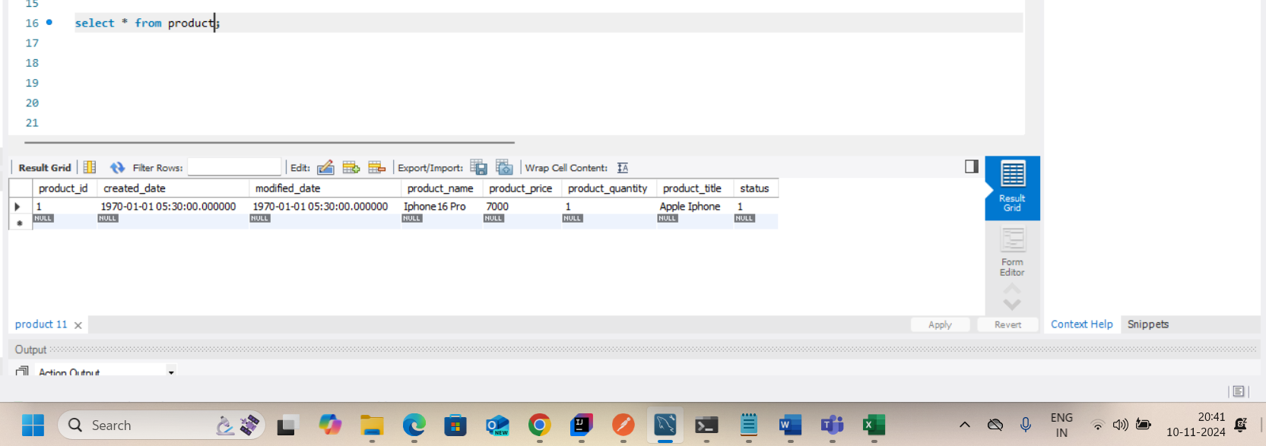

Product Update API
Sample :
 | Request Payload : |  | Test Evidence
 | { "productId": "1", "productTitle": "Apple Iphone", "productName": "Iphone16 Pro", "productPrice": "6000", "productQuantity": "1", "status":true }

 | Response Payload :
 | { "data": { "productId": 1, "productName": "Iphone16 Pro", "productTitle": "Apple Iphone", "productPrice": 6000, "productQuantity": "1", "status": true, "createdDate": "1970-01-01T00:00:00.000+00:00", "modifiedDate": "1970-01-01T00:00:00.000+00:00" }, "resultCode": 1, "message": "Operation Success" } | 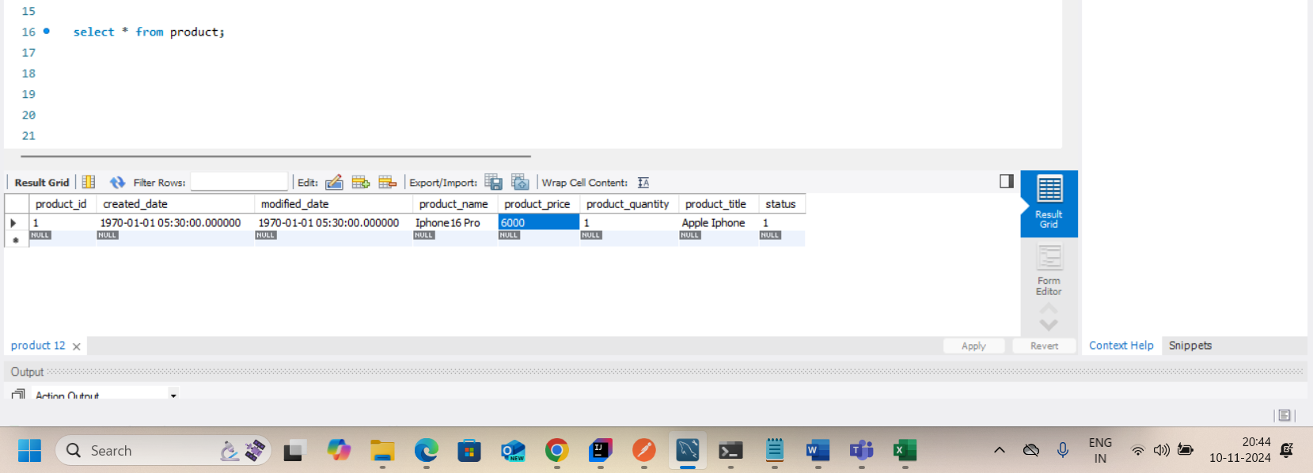

Product GetProd API
Sample :
 | Request Payload : |  | Test Evidence

 | Response Payload :
 | { "data": [ { "productId": 4, "productName": "Iphone16 Pro Max", "productQuantity": "1", "productTitle": "Apple Iphone", "productPrice": 6000, "status": true, "createdDate": null, "modifiedDate": null }, { "productId": 6, "productName": "Iphone16 Pro", "productQuantity": "1", "productTitle": "Apple Iphone", "productPrice": 7000, "status": true, "createdDate": null, "modifiedDate": null } ], "resultCode": 1, "message": "Operation Success" } | 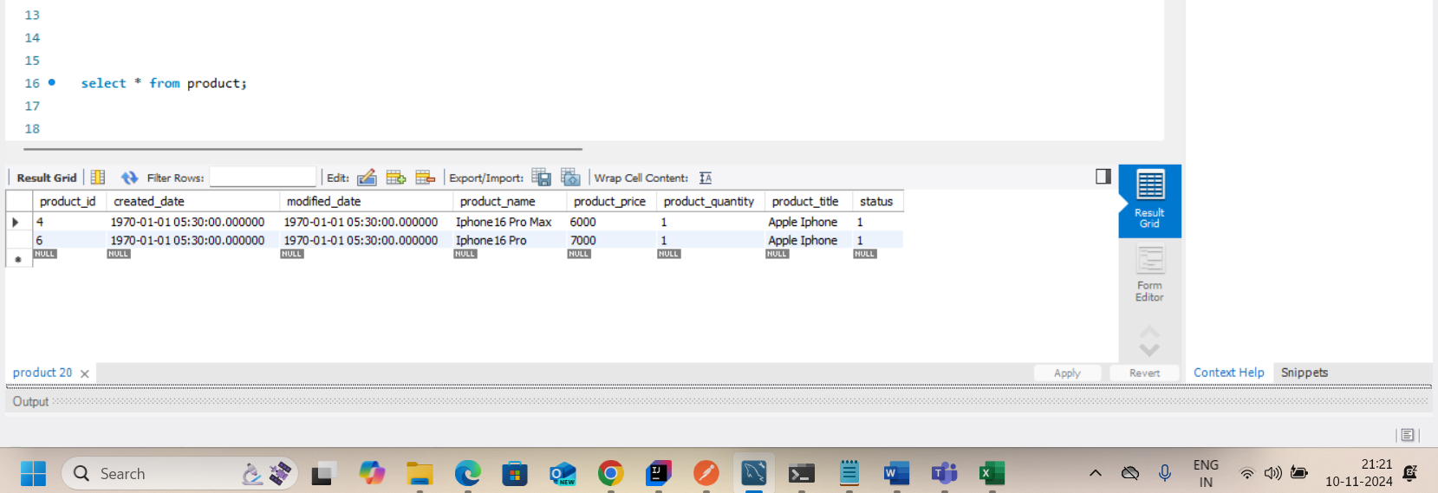

Customer Create API
Sample :
 | Request Payload : |  | Test Evidence
 | { "custFirstName":"abcd", "custLastName":"bank1", "custMobNo":"1301", "custEmail":"sdfgh", "status":true }

 | Response Payload :
 | { "data": { "custId": 1, "custLastName": "bank1", "custMobNo": "1301", "custEmail": "sdfgh", "custStatus": null, "custCreatedDate": null, "custFirstName": "abcd" }, "resultCode": 1, "message": "Operation Success" } | 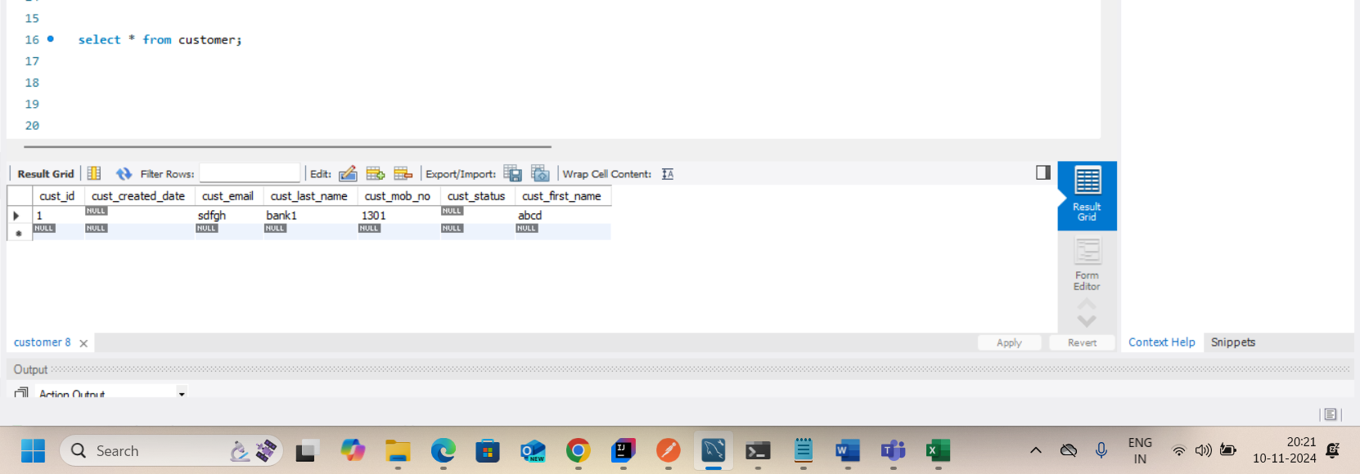

Customer Update API
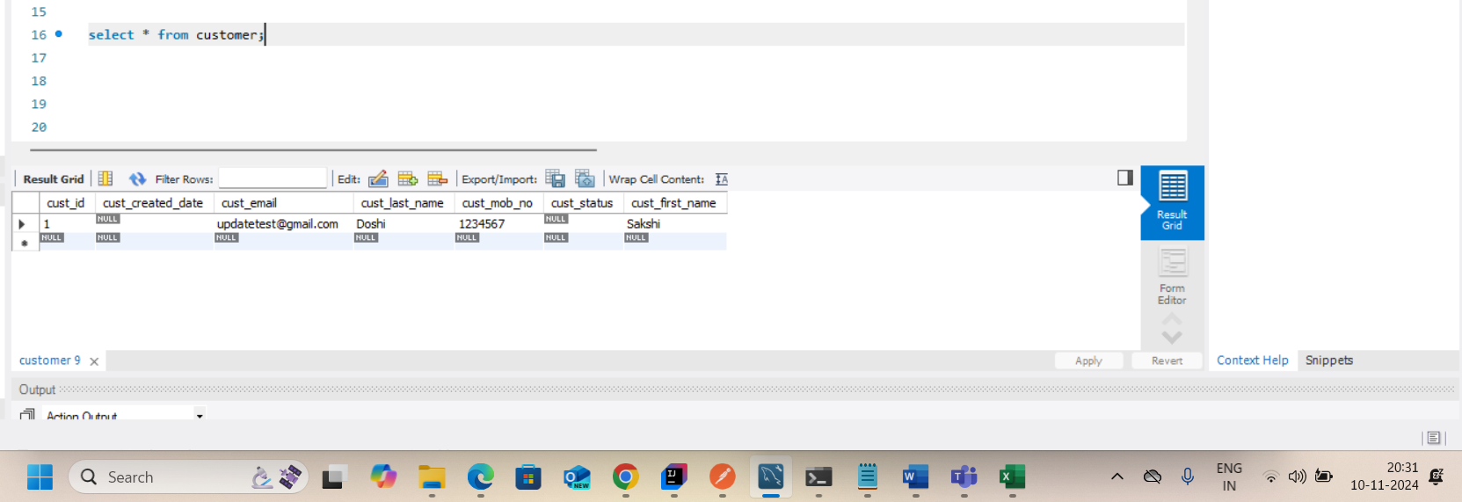
Sample :
 | Request Payload : | Test Evidence
 | { "custId": 1, "custFirstName":"Sakshi", "custLastName":"Doshi", "custMobNo":"1234567", "custEmail":"updatetest@gmail.com", "status":true }

 | Response Payload :
 | { "data": { "custId": 1, "custLastName": "Doshi", "custMobNo": "1234567", "custEmail": "updatetest@gmail.com", "custStatus": null, "custCreatedDate": null, "custFirstName": "Sakshi" }, "resultCode": 1, "message": "Operation Success" }

Customer GetCust API
Sample :
 | Request Payload : |  | Test Evidence

 | Response Payload :
 | { "data": [ { "custId": 1, "custFirstName": "Sakshi", "custLastName": "Doshi", "custMobNo": "1234567", "custEmail": "updatetest@gmail.com", "custStatus": null, "custCreatedDate": null } ], "resultCode": 1, "message": "Operation Success" } | 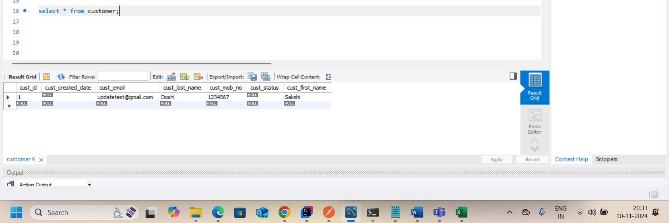

Customer Delete API
Sample :
 | Request Payload : | Test Evidence

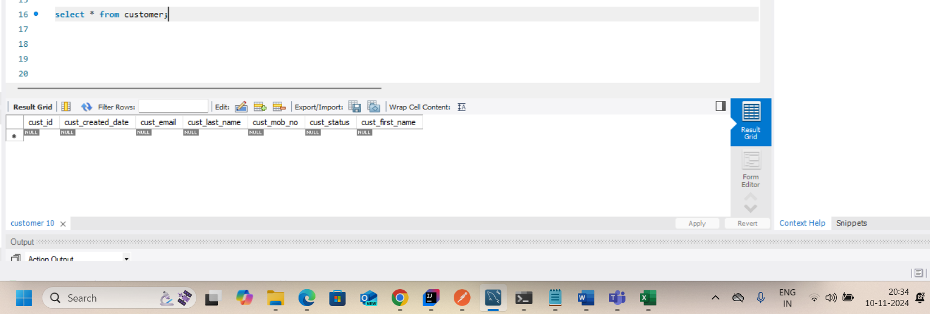
 | Response Payload :
 | { "data": 1, "resultCode": 1, "message": "Operation Success" }

Custom_Exception_Handling
