DASHBORAD
 |  |  | Analysis Report of Young Lives On Education Sector of Veitnam |  |  |  |  |  |  |  |  |  |  |  |  | 2022-05-16

CLASS ROSTER CHART
GRLENRL | 77705 | 94760 | 172465
BOYENRL | 89136 | 76502 | 165638
TTLENRL | 167629 | 171553 | 339182
 |  |  |  |  |  |  |  |  | /*REPORT ON BASIS OF ENGLISH TEACHER BACKGROUND*/ |  |  |  |  |  | /* Analysis Report of Class Roster on the basis enrolment */ |  | Data Bars
CITY | ENG_RAWSCORE | MATH_RAWSCORE | RELIGION | GENDER | n | Interview Round |  |  | UNIQUEID | ENG_TEACHER_ID | TEACHER_SUB | ENG_STUDY | TEACHER_EXP | LEAVE_REASON |  |  | TEACHER_SUB | ENG_STUDY
CAN THO CITY | 98.54 % | 98.54 % | Christian (Protestant) | 81 |  |  |  |  | VN3326211 | 1 | 2.00 | 3.00 | 6 | 2.00 |  |  | 2.00 | 3.00
DA NANG CITY | 55.80 % | 55.80 % | Christian (Catholic) | 87 |  |  |  |  | VN3326212 | 1 | 2.00 | 3.00 | 6 | 2.00 |  |  | 2.00 | 3.00
HAIPHONG CITY | 45.89 % | 45.89 % | No religion | 356 |  |  |  |  | VN3326209 | 1 | 2.00 | 3.00 | 6 | 2.00 |  |  | 2.00 | 3.00
HANOI CITY | 48.28 % | 48.28 % | Buddhist | 1291 |  |  |  |  | VN3326210 | 1 | 2.00 | 3.00 | 6 | 2.00 |  |  | 2.00 | 3.00
HO CHI MINH CITY | 83.69 % | 83.69 % | No religion | 6925 |  |  |  |  | VN3326215 | 1 | 2.00 | 3.00 | 6 | 2.00 |  |  | 2.00 | 3.00
Grand Total | 66.44 % | 66.44 % |  |  |  |  |  |  | VN3326216 | 1 | 2.00 | 3.00 | 6 | 2.00 |  |  | 2.00 | 3.00

TEACHER BACKGROUND KPI
 |  |  |  |  |  |  |  |  | VN3326213 | 1 | 2.00 | 3.00 | 6 | 2.00 |  |  | 2.00 | 3.00
 |  |  |  |  |  |  |  |  | VN3326214 | 1 | 2.00 | 3.00 | 6 | 2.00 |  |  | 2.00 | 3.00
 |  |  |  |  |  |  |  |  | VN3326203 | 1 | 2.00 | 3.00 | 6 | 2.00 |  |  | 2.00 | 3.00
 |  |  |  |  |  |  |  | E | VN3326204 | 1 | 2.00 | 3.00 | 6 | 2.00 |  |  | 2.00 | 3.00
 |  |  |  |  |  |  |  | D | VN3326201 | 1 | 2.00 | 3.00 | 6 | 2.00 |  |  | 2.00 | 3.00
 |  |  |  |  |  |  |  | U | VN3326202 | 1 | 2.00 | 3.00 | 6 | 2.00 |  |  | 2.00 | 3.00
 |  |  |  |  |  |  | V | C | VN3326207 | 1 | 2.00 | 3.00 | 6 | 2.00 |  |  | 2.00 | 3.00
 |  |  |  |  |  |  | I | A | VN3326208 | 1 | 2.00 | 3.00 | 6 | 2.00 |  |  | 2.00 | 3.00
 |  |  |  |  |  |  | E | T | VN3326205 | 1 | 2.00 | 3.00 | 6 | 2.00 |  |  | 2.00 | 3.00
 |  |  |  |  |  |  | T | I | VN3326206 | 1 | 2.00 | 3.00 | 6 | 2.00 |  |  | 2.00 | 3.00
 |  |  |  |  |  |  | N | O | VN3326217 | 1 | 2.00 | 3.00 | 6 | 2.00 |  |  | 2.00 | 3.00
 |  |  |  |  |  |  | A | N | VN3326228 | 1 | 2.00 | 3.00 | 6 | 2.00 |  |  | 2.00 | 3.00
 |  |  |  |  |  |  | M |  | Total/Avg | 18 | 2.00 | 3.00 | 6.00 | 2.00 |  |  | 2.00 | 3.00

 | Ben Tre | Da Nang | Hung Yen | Lao Cai | Phu Yen
 | 9 | 8 | 6 | 12 | 13
 | 10 | 14 | 14 | 14 | 14
 |  |  |  |  |  |  |  |  |  | /* No of Schools Participate , by province */
 |  |  |  |  |  | MATHS CLASSES
 |  |  |  |  |  | RELIGION |  |  | GENDER
 |  |  |  |  |  | Christian (Protestant) |  |  | 79
 |  |  |  |  |  | No religion |  |  | 79
 |  |  |  |  |  | Buddhist |  |  | 550
 |  |  |  |  |  | No religion |  |  | 8032



SUBMITTED BY SAKSHI SINGH M.SC. DATA SCIENCE STUDENT ID - @00654696

REPORT_3
 | Analysis Report of Young Lives On Education Sector of Veitnam

 | Sum of MATH_RAWSCORE | Sum of ENG_RAWSCORE
CAN THO CITY | 86.64 | 98.54
DA NANG CITY | 53.43 | 55.8
HAIPHONG CITY | 49.89 | 45.89
HANOI CITY | 42.71 | 48.28
HO CHI MINH CITY | 67.09 | 83.69
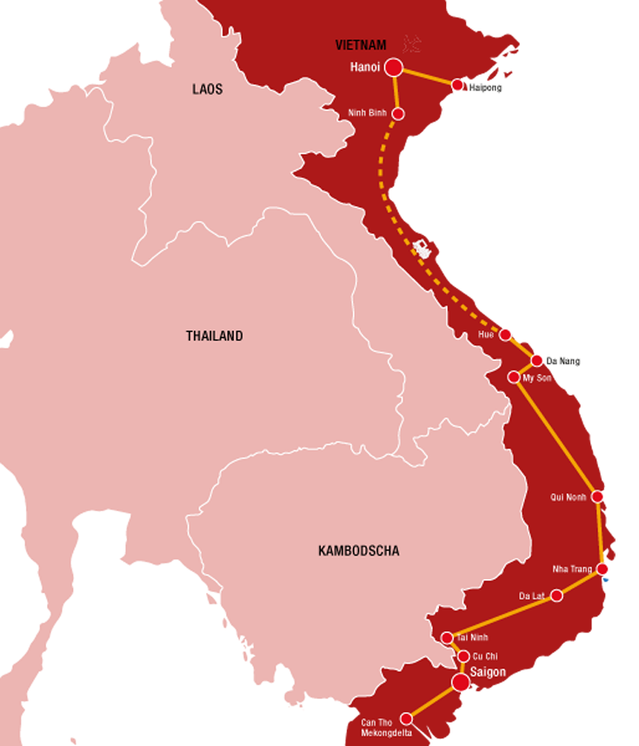


SUBMITTED BY SAKSHI SINGH M.SC. DATA SCIENCE | STUDENT ID - @00654696

