PDG

 |  |  |  |  |  |  |  |  |  |  |  |  |  | Version Template : | v 20180531
 |  |  |  |  |  |  |  |  |  |  |  |  |  |  | WarRoom Janvier 2019
 |  |  |  |  |  |  |  |  |  | DIMENSION DES BAIES |  | 600x600 | 800x600 |  | TPL_DIS_PR type L111 1 Baie 600X600.xlsm

DATE | VERSION | ONGLET | DESCRIPTION | ACTEUR
2023-05-24 | 0 | Tous | VERSION 0.00 | SBE-OCWS |  |  |  |  |  | BAIE EXISTANTE
 |  |  |  |  |  |  |  |  |  | CREATION |  | X
 |  |  |  |  |  |  |  | INDICE: | 0.00
 |  |  |  |  | RTE PROJET INUIT

 |  |  |  |  | AIRE 10O

 |  |  |  |  | DIS V0 OCWS

 |  |  |  |  | BEZON

REMARQUES:

 |  |  |  |  |  |  | POUR INFORMATION:

 |  |  |  |  |  | ALIMENTATIONS PREVUES BASE DIS |  |  |  | ALIMENTATIONS ORDONNEES PAR RTE (SUITE VISITE DE SITE)

 |  |  |  |  |  | -48VCC TCM | +48VCC CTR | 230V HQ | 230V DOM | -48VCC TCM | +48VCC CTR | 230V HQ | 230V DOM

 |  |  |  |  | E1 | X

 |  |  |  |  | E2 | X

 |  |  |  |  | E4 |  |  |  | X

VERSION ACTUEL: | V0.00
DATE ACTUEL: | 2023-05-24

INDEX
i |  | INDEX

 | BEZON |  | 10O |  | LAT | 47°54'24,6" N |  |  | LON | 2°24'59,7" W

 | Nom |  | BEZON |  | Région |  | OUEST
 | Adresse |  | LES LANDELLES |  | Gdp |  | POTEAU ROUGE
 | Cp/Ville |  | 56800/PLOERMEL |  | Gmr |  | BRETAGNE
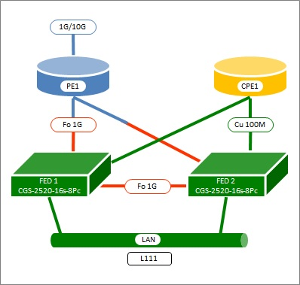
 |  |  |  |  | Niveau |  | A | Typologie |  | L111
 |  |  |  |  | Classe |  | C1
 |  |  |  |  | POX |  | MX | PE1 |  | SAR-8
 |  |  |  |  | Type |  | PA | CPE1 |  | LBB 210
 |  |  |  |  | SVPN |  |  | Ref OBS |  | TBD
 |  |  |  |  | Antenne
 |  |  |  |  | SSU |  |  | FED1 |  | CGS-2520-16S-8PC
 |  |  |  |  |  |  |  | FED2 |  | CGS-2520-16S-8PC

 |  |  |  | L111
 |  |  |  | L111_600x600

TOPOPE
FED1
PE1
FED2
CPE1
TBD
K |  | TOPOPE
ID | CH | EXTR | SITE | EQP | CAT-L | SERV | DEBIT | KM | PORT | RO | TYPE_LIEN | SCHEMA TOPOLOGIE
1 | 1 | A | BEZON | PE1 | PE-FED | L | 1G | 0 | 1/1/8 |  | P
2 | 1 | Z | BEZON | FED1 | PE-FED | L | 1G | 0 | 1 |  | P
3 | 2 | A | BEZON | PE1 | PE-FED | L | 1G | 0 | 1/1/7 |  | P
4 | 2 | Z | BEZON | FED2 | PE-FED | L | 1G | 0 | 1 |  | P
5 | 3 | A | BEZON | FED1 | FED-FED | L | 1G | 0 | 2 |  | P
6 | 3 | Z | BEZON | FED2 | FED-FED | L | 1G | 0 | 2 |  | P
52km
'SUPP-OPTINUIT-019825
PE1
THEIX
7 | 4 | A | BEZON | CPE1 | CPE-FED | A | 1G |  | G0/0 |  | P
106km
'SUPP-OPTINUIT-021082
PE2
COR.P
8 | 4 | Z | BEZON | FED1 | CPE-FED | A | 1G |  | 24x |  | P
9 | 5 | A | BEZON | CPE1 | CPE-FED | A | 1G |  | G0/1 |  | P
10 | 5 | Z | BEZON | FED2 | CPE-FED | A | 1G |  | 24x |  | P
11 | 6 | A | BEZON | PE1 | WAN | A | 1G |  | 1/1/1 | 'SUPP-OPTINUIT-019825 | P
12 | 6 | Z | THEIX |  | WAN | A | 1G |  |  | 'SUPP-OPTINUIT-019825 | P
13 | 7 | A | BEZON | PE1 | WAN | A | 1G |  | 1/1/2 | 'SUPP-OPTINUIT-021082 | P
14 | 7 | Z | COR.P |  | WAN | A | 1G |  |  | 'SUPP-OPTINUIT-021082 | P

PLANSALLE
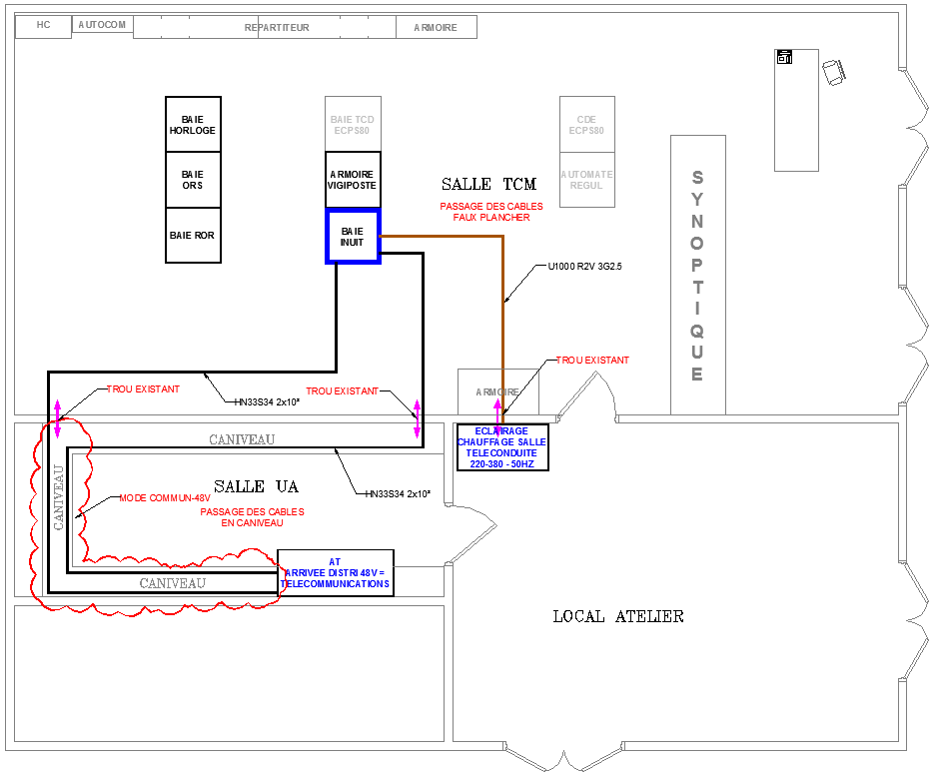
` | PLANSALLE

PLANFIBRE
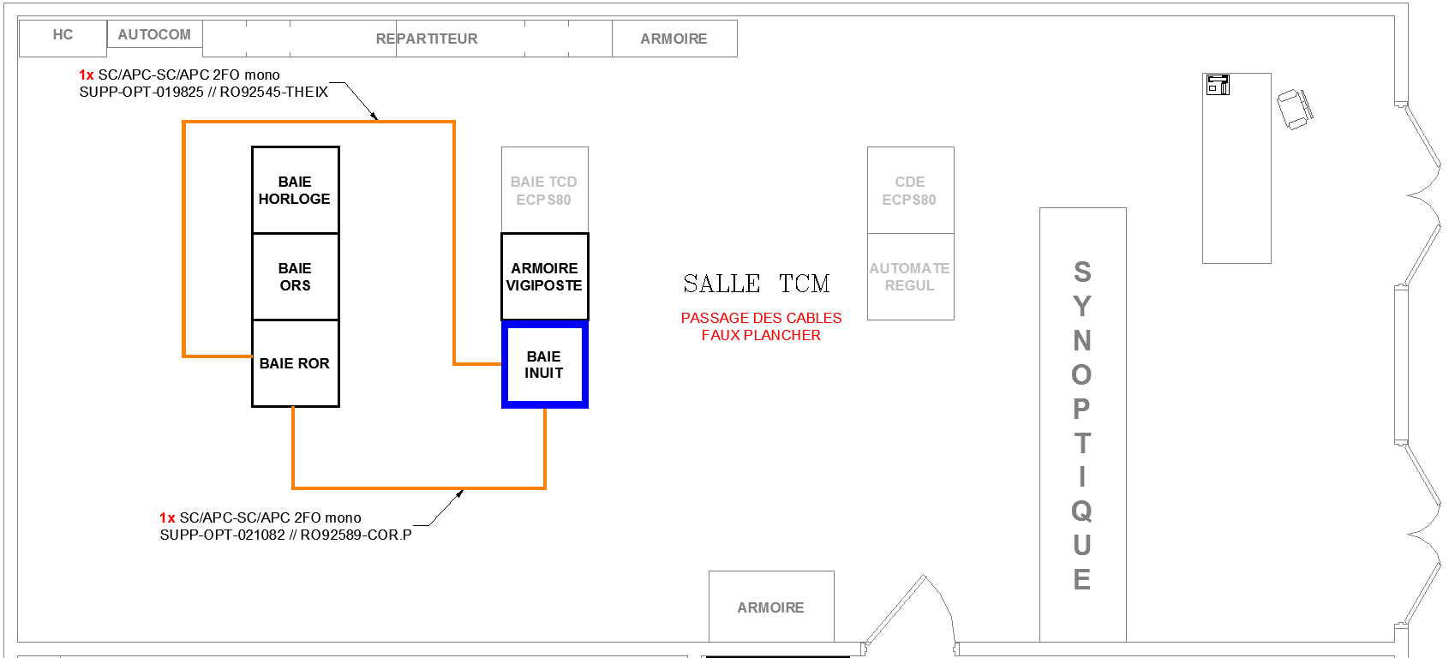
` | PLAN FIBRE

RACCORDEMENT
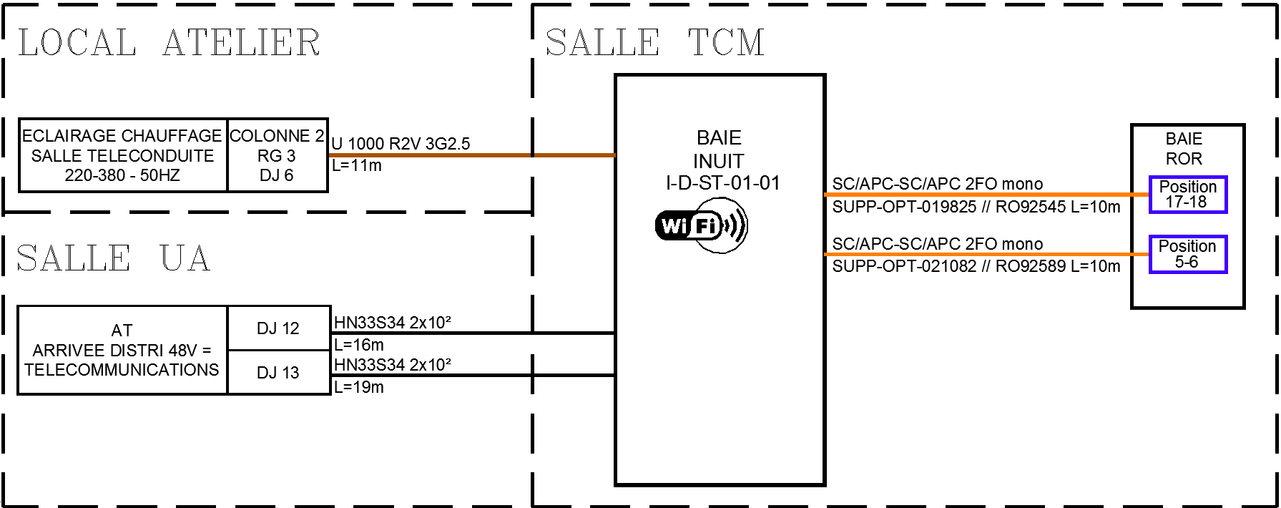
` | RACCORDEMENT

BEB BAIE-I-D-ST-01-01
` | BEB

FED1
22x
21x
24x
2
E-IE-4010-16S-12P-000001
01501
Boitier Alarme
Alarm
1
2
3
4
B1
WIFI
1
01301
ALARM
1
OND1
MGMT
E-AXILEK-OND230V-000001
E-CAP1832I-S-003891

FED2
24x
2
E-IE-4010-16S-12P-000002
1

01701

03101
03201
RPCN1
CPE1
G0/0
SDSL
3-4
G0/1
SDSL
1-2
Liaison Nominale
TBD
Tête D/00008 Amorce 1
DIG 1
Line
Term
DIG 2
Line
Term
Paire 1
Paire 2
03701
Tête D/00008 Amorce 1
DIG 1
Line
Term
DIG 2
Line
Term
Paire 1
Paire 2
03801
E-RTR OPERE-000001
01601
03001

PE1
1/1/8
X.21
1/1/2
1/1/1
1/1/7
E-7705SAR-8-000001

CAD 1-2
CAD 3-4
CAD 5-6
CAD 7-8

03301
03401

RPOB1
1
4
5
6
7
8
9
10
11
12
2
3

''SUPP-OPTINUIT-019825
17
18
THEIX
I
''SUPP-OPTINUIT-021082
5
6
COR.P
II

BEBELEC
` | BEBELEC

E-BDEL-000001
D01
D02
D03
D04
D05
D06
D11
D12
D13
D14
D15
D16
E1
E2
E-PC-6PC 2P+T-000001
UA-48V-TCM
E-IE-4010-16S-12P-000002
AL1
AL2
E-7705SAR-8-000001
AL1
AL2
E-IE-4010-16S-12P-000001
AL1
AL2
DISJ
04301
04501
04701
04201
04401
04601
48V
230V domestique
03901
E4
04001
#REF!
04101
AL1
E-RTR OPERE-000001

9PC 2P+T-000001

E-AXILEK-OND230V-000001

05401

UA-48V-TCM

48V

 |  | E-BDEL-01
 |  | E1 |  |  |  | E2
 |  | DISJ | Calibre | Puissance | Intensité | DISJ | Calibre | Puissance | Intensité
 |  | D01 | 10 A | 100 W | 2.08 A | D11 | 10 A | 100 W | 2.08 A
 |  | D02 | 10 A | 200 W | 4.17 A | D12 | 10 A | 200 W | 4.17 A
 |  | D03 | 10 A | 100 W | 2.08 A | D13 | 10 A | 100 W | 2.08 A
 |  | D04 | 10 A | 50 W | 1.04 A | D14 | 10 A | Réserve | Réserve
 |  | D05 | 10 A | Réserve | Réserve | D15 | 10 A | Réserve | Réserve
 |  | D06 | 10 A | Réserve | Réserve | D16 | 10 A | Réserve | Réserve

BANDEAUX SERVICES
` | BANDEAUX SERVICES
SCHEMA TOPOLOGIE

FED1
4x
3x
2x
1x
8x
7x
6x
5x
16x
15x
14x
13x
12x
11x
10x
9x
24x
23x
22x
21x
20x
19x
18x
17x
RPCE1
4
3
2
1
8
7
6
5
16
15
14
13
12
11
10
9
24
23
22
21
20
19
18
17
RPOS1
7-8
5-6
3-4
1-2
11-12
9-10
E-IE-4010-16S-12P-000001
00601
00501
01201
01101
01001
00901
00801
00701
00401
00301
00201
00101

FED2
4x
3x
2x
1x
8x
7x
6x
5x
16x
15x
14x
13x
12x
11x
10x
9x
24x
23x
22x
21x
20x
19x
18x
17x
RPCE2
4
3
2
1
8
7
6
5
16
15
14
13
12
11
10
9
24
23
22
21
20
19
18
17
RPOS2
7-8
5-6
3-4
1-2
11-12
9-10
E-IE-4010-16S-12P-000002
02401
02501
02601
02701
02801
02901
02201
02301
01801
01901
02001
02101

TAC X.21
` | TAC X.21
SCHEMA TOPOLOGIE

PE1
Port 1-3
Port 10-12
Port 7-9
Port 4-6
RPCN1
1
4
3
2
5
6
E-7705SAR-8-000001

