FuelCostCalc
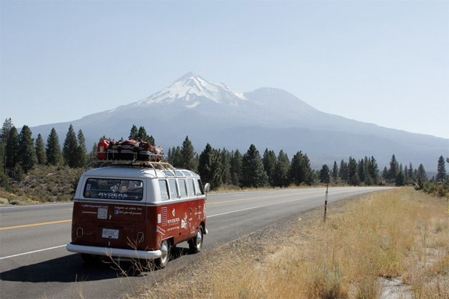
Fuel Cost Calculator
We have a road trip coming up. |  | Formula = | Total Miles of Stretch / Miles per Gallon * Local Cost per Gallon
We're taking three cars

Vehicle | Average Miles Per Gallon | Stretch | Car | Miles | Local Cost / Gallon | Cost
Prius C | 51 | CA to OR | Prius | 492 | $2.86
Mustang Convertible | 29 | CA to OR | Mustang | 492 | $2.86
RV | 9 | CA to OR | RV | 492 | $2.86

 |  | OR to WA | Prius | 328 | $2.53
 |  | OR to WA | Mustang | 328 | $2.53
 |  | OR to WA | RV | 328 | $2.53

 |  | WA to ID | Prius | 774 | $2.65
 |  | WA to ID | Mustang | 774 | $2.65
 |  | WA to ID | RV | 774 | $2.65

 |  | ID to NV | Prius | 663 | $2.47
 |  | ID to NV | Mustang | 663 | $2.47
 |  | ID to NV | RV | 663 | $2.47

 |  | NV to SF | Prius | 569 | $2.56
 |  | NV to SF | Mustang | 569 | $2.56
 |  | NV to SF | RV | 569 | $2.56

 |  |  |  |  |  | $-

PercentChange
Percent Change Over Time

 | Lets calculate the change in snowfall in Tahoe for the last few years
 | Snowfall in inches | Percent Change
2009 | 424
2010 | 337
2011 | 301
2012 | 334
2013 | 200
2014 | 133
 | Year | Snowfall in inches | Percent Change
 | 2009 | 424
 | 2010 | 337
 | 2011 | 301
 | 2012 | 334
 | 2013 | 200
 | 2014 | 133

 | PercentChange = (Current - Previous) / Previous

Working Capital
 | Working Capital | Percent Change
 | $(69,183.00)
 | $(65,812.00)
 | $(51,442.24)
 | $(17,679.23)
 | $49,267.25
 | $171,892.43
 | $386,705.68

 | Change in Working Capital

 | Year | Assets | Liabilities | Working Capital | Percent Change
 | 2010 | $43,019.00 | $112,202.00 | $(69,183.00)
 | 2011 | $68,830.40 | $134,642.40 | $(65,812.00)
 | 2012 | $110,128.64 | $161,570.88 | $(51,442.24)
 | 2013 | $176,205.82 | $193,885.06 | $(17,679.23)
 | 2014 | $281,929.32 | $232,662.07 | $49,267.25
 | 2015 | $451,086.91 | $279,194.48 | $171,892.43
 | 2016 | $721,739.06 | $335,033.38 | $386,705.68

SurfaceArea
Paint Calculator
Painting your house and don't know how much paint you'll need?
Make a function to calculate surface area of your house!


25'

Measurements
Height House Square Block | 10
Height Roof Triangle Block | 8
8'
Width of House | 15
Depth of House | 25

10'

15'

