Input_Analysis
Input Data Analysis
Descriptive statistics and operational profiles derived from the 350-observation collection base.

Variable | n | Mean | Median | Std Dev | Min | P25 | P75 | Max
Interarribo_min | 350 | 30.68 | 17.25 | 37.57 | 0.00 | 6.40 | 37.77 | 247.30
Toma_Pedido_min | 350 | 4.40 | 4.30 | 1.10 | 2.00 | 3.60 | 5.10 | 7.10
Comanda_min | 350 | 2.39 | 2.00 | 0.88 | 1.00 | 2.00 | 3.00 | 4.00
Preparacion_min | 350 | 12.98 | 12.70 | 2.87 | 6.30 | 10.83 | 14.78 | 22.00
Consumo_min | 350 | 51.47 | 50.50 | 10.90 | 29.20 | 44.02 | 58.40 | 78.00
Pago_min | 350 | 3.16 | 3.10 | 1.04 | 1.00 | 2.30 | 3.90 | 7.70
Tiempo_Reocupacion_Mesa_min | 350 | 9.31 | 9.15 | 2.29 | 4.70 | 7.70 | 10.88 | 15.90
Tiempo_Total_Mesa_min | 350 | 83.71 | 83.10 | 12.07 | 56.90 | 75.30 | 91.45 | 115.50
Distancia_Ruta_m | 350 | 26.51 | 26.70 | 3.74 | 18.00 | 23.40 | 29.50 | 33.90

Activity | Mean min | Median min | P75 min | Modeling relevance |  | Franja_Horaria | Observations | Probability | Avg Interarrival | Avg Total Table Time
Order taking | 4.4 | 4.30 | 5.10 | Direct activity time input |  | Breakfast | 23.00 | 6.6% | 62.47 | 78.06
Command | 2.39 | 2.00 | 3.00 | Direct activity time input |  | Midday | 67.00 | 19.1% | 46.41 | 81.61
Preparation | 12.98 | 12.7 | 14.78 | Direct activity time input |  | Lunch | 102 | 29.1% | 27.27 | 80.88
Consumption | 51.47 | 50.5 | 58.4 | Direct activity time input |  | Afternoon | 36 | 10.3% | 35.36 | 81.16
Payment | 3.16 | 3.1 | 3.9 | Direct activity time input |  | Evening | 122 | 34.9% | 17.53 | 89.06
Table reoccupation | 9.31 | 9.15 | 10.88 | Direct activity time input

Mean Activity Times
 | Mean min
Order taking | 4.4
Command | 2.39
Preparation | 12.98
Consumption | 51.47
Payment | 3.16
Table reoccupation | 9.31
Demand by Time Slot
 | Observations
Breakfast | 23
Midday | 67
Lunch | 102
Afternoon | 36
Evening | 122

Bondad_Ajuste
Goodness-of-Fit and Selected Input Distributions
Decision rule: p-value > 0.05 means the theoretical distribution is not rejected. If no candidate passes, empirical sampling is used.

Variable | Selected Distribution | Parameters | Test | p-value | Decision | Modeling Input | Decision | Variables
Interarribo_min | Empirical distribution | Observed values / sampling table | KS fallback | — | Empirical fallback | Use empirical sampling because no theoretical candidate passed p > 0.05 | Empirical fallback | 6
Toma_Pedido_min | Empirical distribution | Observed values / sampling table | KS fallback | — | Empirical fallback | Use empirical sampling because no theoretical candidate passed p > 0.05 | Accepted | 7
Comanda_min | Empirical discrete | 1 min=12.86%; 2 min=48.86%; 3 min=24.29%; 4 min=14.00% | Frequency table | — | Accepted | Sample from observed discrete probabilities
Preparacion_min | Lognormal | sigma=0.219; loc=0.00; scale=12.67 | KS | 0.8127 | Accepted | Use theoretical distribution in Python/FlexSim
Distribution Decisions
 | Variables
Empirical fallback | 6
Accepted | 7
Consumo_min | Lognormal | sigma=0.215; loc=0.00; scale=50.31 | KS | 0.8737 | Accepted | Use theoretical distribution in Python/FlexSim
Pago_min | Empirical distribution | Observed values / sampling table | KS fallback | — | Empirical fallback | Use empirical sampling because no theoretical candidate passed p > 0.05
Tiempo_Reocupacion_Mesa_min | Triangular | min=4.70; mode=7.72; max=15.90 | KS | 0.3927 | Accepted | Use theoretical distribution in Python/FlexSim
Tiempo_Total_Mesa_min | Lognormal | sigma=0.145; loc=0.00; scale=82.84 | KS | 0.8945 | Accepted | Use theoretical distribution in Python/FlexSim
Distancia_Ruta_m | Empirical distribution | Observed values / sampling table | KS fallback | — | Empirical fallback | Use empirical sampling because no theoretical candidate passed p > 0.05
Grupo | Empirical discrete | Observed group-size probabilities | Chi-square | 0.0052 | Empirical fallback | Sample group size using observed probabilities
Mesa | Empirical discrete conditioned by group/capacity | Observed table probabilities + compatibility rules | Chi-square | 0.0000 | Empirical fallback | Assign tables by group, capacity and observed probabilities
Franja_Horaria | Empirical discrete | Observed slot probabilities | Frequency table | — | Accepted | Sample arrival slot from observed demand profile
Checkout_Mode | Empirical Bernoulli | Individual split probability = 8.9% | Frequency table | — | Accepted | Use single bill vs individual split at checkout

Variable | Candidate Distribution | Parameters | Test | Statistic | p-value | Decision
Interarribo_min | Exponential | loc=0.00; scale=30.77 | Kolmogorov-Smirnov | 0.0939 | 0.0039 | Rejected
Toma_Pedido_min | Triangular | min=2.00; mode=4.34; max=7.10 | Kolmogorov-Smirnov | 0.0727 | 0.0469 | Rejected
Preparacion_min | Triangular | min=6.30; mode=11.01; max=22.00 | Kolmogorov-Smirnov | 0.0774 | 0.0286 | Rejected
Preparacion_min | Lognormal | sigma=0.219; loc=0.00; scale=12.67 | Kolmogorov-Smirnov | 0.0336 | 0.8127 | Accepted
Consumo_min | Triangular | min=29.20; mode=47.50; max=78.00 | Kolmogorov-Smirnov | 0.0347 | 0.7789 | Accepted
Consumo_min | Lognormal | sigma=0.215; loc=0.00; scale=50.31 | Kolmogorov-Smirnov | 0.0312 | 0.8737 | Accepted
Pago_min | Triangular | min=1.00; mode=2.12; max=7.70 | Kolmogorov-Smirnov | 0.1825 | 0.0000 | Rejected
Tiempo_Reocupacion_Mesa_min | Triangular | min=4.70; mode=7.72; max=15.90 | Kolmogorov-Smirnov | 0.0476 | 0.3927 | Accepted
Tiempo_Total_Mesa_min | Lognormal | sigma=0.145; loc=0.00; scale=82.84 | Kolmogorov-Smirnov | 0.0303 | 0.8945 | Accepted
Tiempo_Total_Mesa_min | Triangular | min=56.90; mode=81.69; max=115.50 | Kolmogorov-Smirnov | 0.059 | 0.1678 | Accepted
Distancia_Ruta_m | Triangular | min=18.00; mode=26.74; max=33.90 | Kolmogorov-Smirnov | 0.098 | 0.0022 | Rejected
Comanda_min | Empirical discrete | 1 min=12.86%; 2 min=48.86%; 3 min=24.29%; 4 min=14.00% | Frequency table | — | — | Accepted
Grupo | Empirical discrete | Target mix 34/42/18/6% | Chi-square | 12.7363 | 0.0052 | Empirical fallback
Mesa | Empirical discrete with capacity rules | Base target T1 22%, T2 21%, T3 20%, T4 18%, T5 19% | Chi-square | 59.8957 | 0.0000 | Empirical fallback

Dashboard
HUGO CAFÉ | AS-IS Simulation Dashboard

Collection base: 350 operational observations | 06–19 April 2026 | 08:00–21:00 |  |  |  |  | Prepared for the 5-slide simulation deliverable

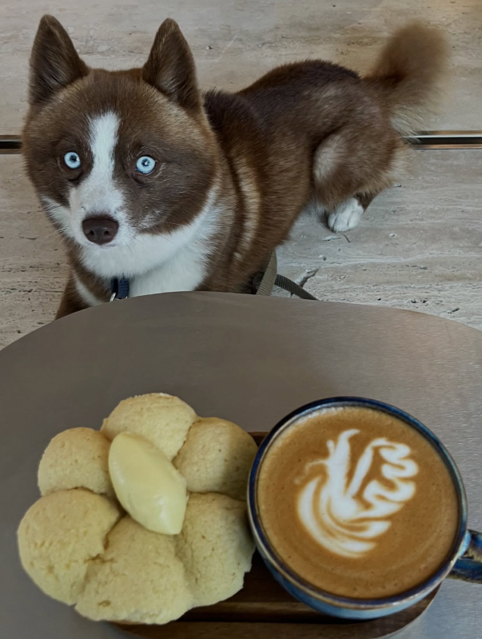
Total observations 350 Operational records |  | Avg. interarrival 30.68 min Demand input |  | Avg. group size 2.11 pax Customer mix |  |  | Avg. table time 83.71 min System stay |  | Service resources 1 cook + 1 front employee Order taking / command / payment

Avg. preparation 12.98 min Kitchen bottleneck input |  | Avg. consumption 51.47 min Table occupancy driver |  | Split payment cases 31 (8.9%) Individual checkout behavior |  |  | 4-person exceptions 28 (8.0%) Extra chair / adjustment |  | Avg. route distance 26.51 m Physical routing

Demand Profile |  |  |  | Customer and Zone Mix |  |  |  |  | Table Behavior

Day | Obs. | Time slot | Obs. | Group size | Obs. |  | Zone | Obs. | Table | Assign. | Util. | Avg min/visit
Mon | 34 | Breakfast | 23 | 1 | 101 |  | Terraza | 151 | T1 | 51 | 37.3% | 79.8
Tue | 35 | Midday | 67 | 2 | 137 |  | Interior | 199 | T2 | 53 | 39.2% | 80.7
Wed | 47 | Lunch | 102 | 3 | 84 |  |  |  | T3 | 47 | 34.9% | 81.2
Thu | 47 | Afternoon | 36 | 4 | 28 |  |  |  | T4 | 101 | 80.2% | 86.7
Fri | 58 | Evening | 122 |  |  |  |  |  | T5 | 98 | 76.8% | 85.6
Sat | 71
Sun | 58
Observations by day
 | Observations
Mon | 34
Tue | 35
Wed | 47
Thu | 47
Fri | 58
Sat | 71
Sun | 58
Demand by time slot
 | Observations
Breakfast | 23
Midday | 67
Lunch | 102
Afternoon | 36
Evening | 122
Table assignment frequency
 | Assignments
T1 | 51
T2 | 53
T3 | 47
T4 | 101
T5 | 98

Activity Time Profile |  |  |  |  |  |  |  |  | Modeling Notes

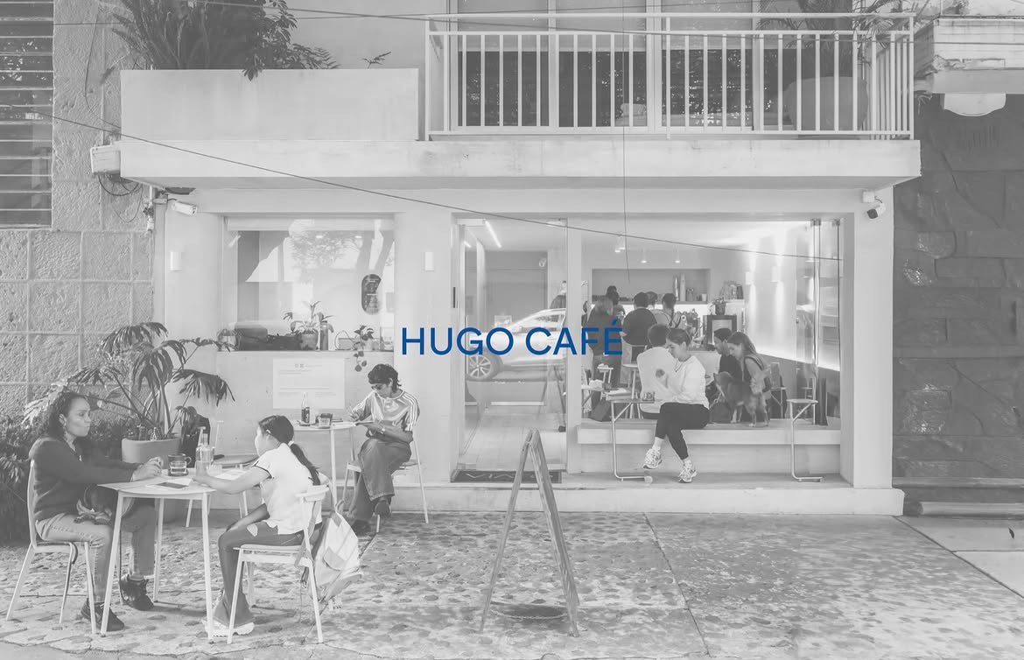

Activity | Avg min |  |  | Table | Assignments | Occupied min | Utilization |  | Model logic | Discrete-event AS-IS model
Order taking | 4.4 |  |  | T1 | 51 | 4068 | 37.3% |  | Arrival input | Empirical by time slot
Command | 2.4 |  |  | T2 | 53 | 4278 | 39.2% |  | Kitchen capacity | 1 order at a time
Preparation | 13.0 |  |  | T3 | 47 | 3816 | 34.9% |  | Checkout behavior | Single bill; 8.9% split-payment cases
Consumption | 51.5 |  |  | T4 | 101 | 8754 | 80.2% |  | No-table rule | 28% wait / 72% abandon
Payment | 3.2 |  |  | T5 | 98 | 8385 | 76.8% |  | Table rule | Groups of 3 only T4/T5; groups of 4 treated as exception
Table reoccupation | 9.3
Total table time | 83.7
Average activity times
 | Minutes
Order taking | 4.4
Command | 2.39
Preparation | 12.98
Consumption | 51.47
Payment | 3.16
Table reoccupation | 9.31
Total table time | 83.71
Estimated table utilization
 | Utilization
T1 | 0.3725
T2 | 0.3917
T3 | 0.3494
T4 | 0.8016
T5 | 0.7678
Group-size mix
 | Groups
 | 101
 | 137
 | 84
 | 28

Dashboard interpretation: demand peaks in Lunch and Evening, consumption dominates table occupancy, and T4/T5 concentrate more assignments because they absorb larger groups and operational exceptions. Frequency and utilization are shown separately because they measure different operational behaviors.

