dashboard
Top 100 players in 2022 analysing

Frequency of positions
 | Total
Bayern Munich | 7
Chelsea | 10
Liverpool | 7
Man City | 12
PSG | 9
Top clubs that own greate players
 | Total
17 | 1
18 | 1
19 | 1
20 | 1
21 | 4
22 | 5
23 | 6
24 | 5
25 | 3
26 | 4
27 | 10
28 | 5
29 | 11
30 | 11
31 | 6
32 | 4
33 | 4
34 | 4
35 | 3
36 | 3
37 | 3
40 | 1
distrebution of age

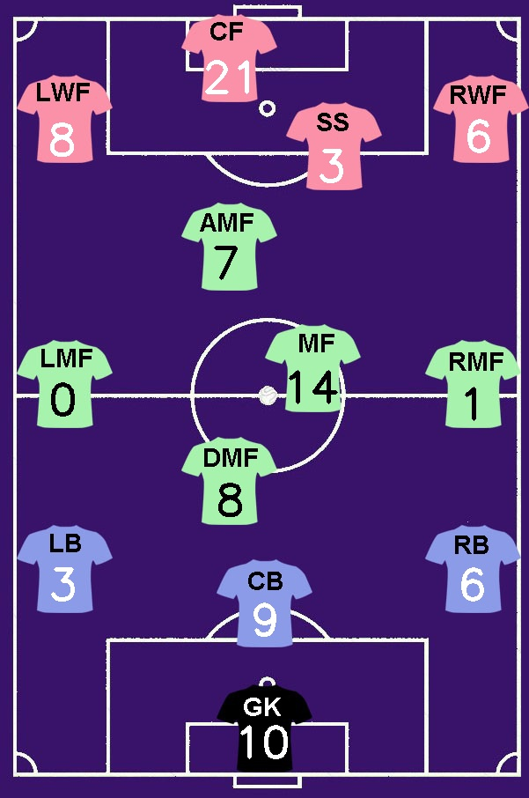

 | Total
Africa | 5
Asia | 1
Europe | 68
North America | 2
Other | 1
South America | 19
Frequency of continents
 | Total
163 | 1
165 | 1
168 | 1
169 | 1
170 | 2
171 | 1
172 | 2
173 | 2
174 | 3
175 | 3
176 | 5
177 | 1
178 | 5
179 | 3
180 | 11
181 | 7
182 | 2
183 | 4
184 | 2
185 | 6
186 | 2
187 | 3
188 | 6
189 | 4
190 | 5
191 | 5
193 | 2
194 | 1
195 | 3
196 | 1
200 | 1
distrebution of height

