Mind Map
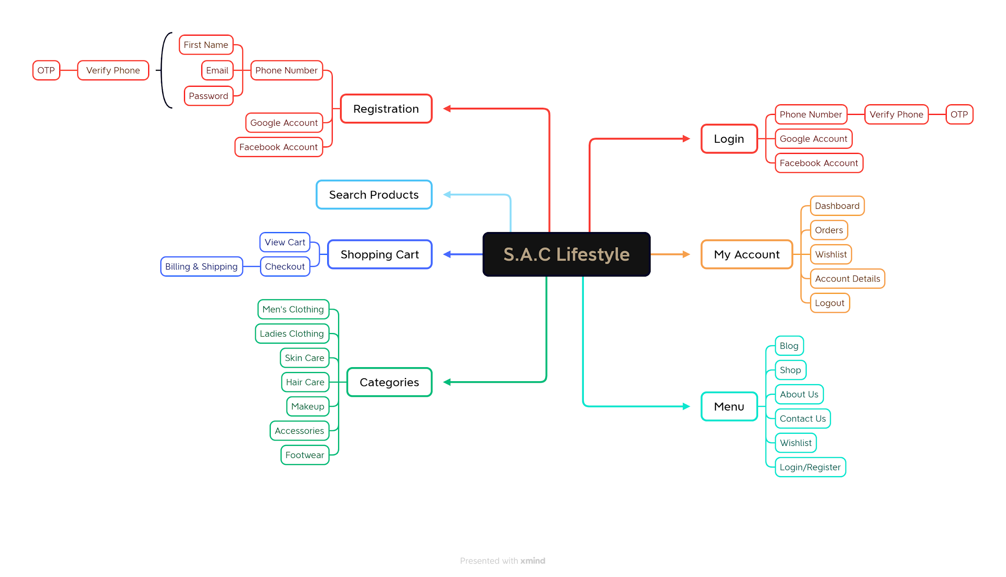
Mind Map for S.A.C Lifestyle

Report
Test Case Report
Test Case Report |  |  |  |  | Total No. | Status
Project Name | S.A.C Lifestyle |  |  |  | 56 | PASS
Module Name | Login/Register, Register, Verify Phone |  |  |  | 14 | FAIL
Test Case Version |  |  |  |  | 0 | NOT EXECUTED
Executed By | Md. Sirajus Salekin
Reviewed By | Ehsanul Alam Sabbir
TEST EXECUTION REPORT

Test Case | PASS | FAIL | NOT EXECUTED | Total TC
 | 56 | 14 | 0 | 70
Grand Total | 56 | 14 | 0 | 70

Bug Report
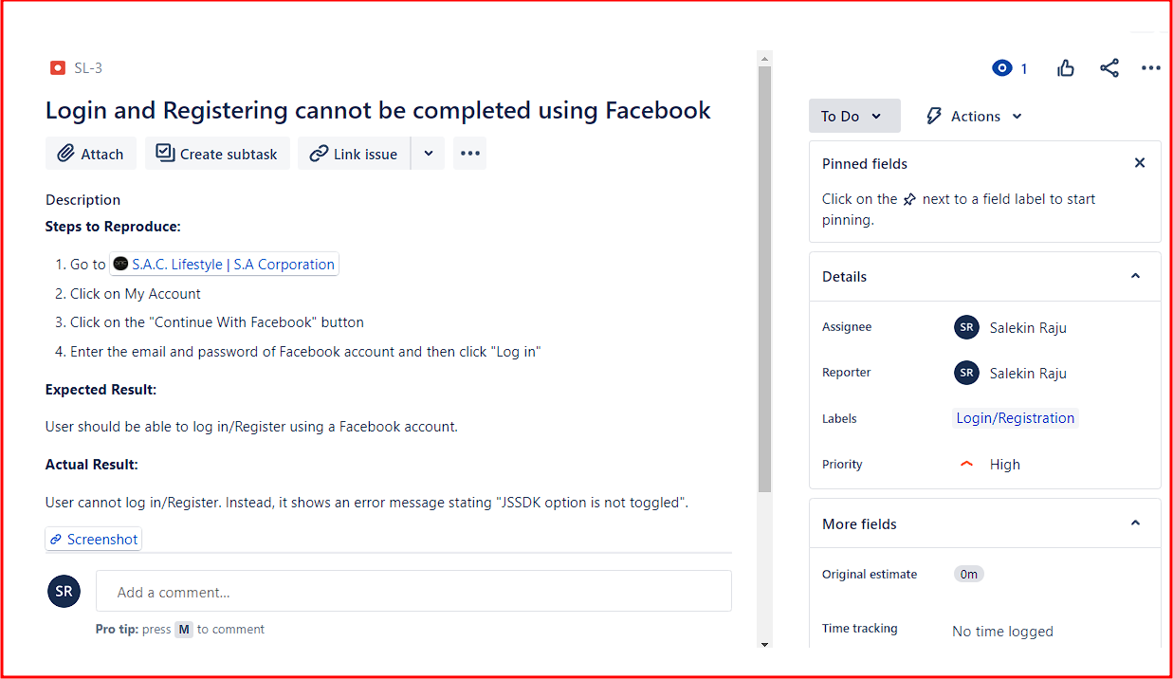
 | Bug Report in JIRA:
Bug Reporting

# ID: TC_020

Issue: Login and Registering cannot be completed using Facebook

Steps to Reproduce:
1. Go to https://saclifestyle.com/ 2. Click on My Account 3. Click on "Continue With Facebook" button 4. Enter email and password and then click "Log in" Expected Result: User should be able to log in/Register using a Facebook account. Actual Result: User cannot log in/Register. Instead, it shows an error message stating "JSSDK option is not toggled".
Screenshot Env: Chrome, Edge
Module: Login/Registration
Priority: High
Responsible QA: Md. Sirajus Salekin

