Capture
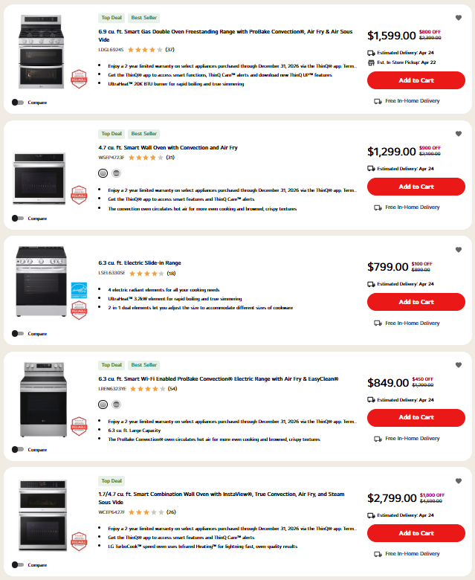
 | Original capture note
Apr.16 | Preserved from source workbook
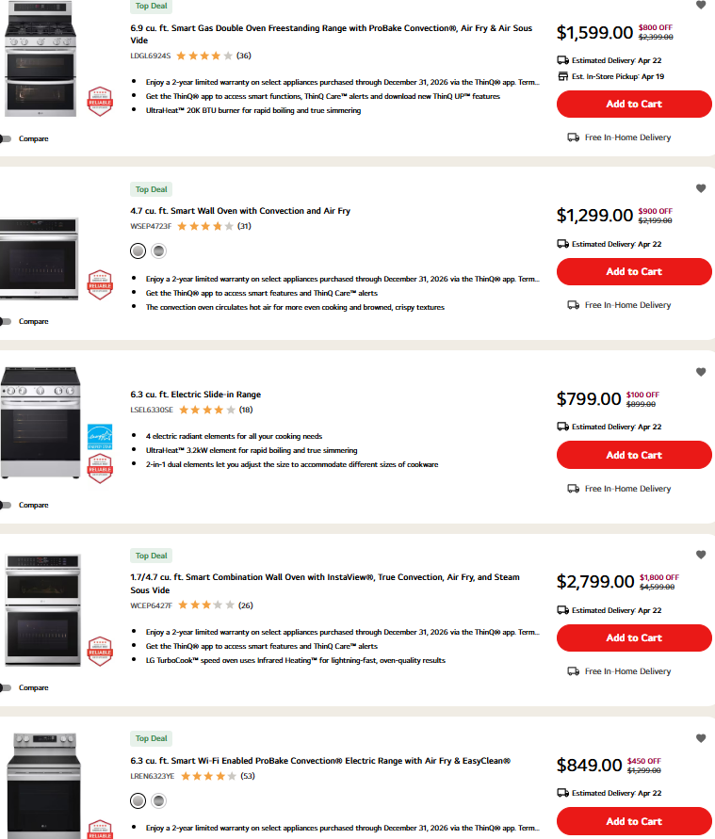

Apr.20

