Sheet1
'Background Information 1. What is your current role?': Software Engineer appears most often.
Row Labels | Count of Background Information 1. What is your current role?
Software Engineer | 3
Security Guard | 1
CIBC CSR | 1
interior designer | 1
Grand Total | 6

Sheet2
'2.Which industry best describe your organization?' by '2.Which industry best describe your organization?'
Row Labels | Count of 2.Which industry best describe your organization?
Technology/Software | 2
Financial Services | 1
Technology/Software, Education/Research | 1
Healthcare | 1
interior design | 1
Grand Total | 6

Sheet3
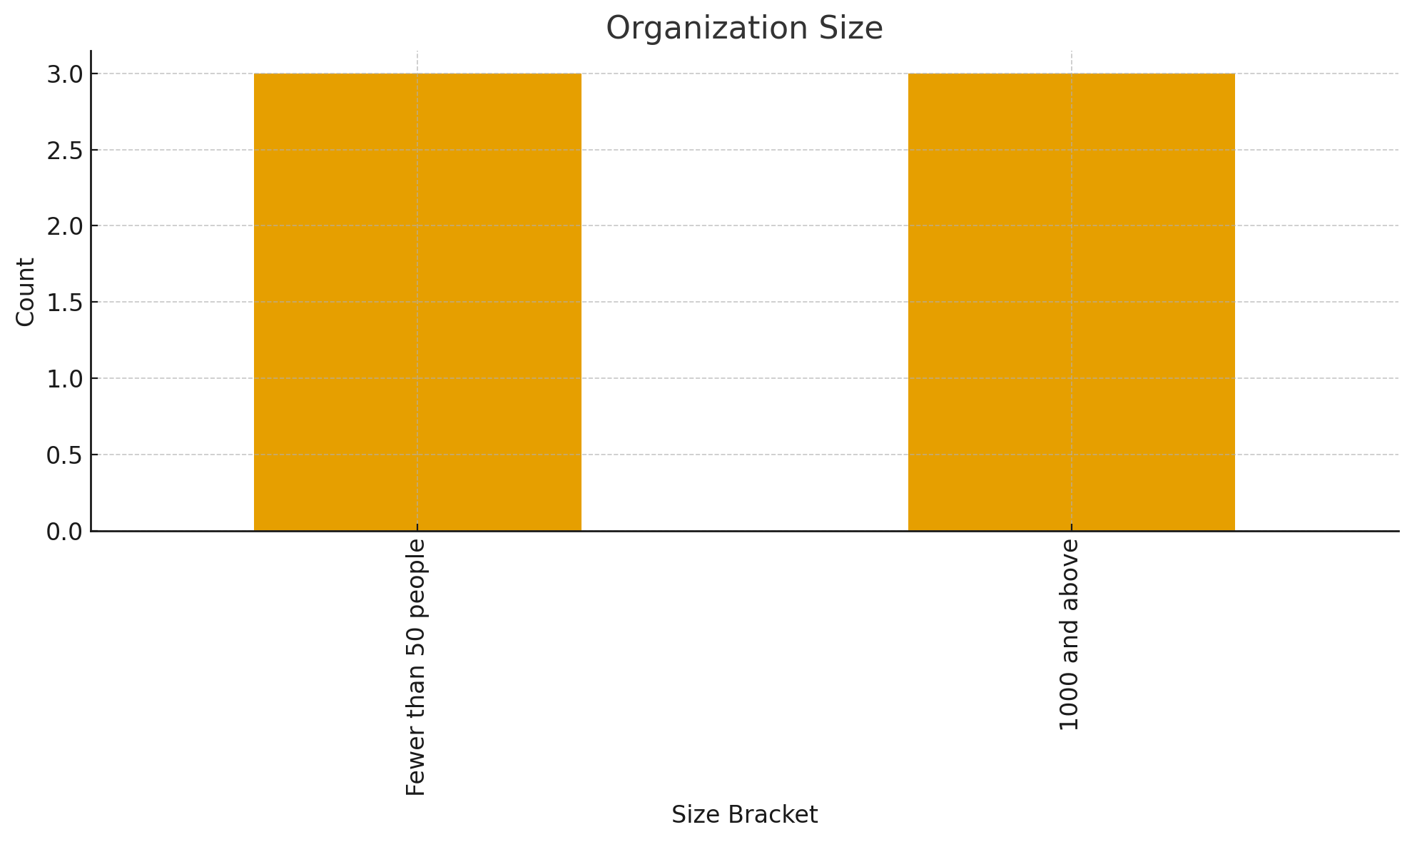

Sheet4
Familiarity with Data Privacy Regulations
Row Labels | Count of Field1
Somewhat familiar- I understand the basics | 3
very familiar- i work with them regularly | 2
Grand Total | 5

Sheet5
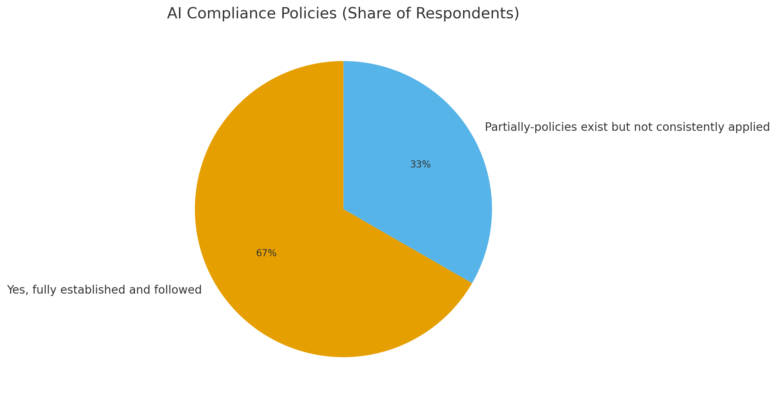
Row Labels | Count of Field1
Yes, fully established and followed | 4
Partially-policies exist but not consistently applied | 1
Grand Total | 5

Sheet6
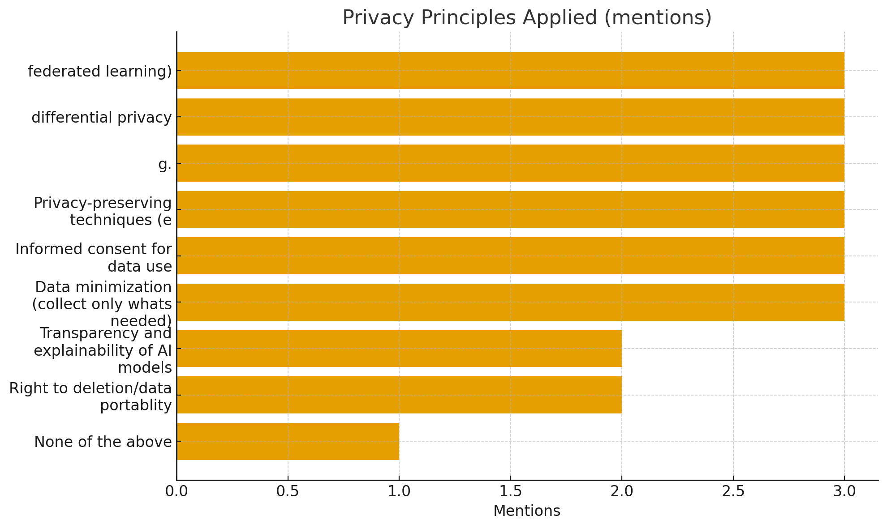

Sheet7
'7. On the scale of 1 to 5 , how confident are you that your organization's AI systems comply with current data privacy regulations? (1= Not confident at all , 5= fully confident)'
 | 7. On the scale of 1 to 5 , how confident are you that your organization's AI systems comply with current data privacy regulations? (1= Not confident at all , 5= fully confident)
 | 2
 | 4
 | 4
 | 3
 | 4
 | 5

Sheet9
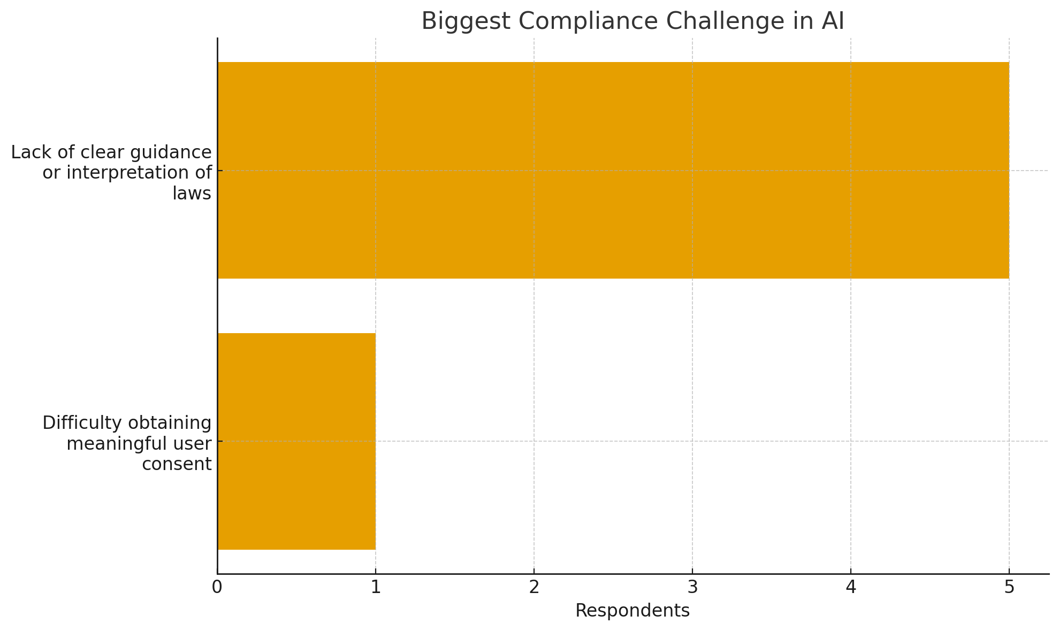

Sheet10
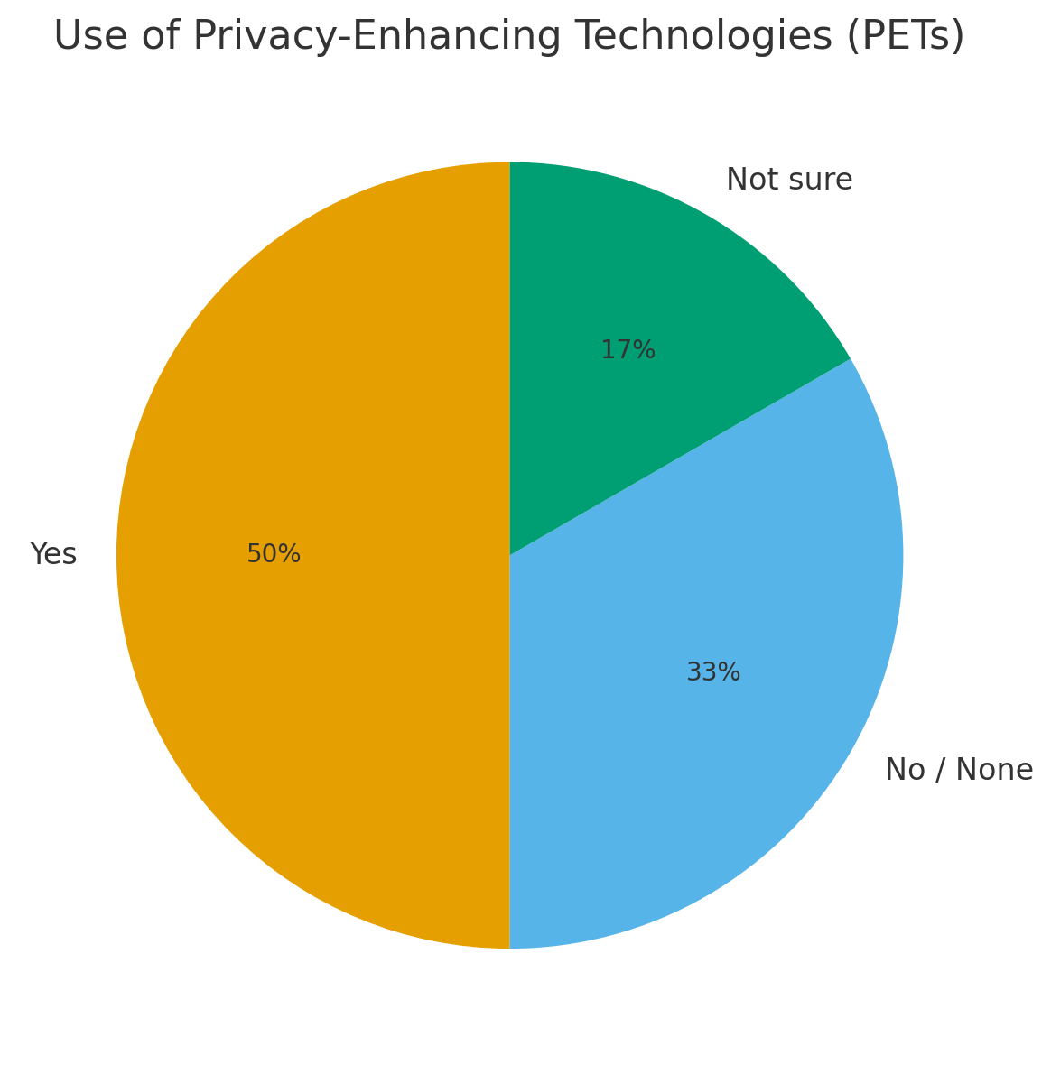

Sheet11
