Sheet1
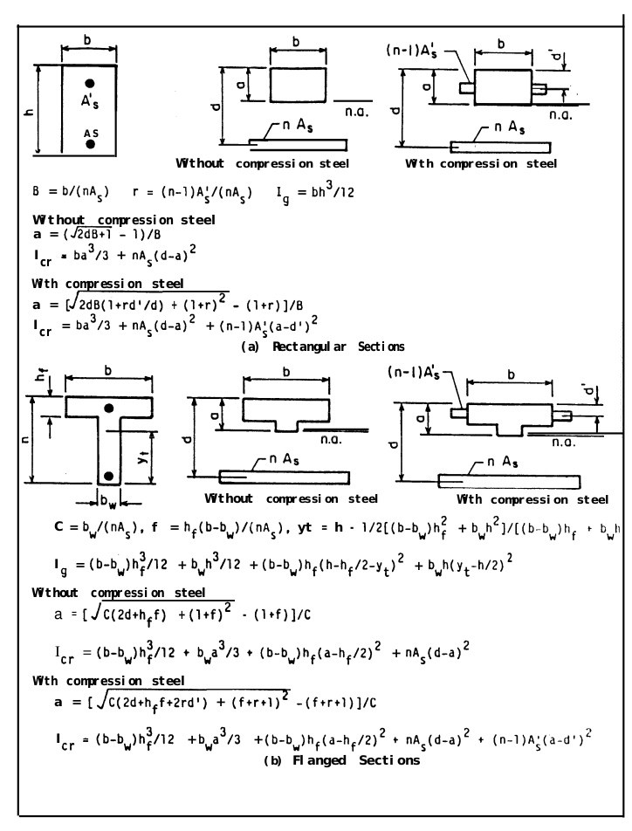
Ec | 24804 | Units for Ec and Es should be the same, it doesn’t matter what since they are used to calculate n | kN/m^2
Es | 200569 |  | kN/m^2
h (height) | 406.4 | mm
b (width) | 228.6 | mm
n | 8.0861554588 | unitless
As (area of compression steel) | 1136 | mm^2
As’ (area of tension steel) | 1136 | mm^2
B | 0.024886040763
r | 0.87633183593
Ig (moment of inertia for gross concrete section about centroidal axis, neglecting reinforcement) | 1278662939.4 | mm^4 | 0.0012786629394 | m^4
d (tension face to compression steel) | 377.775 | mm
d’ (tension face to tension steel) | 44.425 | mm

a (tension face to n.a.) | 122.52686533 | mm
Icr (Moment of inertia of cracked transformed section) | 787745840.87 | mm^4 | 0.00078774584087 | m^4
Area | 92903.04 | mm^2 | 0.09290304 | m^2
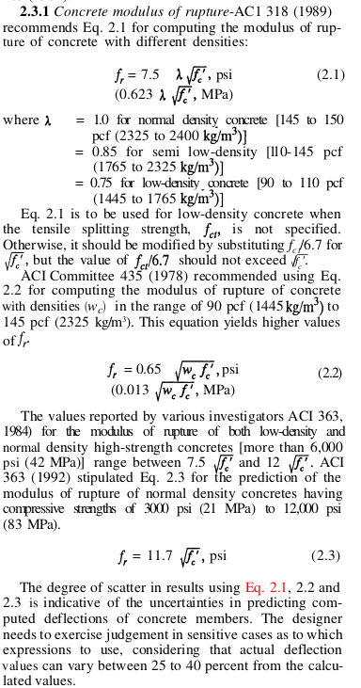
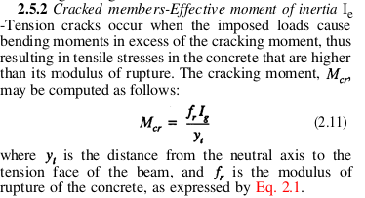
fc’ (specified compressive strength of concrete) | 31 | MPa | ft’ (specified tensile strength of concrete) | 2.7838821814 | MPa
fr (modulus of rupture of concrete) | 3.468717198 | MPa | fr (modulus of rupture of concrete) | 1.0394736202 | MPa
yt (distance from centroidal axis of gross section, neglecting reinforcement, to extreme fiber in tension) | 203.2 | mm | yt (distance from centroidal axis of gross section, neglecting reinforcement, to extreme fiber in tension) | 203.2 | mm
Mcr_pos | 21.827362837 | KN-m | Mcr_neg | -6.5410255647 | KN-m

