Donstroy-II Brief Report 15-04
6
10
4
15
 |  |  |  |  |  |  |  |  |  |  |  |  |  |  |  |  |  |  |  |  |  |  |  |  |  |  |  |  | Donstroy II - Planned & Realized Unit Man-Hours and Tasks Efficiency Situation
 |  | ATT :
 |  |  |  |  |  |  |  |  |  |  |  |  |  |  |  |  |  |  |  |  |  | Current Date : |  |  | 2008-04-16 |  |  |  | C1 | Below "0" Level Civil Works | Quantity | Unit | Planned Unit Man-Hour | Realized Unit Man-Hour | Efficiency (%)
 |  |  |  |  |  |  |  |  |  |  |  |  |  |  |  |  |  |  |  |  |  | Report Includes : |  |  | Cover Page |  |  |  | C11 | Sub-foundation Civil Works
 |  |  |  |  |  |  |  |  |  |  |  |  |  |  |  |  |  |  |  |  |  | Report Date : |  |  | 2008-04-15 |  |  |  |  | Concrete breaking & cleaning around existing steel colums | 66.00 | pcs | 15.00 | 62.08 | 24.2%
 |  |  |  |  |  |  |  |  |  |  |  |  |  |  |  |  |  |  |  |  |  |  |  |  |  |  |  |  |  | Natural soil compaction & Site Preparation Works & Removal of Muddy Soil | 10,510.41 | m² | 0.20 | 0.37 | 53.6%
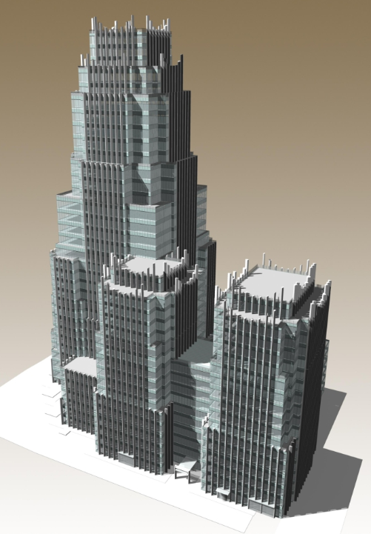
 |  |  |  |  |  |  |  |  |  |  |  |  |  |  |  |  |  |  |  |  |  |  |  |  |  |  |  |  |  | Earthing (Grounding) at Sub-Foundation level | 10,510.41 | m² | 0.10 | 0.05 | 184.9%
 | PROJECT INFORMATION |  |  |  |  |  |  |  |  | 2008-04-15 |  |  |  |  | Max / Min |  |  | Wind | Humidity |  |  |  |  |  |  |  |  |  |  | Channel opening and laying of gravel for drainage at foundation level | 400.00 | m³ | 1.20 | 0.99 | 121.7%
+7C
+3C
 | PROJECT NAME |  | Donstroy-II Multiuse Office and Shopping Complex at 41, Oruzheyny Lane, Moscow |  |  |  |  |  |  | Sunrise 06:25 (MSK) |  |  |  |  |  |  |  |  | 95 % |  |  |  |  |  |  |  |  |  |  | Geo-textile laying (1 layer - 250 gr/m²) | 10,653.60 | m² | 0.15 | 0.08 | 178.2%
 | SCOPE OF WORK |  | Donstroy-II Civil, Architectural, Facade, Electrical, Mechanicalt Works in accordance with "Shell and Core" contract regulations. |  |  |  |  |  |  | Sunset 20:33 (MSK) |  |  |  |  |  |  |  |  |  |  |  |  |  |  |  |  |  |  |  | Granite gravel filling (h= 15 cm) | 10,510.41 | m² | 0.18 | 0.25 | 71.7%
 |  |  |  |  |  |  |  |  |  |  |  |  |  |  |  |  |  |  |  |  |  |  |  |  |  |  |  |  |  | Polyethylene sheet laying (1 layer - 100 mic.) | 10,510.41 | m² | 0.12 | 0.06 | 197.9%
8
12
11
 | CONTRACT NO and AWARD DATE |  | No. 2/OR-GP-07 / 10.08.2007 |  |  |  |  |  |  |  |  |  |  |  |  |  |  |  |  |  |  |  |  |  |  |  |  |  |  | Lean concrete wire mesh installation (100 mm x 100 mm - 5 mm)(horizontal) | 10,510.41 | m² | 0.30 | 0.22 | 138.1%
8
 | Actual Start Date |  | 1-Nov-07 |  | Construction Finish Date |  | 18-Dec-09 |  |  |  |  |  |  |  |  |  |  |  |  |  |  |  |  |  |  |  |  |  |  | Lean concrete Pouring (B15 - h= 10 cm)(horizontal) | 1,051.04 | m³ | 1.75 | 3.12 | 56.1%
 |  |  |  |  |  |  |  |  |  |  |  |  |  |  |  |  |  |  |  |  |  |  |  |  |  |  |  |  |  | Lean concrete wire mesh installation (100 mm x 100 mm - 5 mm)(vertical) | 652.00 | m² | 0.35 | 0.56 | 62.2%
 | PROJECT OVERALL PROGRESS |  |  |  |  |  |  |  |  |  |  |  |  |  |  |  |  |  |  |  |  |  |  |  |  |  |  |  |  | Vertical lean concrete formwork | 652.00 | m² | 1.80 | 3.17 | 56.7%
 |  |  |  |  |  |  |  |  |  |  |  |  |  |  |  |  |  |  |  |  |  |  |  |  |  |  |  |  |  | Lean concrete Pouring (B15 - t=15 cm)(vertical) | 140.00 | m³ | 1.50 | 4.12 | 36.4% |  | Nov-07 | Dec-07 | Jan-08 | Feb-08 | Mar-08 | Apr-08 | May-08 | Jun-08 | Jul-08 | Aug-08 | Sep-08 | Oct-08 | Nov-08 | Dec-08 | Jan-09 | Feb-09 | Mar-09 | Apr-09 | May-09 | Jun-09 | Jul-09 | Aug-09 | Sep-09 | Oct-09 | Nov-09 | Dec-09 | Jan-10
11
 | DS-II CUMULATIVE PROGRESS |  |  |  |  |  |  |  |  |  |  |  |  |  |  |  |  |  |  |  |  |  |  |  |  |  |  |  |  | Horizontal water insulation (2 layers - Tehnoelast EPP w/ primer - 4mm) | 10,510.41 | m² | 1.50 | 0.27 | 562.5% | Planned Monthly Cumulative S-Curve | 0.16% | 0.86% | 2.16% | 4.59% | 8.08% | 10.99% | 13.42% | 16.10% | 19.59% | 23.21% | 28.30% | 34.20% | 39.93% | 45.70% | 51.28% | 55.28% | 60.45% | 66.32% | 72.59% | 78.10% | 83.35% | 88.10% | 92.63% | 96.34% | 98.69% | 99.82% | 100.00%
 | Planned | Actual | Variance |  |  |  |  |  |  |  |  |  |  |  |  |  |  |  |  |  |  |  |  |  |  |  |  |  |  | Vertical water insulation (2 layers - Tehnoelast EPP w/ primer - 4mm) | 628.54 | m² | 2.00 | 0.86 | 231.4% | Realized Monthly Cumulative S-Curve | 0.17% | 0.85% | 2.13% | 4.42% | 7.92%
 | 9.71% | 8.68% | -1.03% |  |  |  |  |  |  |  |  |  |  |  |  |  |  |  |  |  |  |  |  |  |  |  |  |  |  | Water insulation around existing steel columns | 66.00 | pcs | 25.00 | 6.10 | 409.8%
 |  |  |  |  |  |  |  |  |  |  |  |  |  |  |  |  |  |  |  |  |  |  |  |  |  |  |  |  |  | Protective screed above water insulation (h= 5 cm) | 525.52 | m³ | 1.50 | 5.03 | 29.8%
 |  |  |  |  |  |  |  |  |  |  |  |  |  |  |  |  |  |  |  |  |  |  |  |  |  |  |  |  | C12 | Foundation R/C Works
 | DS-II DAILY PROGRESS |  |  |  |  |  |  |  |  |  |  |  |  |  |  |  |  |  |  |  |  |  |  |  |  |  |  |  |  | Formwork | 1,696.06 | m² | 1.80 | 2.78 | 64.8%
 | Planned | Actual | Variance |  |  |  |  |  |  |  |  |  |  |  |  |  |  |  |  |  |  |  |  |  |  |  |  |  |  | Reinforcement | 4,300.00 | ton | 35.00 | 36.59 | 95.7%
16
 | 0.09% | 0.03% | -0.06% |  |  |  |  |  |  |  |  |  |  |  |  |  |  |  |  |  |  |  |  |  |  |  |  |  |  | Reinforced Concrete | 17,162.55 | m³ | 1.40 | 0.66 | 211.1%

Concrete breaking & cleaning around existing steel colums | 24.2%
Natural soil compaction & Site Preparation Works & Removal of Muddy Soil | 53.6%
Earthing (Grounding) at Sub-Foundation level | 184.9%
Channel opening and laying of gravel for drainage at foundation level | 121.7%
Geo-textile laying (1 layer - 250 gr/m²) | 178.2%
Granite gravel filling (h= 15 cm) | 71.7%
Polyethylene sheet laying (1 layer - 100 mic.) | 197.9%
Lean concrete wire mesh installation (100 mm x 100 mm - 5 mm)(horizontal) | 138.1%
Lean concrete Pouring (B15 - h= 10 cm)(horizontal) | 56.1%
Lean concrete wire mesh installation (100 mm x 100 mm - 5 mm)(vertical) | 62.2%
Vertical lean concrete formwork | 56.7%
Lean concrete Pouring (B15 - t=15 cm)(vertical) | 36.4%
Horizontal water insulation (2 layers - Tehnoelast EPP w/ primer - 4mm) | 562.5%
Vertical water insulation (2 layers - Tehnoelast EPP w/ primer - 4mm) | 231.4%
Water insulation around existing steel columns | 409.8%
Protective screed above water insulation (h= 5 cm) | 29.8%
Formwork | 64.8%
Reinforcement | 95.7%
Reinforced Concrete | 211.1%

9
 | WORK COMPLETE (% COMPLETE) as of 15/04/2008
 |  |  |  | Mob. & Demob. & Health & Safety inc. Site Cleaning & Snow Removal |  |  | Civil Works |  |  |  | Architectural Works |  |  |  | Facade & Roofing Works |  |  | External Works |  |  | Mechanical Works |  |  | Electical Works
 | TITLE |  |  | Planned | Executed | Variance | Planned | Executed | Variance |  | Planned |  | Executed | Variance | Planned | Executed | Variance | Planned | Executed | Variance | Planned | Executed | Variance | Planned | Executed | Variance
 | Mobilization |  |  | 86.36% | 86.36% | 0.00%
 | Demobilization |  |  | 0.00% | 0.00% | 0.00%
 | Health & Safety inc. Site Cleaning & Snow Removal |  |  | 19.50% | 19.50% | 0.00%
 | Sub-Foundation Civil Works |  |  |  |  |  | 100.00% | 100.00% | 0.00%
 | Foundation Civil Works |  |  |  |  |  | 100.00% | 100.00% | 0.00%
 | Substructure (-6;-1) Civil Works |  |  |  |  |  | 25.45% | 10.60% | -14.86%
 | Superstructure (+1;+34) Civil Works |  |  |  |  |  | 0.00% | 0.00% | 0.00%
 | Flooring Works |  |  |  |  |  |  |  |  |  | 0.00% |  | 0.00% | 0.00%
 | Ceiling Works |  |  |  |  |  |  |  |  |  | 0.00% |  | 0.00% | 0.00%
 | Walls & Partitions Works |  |  |  |  |  |  |  |  |  | 0.00% |  | 0.00% | 0.00%
 | Doors & Gates |  |  |  |  |  |  |  |  |  | 0.00% |  | 0.00% | 0.00%
 | Installation of Light Enclosures |  |  |  |  |  |  |  |  |  | 0.00% |  | 0.00% | 0.00%
 | Facade Cladding |  |  |  |  |  |  |  |  |  |  |  |  |  | 0.00% | 0.00% | 0.00%
 | Roofing Works |  |  |  |  |  |  |  |  |  |  |  |  |  | 0.00% | 0.00% | 0.00%
 | External Works |  |  |  |  |  |  |  |  |  |  |  |  |  |  |  |  | 0.00% | 0.00% | 0.00% |  |  |  |  |  |  |  |  |  |  | Cumulative Progress
 | Mechanical Works |  |  |  |  |  |  |  |  |  |  |  |  |  |  |  |  |  |  |  | 0.00% | 0.00% | 0.00% |  |  |  |  |  |  | Mob. & Demob. & Health & Safety | Planned | 60.73%
 | Electrical Works |  |  |  |  |  |  |  |  |  |  |  |  |  |  |  |  |  |  |  |  |  |  | 0.00% | 0.00% | 0.00% |  |  |  |  | Realized | 60.73%
 | BUILDING WORK PROGRESS |  |  | 60.73% | 60.73% | 0.00% | 19.72% | 17.07% | -2.64% |  | 0.00% |  | 0.00% | 0.00% | 0.00% | 0.00% | 0.00% | 0.00% | 0.00% | 0.00% | 0.00% | 0.00% | 0.00% | 0.00% | 0.00% | 0.00% |  |  |  | Civil Works | Planned | 19.72%
 | Planned Monthly Cumulative S-Curve | Realized Monthly Cumulative S-Curve
Nov-07 | 0.16% | 0.17%
Dec-07 | 0.86% | 0.85%
Jan-08 | 2.16% | 2.13%
Feb-08 | 4.59% | 4.42%
Mar-08 | 8.08% | 7.92%
Apr-08 | 10.99%
May-08 | 13.42%
Jun-08 | 16.10%
Jul-08 | 19.59%
Aug-08 | 23.21%
Sep-08 | 28.30%
Oct-08 | 34.20%
Nov-08 | 39.93%
Dec-08 | 45.70%
Jan-09 | 51.28%
Feb-09 | 55.28%
Mar-09 | 60.45%
Apr-09 | 66.32%
May-09 | 72.59%
Jun-09 | 78.10%
Jul-09 | 83.35%
Aug-09 | 88.10%
Sep-09 | 92.63%
Oct-09 | 96.34%
Nov-09 | 98.69%
Dec-09 | 99.82%
Jan-10 | 100.00%
 |  |  |  |  |  |  |  |  |  |  |  |  |  |  |  |  |  |  |  |  |  |  |  |  |  |  |  |  |  |  | Realized | 17.07%
 |  |  |  |  |  |  |  |  |  |  |  |  |  |  |  |  |  |  |  |  |  |  |  |  |  |  |  |  |  | Architectural Works | Planned | 0.00%
 |  |  |  |  |  |  |  |  |  |  |  |  |  |  |  |  |  |  |  |  |  |  |  |  |  |  |  |  |  |  | Realized | 0.00%
c" |  |  |  |  |  |  |  |  |  |  |  |  |  |  |  |  |  |  |  |  |  |  |  |  |  |  |  |  |  | Facade & Roofing Works | Planned | 0.00%
 |  |  |  |  |  |  |  |  |  |  |  |  |  |  |  |  |  |  |  |  |  |  |  |  |  |  |  |  |  |  | Realized | 0.00%
 |  |  |  |  |  |  |  |  |  |  |  |  |  |  |  |  |  |  |  |  |  |  |  |  |  |  |  |  |  | External Works | Planned | 0.00%
 |  |  |  |  |  |  |  |  |  |  |  |  |  |  |  |  |  |  |  |  |  |  |  |  |  |  |  |  |  |  | Realized | 0.00%
 |  |  |  |  |  |  |  |  |  |  |  |  |  |  |  |  |  |  |  |  |  |  |  |  |  |  |  |  |  | Mechanical Works | Planned | 0.00%
 |  |  |  |  |  |  |  |  |  |  |  |  |  |  |  |  |  |  |  |  |  |  |  |  |  |  |  |  |  |  | Realized | 0.00%
 |  |  |  |  |  |  |  |  |  |  |  |  |  |  |  |  |  |  |  |  |  |  |  |  |  |  |  |  |  | Electrical Works | Planned | 0.00%
 |  |  |  |  |  |  |  |  |  |  |  |  |  |  |  |  |  |  |  |  |  |  |  |  |  |  |  |  |  |  | Realized | 0.00%

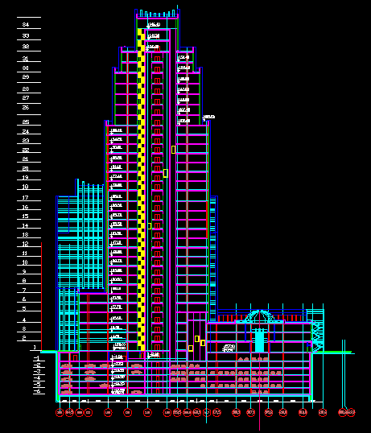
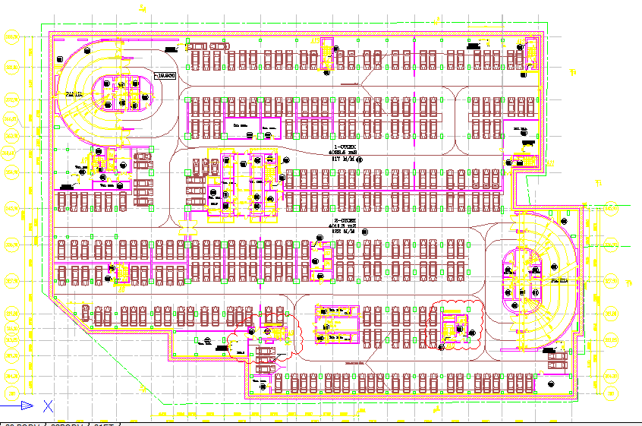

 | PERSONNEL REPORT |  |  |  |  |  |  |  |  |  |  | MAN-HOURS REALIZATION REPORT |  |  |  |  |  |  |  |  | MACHINERY & EQUIPMENTS LIST as of 15-04-2008.
 | 15-Apr-08 |  |  | Turkish |  | Local |  | Total |  |  |  |  |  |  |  |  | Cumulative |  | Daily |  |  |  |  | Unit | Total | On-Operation | Broken-Down
 | ENKA |  |  |  |  |  |  |  |  |  |  | Type of Task |  |  |  |  | Planned | Realized as of 15-04-08 | Daily Man-Hours on 15-04-08 | Realization Pct. (%) | Isimak Master (Space Heater) |  |  | pcs | 22 | 22
 | Management |  |  | 3 | 100% |  | 0% | 3 | 100% |  |  | Mobilization & Demobilization |  |  |  |  | 98,000.00 | 72,593.00 | 227.00 | 74.07% | BobCAT S175 |  |  | pcs | 2 | 2
 | Office Staff |  |  | 15 | 52% | 14 | 48% | 29 | 100% |  |  | HSE |  |  |  |  | 40,000.00 | 30,823.00 | 613.00 | 77.06% | Putzmeister 1409 Stationary Concrete Pump |  |  | pcs | 1 | 1
 | Field Supervision |  |  | 16 | 70% | 7 | 30% | 23 | 100% |  |  | Civil Works |  |  |  |  | 1,508,103.32 | 253,772.00 | 3,283.00 | 16.83% | Putzmeister 2110 Stationary Concrete Pump |  |  | pcs | 1 | 1
 | Direct Labor |  |  | 103 | 29% | 255 | 71% | 358 | 100% |  |  | Architectural Works |  |  |  |  | 1,052,713.42 |  |  | 0.00% | Wacker Compactor RD7H |  |  | pcs
 | Indirect Labor (Security, Warehouse, Time Keeper, Machinery Operator etc.) |  |  | 29 | 29% | 70 | 71% | 99 | 100% |  |  | Facade Cladding & Roofing Works |  |  |  |  | 229,930.75 |  |  | 0.00% | Compressor Atlas Copco |  |  | pcs | 3 | 3
 | First Aid (Doctor, Nurse) |  |  |  | 0% | 3 | 100% | 3 | 100% |  |  | External Works |  |  |  |  | 950.00 |  |  | 0.00% | Mobile Crane (30 ton - TADANO) |  |  | pcs | 1 | 1
 | General Total |  |  | 166 | 32% | 349 | 68% | 515 | 100% |  |  | Mechanical Works |  |  |  |  | 497,750.81 |  |  | 0.00% | Rebar Twisting Equipment MB 42 |  |  | pcs | 4 | 3 | 1
 |  |  |  |  |  |  |  |  |  |  |  | Electrical Works |  |  |  |  | 503,145.26 |  |  | 0.00% | Rebar Cutting Equipment MHK 42 |  |  | pcs | 4 | 4
 |  |  |  |  |  |  |  |  |  |  |  | GRAND TOTAL |  |  |  |  | 3,930,593.55 | 357,188.00 | 4,123.00 | 9.09% | Manitaou Forklift |  |  | pcs | 1 | 1 |  | 315549
 |  |  |  |  |  |  |  |  |  |  |  |  |  |  |  |  |  |  |  |  | Tower Crane |  |  | pcs | 2 | 2 |  | 41,639.00
 |  |  |  |  |  |  |  |  |  |  |  |  |  |  |  |  |  |  |  |  | Mobile Pump Putzmeister M38Z |  |  | pcs | 1 |  | 1
 |  |  |  |  |  |  |  |  |  |  |  |  |  |  |  |  |  |  |  |  | Dipaz Air Heater 300 |  |  | pcs | 2 | 2

 |  |  |  |  |  |  |  |  |  |  |  |  |  |  |  |  |  |  |  |  | Note: The Installation of Third Tower Crane continues as of April,15. |  |  |  |  |  |  |  |  | Project Materials Delivered to the Construction Site on February,14 , 2008
 | REMARKS |  |  |  |  |  |  |  |  |  |  |  |  |  |  | Mümtaz Okan İLCİ
 |  |  |  |  |  |  |  |  |  |  |  |  |  |  |  |  |  |  |  |  |  |  |  |  |  |  |  |  |  | MATERIAL DESCRIPTION | QUANTITY | UNIT | Supplier
 |  |  |  |  |  |  |  |  |  |  |  |  |  |  |  |  |  |  |  |  |  |  |  |  |  |  |  |  |  | Granite Gravel (20x40) | 152.00 | m³ | EGIDA
 |  |  |  |  |  |  |  |  |  |  |  |  |  |  |  |  |  |  |  |  |  |  |  |  |  |  |  |  |  | Rebar Q32 | 75.08 | ton | EVROMETAL-STOLISA

 | Revision
 | 01 |  |  | M.C.CELEBIOGLU |  | O.İLCİ
 | No | Date : |  | Prepared by : |  | Checked by : |  |  | Description

 |  |  |  |  |  |  |  |  |  |  |  |  | 7.1428571429

 |  |  |  |  |  |  |  |  |  |  |  |  |  |  |  |  |  | Cumulative Man-Hour
 |  |  |  |  |  |  |  |  |  |  |  |  |  |  |  |  |  |  |  |  | Mobile Crane (25 ton - MAZ) |  |  |  | pcs | 1

9

16

12
 |  |  |  |  |  |  |  |  |  |  |  |  |  |  |  |  |  |  |  |  |  |  |  |  |  |  |  | Timber 50x100x6000 | 8.00 | m³ | Stroyservis
 |  |  |  |  |  |  |  |  |  |  |  |  |  |  |  |  |  |  |  |  |  |  |  |  |  |  |  | Timber 100x100x6000 | 2.00 | m³ | Stroyservis
 |  |  |  |  |  |  |  |  |  |  |  |  |  |  |  |  |  |  |  |  |  |  |  |  |  |  |  |  | Concrete Milk (Malako) | 6 | m³ | ATP BETON

8
43

43

Task Efficiency
Donstroy II - Planned & Realized Unit Man-Hours and Tasks Efficiency Situation

C1 | Below "0" Level Civil Works |  | Unit | Planned Unit Man-Hour | Realized Unit Man-Hour | Efficiency (%)
C11 | Sub-foundation Civil Works
 | Concrete breaking & cleaning around existing steel colums |  | pcs | 15.00 | 62.08 | 24.2% | Concrete breaking & cleaning around existing steel colums | 24.2%
 | Natural soil compaction & Site Preparation Works & Removal of Muddy Soil |  | m² | 0.20 | 0.37 | 53.9% | Natural soil compaction & Site Preparation Works & Removal of Muddy Soil | 53.9%
 | Earthing (Grounding) at Sub-Foundation level |  | m² | 0.10 | 0.05 | 186.0% | Earthing (Grounding) at Sub-Foundation level | 186.0%
 | Channel opening and laying of gravel for drainage at foundation level |  | m³ | 1.20 | 0.99 | 121.7% | Channel opening and laying of gravel for drainage at foundation level | 121.7%
 | Geo-textile laying (1 layer - 250 gr/m²) |  | m² | 0.15 | 0.08 | 179.3% | Geo-textile laying (1 layer - 250 gr/m²) | 179.3%
 | Granite gravel filling (h= 15 cm) |  | m² | 0.18 | 0.25 | 72.1% | Granite gravel filling (h= 15 cm) | 72.1%
 | Polyethylene sheet laying (1 layer - 100 mic.) |  | m² | 0.12 | 0.06 | 210.4% | Polyethylene sheet laying (1 layer - 100 mic.) | 210.4%
 | Lean concrete wire mesh installation (100 mm x 100 mm - 5 mm)(horizontal) |  | m² | 0.30 | 0.20 | 146.7% | Lean concrete wire mesh installation (100 mm x 100 mm - 5 mm)(horizontal) | 146.7%
 | Lean concrete Pouring (B15 - h= 10 cm)(horizontal) |  | m³ | 1.75 | 3.12 | 56.2% | Lean concrete Pouring (B15 - h= 10 cm)(horizontal) | 56.2%
 | Lean concrete wire mesh installation (100 mm x 100 mm - 5 mm)(vertical) |  | m² | 0.35 | 0.59 | 59.2% | Lean concrete wire mesh installation (100 mm x 100 mm - 5 mm)(vertical) | 59.2%
 | Vertical lean concrete formwork |  | m² | 1.80 | 3.13 | 57.5% | Vertical lean concrete formwork | 57.5%
 | Lean concrete Pouring (B15 - t=15 cm)(vertical) |  | m³ | 1.50 | 4.50 | 33.4% | Lean concrete Pouring (B15 - t=15 cm)(vertical) | 33.4%
 | Horizontal water insulation (2 layers - Tehnoelast EPP w/ primer - 4mm) |  | m² | 1.50 | 0.29 | 525.2% | Horizontal water insulation (2 layers - Tehnoelast EPP w/ primer - 4mm) | 525.2%
 | Vertical water insulation (2 layers - Tehnoelast EPP w/ primer - 4mm) |  | m² | 2.00 | 0.94 | 212.0% | Vertical water insulation (2 layers - Tehnoelast EPP w/ primer - 4mm) | 212.0%
 | Water insulation around existing steel columns |  | pcs | 25.00 | 6.99 | 357.7% | Water insulation around existing steel columns | 357.7%
 | Protective screed above water insulation (h= 5 cm) |  | m³ | 1.50 | 4.74 | 31.6% | Protective screed above water insulation (h= 5 cm) | 31.6%
C12 | Foundation R/C Works |  |  |  |  |  | Foundation Formwork | 83.0%
 | Foundation Formwork |  | m² | 1.80 | 2.17 | 83.0% | Foundation Reinforcement | 110.4%
 | Foundation Reinforcement |  | ton | 35.00 | 31.70 | 110.4% | Foundation Reinforced Concrete | 246.0%
 | Foundation Reinforced Concrete |  | m³ | 1.40 | 0.57 | 246.0% | R/C Slab Demolishing Works (-5 Floor) (inc. Cleaning) | 13.4%
C19 | R/C Demolishing Works |  |  |  |  |  | Substructure R/C Columns Formwork | 27.0%
 | R/C Slab Demolishing Works (-5 Floor) (inc. Cleaning) |  | m² | 5.00 | 37.45 | 13.4% | Substructure R/C Columns Reinforcement | 49.0%
 | Substructure R/C Works |  |  |  |  |  | Substructure R/C Columns Concrete | 47.8%
 | R/C Structural Columns (B50 - 407 kg/m³) |  |  |  |  |  | Substructure R/C Shear-Walls Formwork | 34.9%
 | Substructure R/C Columns Formwork |  | m² | 1.80 | 6.67 | 27.0% | Substructure R/C Shear-Walls Reinforcement | 47.8%
 | Substructure R/C Columns Reinforcement |  | ton | 35.00 | 71.38 | 49.0% | Substructure R/C Shear-Walls Concrete | 87.2%
 | Substructure R/C Columns Concrete |  | m³ | 1.50 | 3.14 | 47.8% | Substructure R/C Slabs Formwork | 157.0%
 | R/C Structural Shear Walls (B50 - 270 kg/m³) |  |  |  |  |  | Substructure R/C Slabs Reinforcement | 174.5%
 | Substructure R/C Shear-Walls Formwork |  | m² | 1.80 | 5.16 | 34.9% | Substructure R/C Slabs Concrete | 116.6%
 | Substructure R/C Shear-Walls Reinforcement |  | ton | 35.00 | 73.20 | 47.8%
 | Substructure R/C Shear-Walls Concrete |  | m³ | 1.50 | 1.72 | 87.2%
 | R/C Structural Slabs (B35 - 332 kg/m³)
 | Substructure R/C Slabs Formwork |  | m² | 1.80 | 1.15 | 157.0%
 | Substructure R/C Slabs Reinforcement |  | ton | 35.00 | 20.06 | 174.5%
 | Substructure R/C Slabs Concrete |  | m³ | 1.50 | 1.29 | 116.6%

 | Project Summary Activities | Cumulative Progress
 | Mob. & Demob. & Health & Safety inc. Site Cleaning & Snow Removal | Planned | 60.73%
 |  | Realized | 60.73%
 | Civil Works | Planned | 19.72%
 |  | Realized | 17.07%
 | Architectural Works | Planned | 0.00%
 |  | Realized | 0.00%
 | Facade & Roofing Works | Planned | 0.00%
 |  | Realized | 0.00%
 | External Works | Planned | 0.00%
 |  | Realized | 0.00%
 | Mechanical Works | Planned | 0.00%
 |  | Realized | 0.00%
 | Electrical Works | Planned | 0.00%
 |  | Realized | 0.00%

 | Project Materials Delivered to the Construction Site on April,15, 2008

 | MATERIAL DESCRIPTION | Quantity | UNIT | Supplier
 | Concrete B50 P4 F300 W12 | 18.50 | m3 | BETONSPECSTROY
 | Rebar Ѳ36 | 16.03 | ton | DIPOS
 | Rebar Ѳ8 | 5.13 | ton | DIPOS

 | Concrete Milk | 1.00 | m3 | BETONSPECSTROY
 | Timber 10x10 L=6 mt | 12.00 | m3 | STROYSERVIS

 | PLYWOOD (Film-faced) 21x1220x2440 | 2.38 | m3 | PROMSTROYKONTRAKT
 | Timber 10x10 L=6 mt | 40.62 | m3 | STROYSERVIS
 | Rebar Ѳ28 | 37.24 | ton | BRAVIS
 | Timber 10x10 L=6 mt | 12.00 | m3 | STROYSERVIS
 | Concrete B50 P4 F300 W12 | 31.00 | m3 | BETONSPECSTROY

 | Concrete B50 P4 F300 W12 | 43.50 | m3 | BETONSPECSTROY
 | PLYWOOD (Film-faced) 12x1220x2440 | 10.00 | m3 | PROMSTROYKONTRAKT

 | Concrete B50 P4 F300 W12 | 22.00 | m3 | BETONSPECSTROY
 | Concrete B35 P4 F300 W10 | 353.00 | m3 | BETONSPECSTROY

 | Concrete B35 P4 F300 W10 | 723.00 | m3 | BETONSPECSTROY
 | Rebar Q32 | 86.50 | ton | EVROMETAL-STOLISA
 | Rebar Q28 | 124.57 | ton | EVROMETAL-STOLISA

