Dashboard
Project Dashboard

EV vs. PV vs. AC
Duration
 | Contractual Data |  |  | Project Progress Data |  |  |  |  |  |  |  |  |  |  | Planned this period
 |  |  |  |  |  |  |  |  |  |  |  |  |  |  | Actual this period
 | Project Name |  |  | Cut off Date | 28-Jan-2016 | Expected Time at Completion (Days) |  | #REF! |  |  |  |  |  |  | Planned Cumm
 | Project Code |  |  |  |  |  |  |  |  |  |  |  |  |  | Actual Cumm |  |  |  | Payment
 | The Contract Type |  |  | Expected Completion Date | 9-Mar-2016 | Expected Cost at Completion (EGP) |  | #REF!
 | The Employer |  |  | Expected Milestone Date | - |  |  |  |  |  |  |  |  |  |  |  |  | Contract Amount | 8,265,340.43 | EGP 8,265,340.43
Project Progress Status
 | The Employer |  |  | Current Delay | 9 |  |  |  |  |  |  |  |  |  |  |  |  | IPC | 2,803,040.85 | EGP 2,803,040.85 | 2076559.93 |  | 904456.68776
 | The Consultant |  |  | Requested EOT | 0 |  |  |  |  |  |  |  |  |  | 3528 |  |  | Remaining Payment | 5,462,299.58 | EGP 5,462,299.58
 | The Contractor |  |  | Granted EOT | 0
 | The Contract Amount (EGP) |  | EGP 8,860,290.43 | Elapsed Days | 82
 | Variation Orders Amount |  | (EGP 594,950.00) | Remaining Days | 33 |  |  |  |  |  |  |  |  |  |  |  |  |  |  |  | EGP 726,480.92
 | Revised Contract Amount |  | EGP 8,265,340.43 | Current Week | 12
 | Advance Payment |  | 0% | Remaining Weeks | 5
 | Retention (1) |  | 5% | Current Month | 3 |  |  |  |  |  |  |  |  |  |  |  |  |  |  |  | 277994.384
 | Retention (2) |  | 5% | Remaining Months | 1.1 |  |  |  |  |  |  |  |  |  |  |  | Earned Value | 3,263,156
 | Delay Damage (Per Week) |  | - | Planned This Period % | 15.00% |  |  |  |  |  |  |  |  |  |  |  | Planned Value | 3,957,445 | 694,289 | #REF! |  |  | 460,115.55
 | Commencement Date |  | 7-Nov-2015 | Actual This Period % | 7.00% |  |  |  |  |  |  |  |  |  |  |  | Actual Cost | 2,054,656 |  | 363181.802
 | The Contract Duration (days) |  | 115 | Planned Cumulative % | 57.00%
 | Time of Completion Date |  | 1-Mar-2016 | Actual Cumulative % | 47.00% |  |  |  |  |  |  |  |  |  |  |  |  | 29250000
 | Milestone Date |  | - | Variance Progress % | -10.00% |  |  |  |  |  |  |  |  |  | Planned last period |  | 6.38%
 | Revised Time of Completion |  | - | Period to Receive Payment | 30 Days |  |  |  |  |  |  |  |  |  | Actual last period |  | 6.44%

 |  |  |  |  |  |  |  |  |  |  |  |  |  |  |  |  |  |  |  |  |  | 694,289
 | Area of Concern (Main Issue Register) |  |  | Manpower Average per day for this Period

Actual Cost v.s Certified Payment (Cash Flow)
 | Item | Description |  | Item | Number |  |  |  |  |  |  |  |  |  | Actual This Period % | 7.00%
 | 1 |  |  | Carpenter | 11 |  |  |  |  |  |  |  |  |  | Planned This Period % | 15.00%
 |  |  |  | Steel Fixer | 12 |  |  |  |  |  |  |  |  |  | Actual Cumulative % | 47.00% |  |  | 1076734.1521
 | 2 |  |  | Masonry | 12 |  |  |  |  |  |  |  |  |  | Planned Cumulative % | 57.00%
 |  |  |  | Plaster | 11 |  |  |  |  |  |  |  |  |  |  | 100%
 | 3 |  |  | Painting | 10 |  |  |  |  |  |  |  |  |  |  |  |  |  |  |  | 694,289
 |  |  |  | Tiles | 0
 | 4 |  |  | Curtain Walls | 26 |  |  |  |  |  |  |  |  |  |  |  |  | 460,115.55
The Current Net Profit= 299,897.9 EGP
 |  |  |  | Gypsum Works | 0
 | 5 |  |  | Steel Sructure | 10 |  |  |  |  |  |  |  |  |  |  |  |  | 455970.15176 |  |  | 693406.59612
 |  |  |  | MEP | 43 |  |  |  |  |  |  |  |  |  |  |  |  |  |  |  |  |  |  |  |  |  | Actual Cost
 | 6 |  |  | Labors | 25
 |  |  |  | Total | 160 |  |  |  |  |  |  |  |  |  |  |  |  |  |  |  |  |  |  | 0 | EGP 0.00
 |  |  |  |  |  |  |  |  |  |  |  |  |  |  |  |  |  |  |  |  |  |  |  | 1 | EGP 0.00
 |  |  |  |  |  |  |  |  |  |  |  |  |  |  |  |  |  |  |  |  |  |  |  | 1 | EGP 0.00 | EGP 46,655.00 | 0
 | Quality Performance |  |  |  |  |  | Safety Performance |  | Activity Name | Duration | Performance % Complete | Schedule % Complete | Start | Finish |  |  |  |  |  |  |  |  |  | 2 | EGP 0.00 | EGP 104,701.50 | 1
 |  |  |  |  |  |  |  |  |  |  |  |  |  |  |  |  |  |  |  |  |  |  |  | 2 | EGP 1,640,000.00 | EGP 660,074.20 | 2
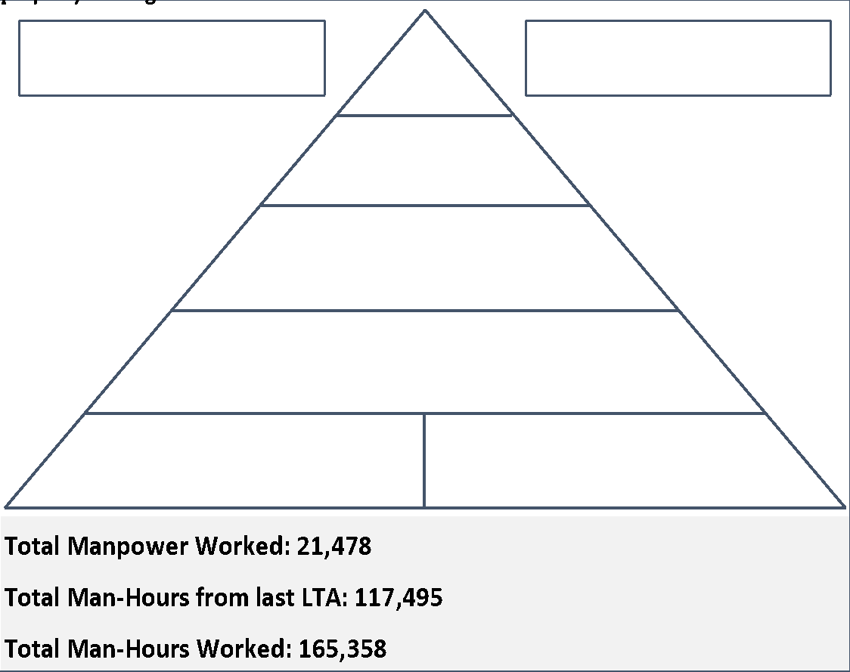
 |  |  |  |  |  |  |  |  | xxx | #VALUE! | 47% | 57.05% | 7-Nov-15 A | 9-Mar-16 |  |  |  |  |  |  |  |  |  | 3 | EGP 1,640,000.00 | EGP 2,054,656.36 | 3
 |  |  |  |  |  |  |  |  | xxxx | 13 | 100% | 100% | 07-Nov-15 A | 06-Jan-16 A |  |  |  |  |  |  |  |  |  | 3 | EGP 2,354,554.31 |  | 4
 |  |  |  |  |  |  |  |  | 1-Mobilization | 23 | 100% | 100% | 14-Nov-15 A | 28-Dec-15 A |  |  |  |  |  |  |  |  |  | 4 | EGP 2,354,554.31 |  | 5
 |  |  |  |  |  |  |  |  | 2-General & Preliminaries | 4 | 100% | 100% | 14-Nov-15 A | 19-Nov-15 A |  |  |  |  |  |  | EGP 299,897.95 |  |  | 4 |  |  | 6
 |  |  |  |  |  |  |  |  | 3-Procurement | 5 | 100% | 100% | 24-Nov-15 A | 28-Dec-15 A |  |  |  |  |  |  |  | 299897.954 |  | 5 |  |  | 7
 |  |  |  |  |  |  |  |  | 4-Main Building | 64 | 52.08% | 65.66% | 23-Nov-15 A | 7-Mar-16 |  |  |  |  |  |  |  |  |  | 5 |  |  | 8
 |  |  |  |  |  |  |  |  | 4a- Second Basement | 29 | 100% | 100% | 23-Nov-15 A | 14-Jan-16 A | 195000000 |  |  |  |  |  |  |  |  | 6
 |  |  |  |  |  |  |  |  | 4b- First Basement | 32 | 17.38% | 30.76% | 11-Jan-16 A | 3-Mar-16 |  |  |  |  |  |  |  |  |  | 6
 |  |  |  |  |  |  |  |  | 4c- Ground Floor | 30 | 22% | 59.89% | 23-Jan-16 A | 7-Mar-16 |  |  |  |  |  |  |  |  |  | 7
 |  |  |  |  |  |  |  |  | 4d- First Floor | 55 | 60.78% | 75.93% | 08-Dec-15 A | 3-Mar-16 |  |  |  |  |  |  |  |  |  | 7
 |  |  |  |  |  |  |  |  | 4e- Second Floor | 8 | 100% | 100% | 08-Dec-15 A | 22-Dec-15 A |  |  |  |  |  |  |  |  |  | 8
 |  |  |  |  |  |  |  |  | 4f- Third Floor | 32 | 31.04% | 65.71% | 07-Jan-16 A | 25-Feb-16 |  |  |  |  |  |  |  |  |  | 8
 |  |  |  |  |  |  |  |  | 4g- Fourth Floor | 39 | 54.48% | 59.89% | 16-Jan-16 A | 3-Mar-16 |  |  |  |  |  |  |  |  |  | 9
 |  |  |  |  |  |  |  |  | 4h- Fifth Floor | 47 | 57.99% | 60.60% | 24-Dec-15 A | 3-Mar-16 |  |  |  |  |  |  |  |  |  | 9
 |  |  |  |  |  |  |  |  | 4i- Sixth Floor | 8 | 100% | 100% | 24-Dec-15 A | 07-Jan-16 A |  |  |  |  |  |  |  |  |  | 10 | EGP 8,000,000.00
 |  |  |  |  |  |  |  |  | 4j- Roof Floor | 30 | 24.06% | 27.09% | 16-Jan-16 A | 23-Feb-16
 |  |  |  |  |  |  |  |  | 4k- Upper Floor | 30 | 54% | 60% | 21-Jan-16 A | 3-Mar-16
 |  |  |  |  |  |  |  |  | 5- Façade Works | 34 | 18.88% | 33.52% | 09-Jan-16 A | 28-Feb-16
 |  |  |  |  |  |  |  |  | 5a- Northern facade | 24 | 69.13% | 69.13% | 09-Jan-16 A | 14-Feb-16
 |  |  |  |  |  |  |  |  | 5b- Southern facade | 23 | 5.95% | 12% | 16-Jan-16 A | 25-Feb-16
 |  |  |  |  |  |  |  |  | 5a- Eastern facade | 20 | 0% | 56% | 30-Jan-16 | 28-Feb-16
 |  |  |  |  |  |  |  |  | 5a- Western facade | 19 | 0% | 0% | 8-Feb-16 | 6-Mar-16
 |  |  |  |  |  |  |  |  | 6- External Works | 28 | 1% | 6.92% | 24-Jan-16 A | 1-Mar-16
 |  |  |  |  |  |  |  |  | 7- Testing & Commissioning | 22 | 0% | 29% | 28-Jan-16 | 27-Feb-16

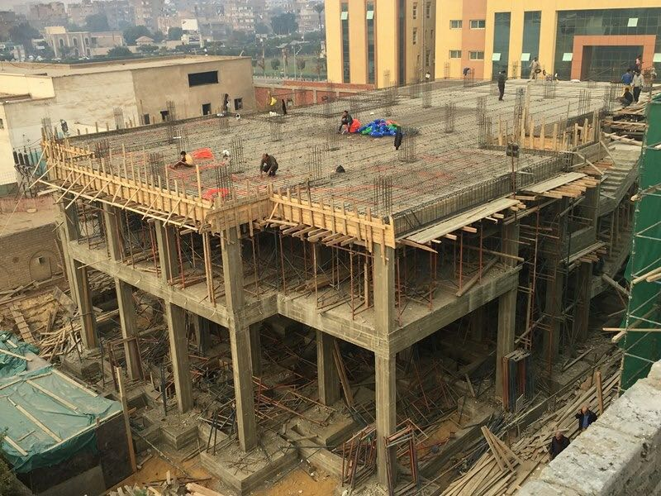
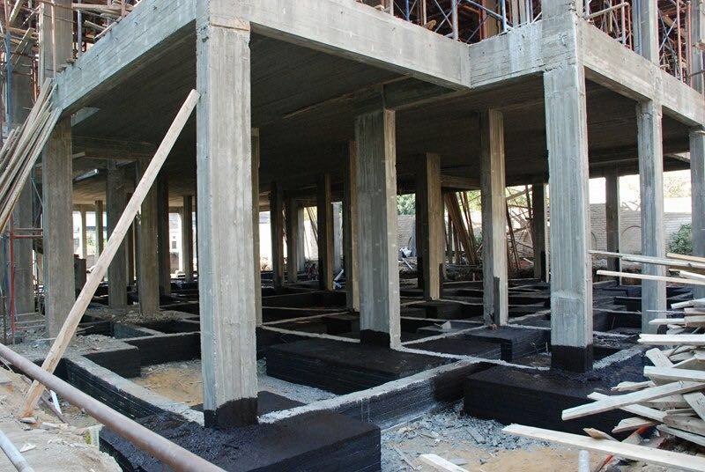
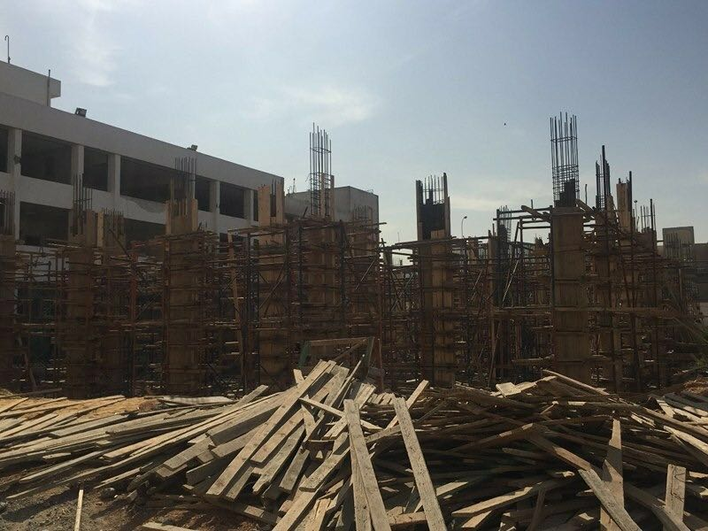
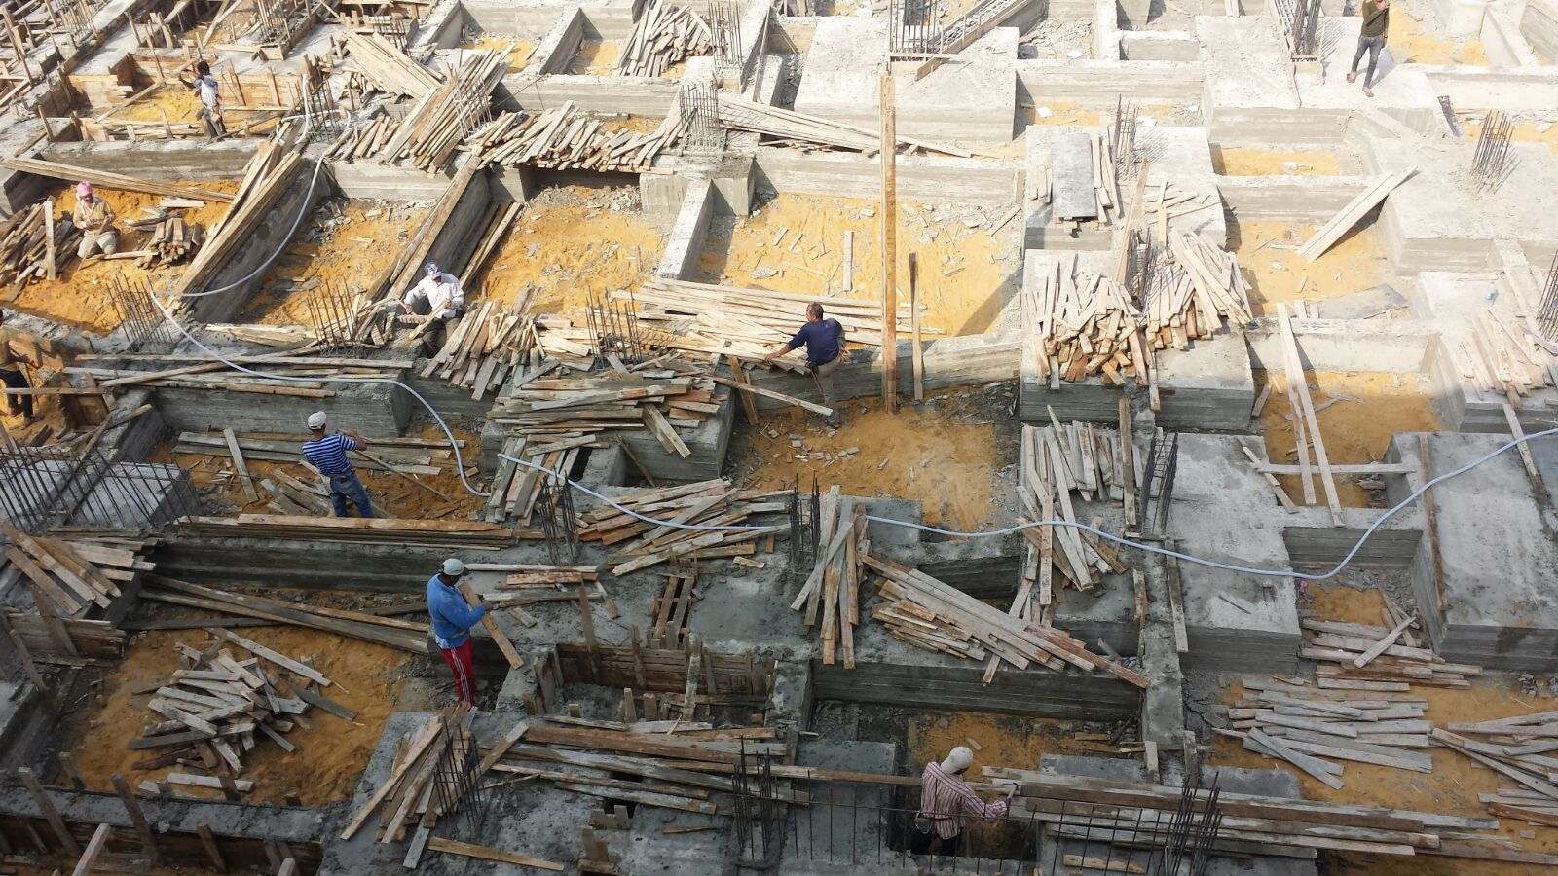
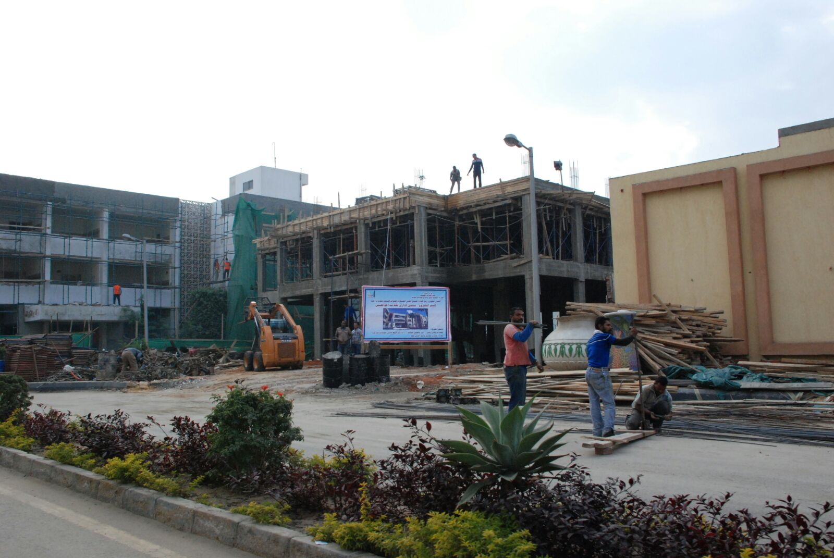
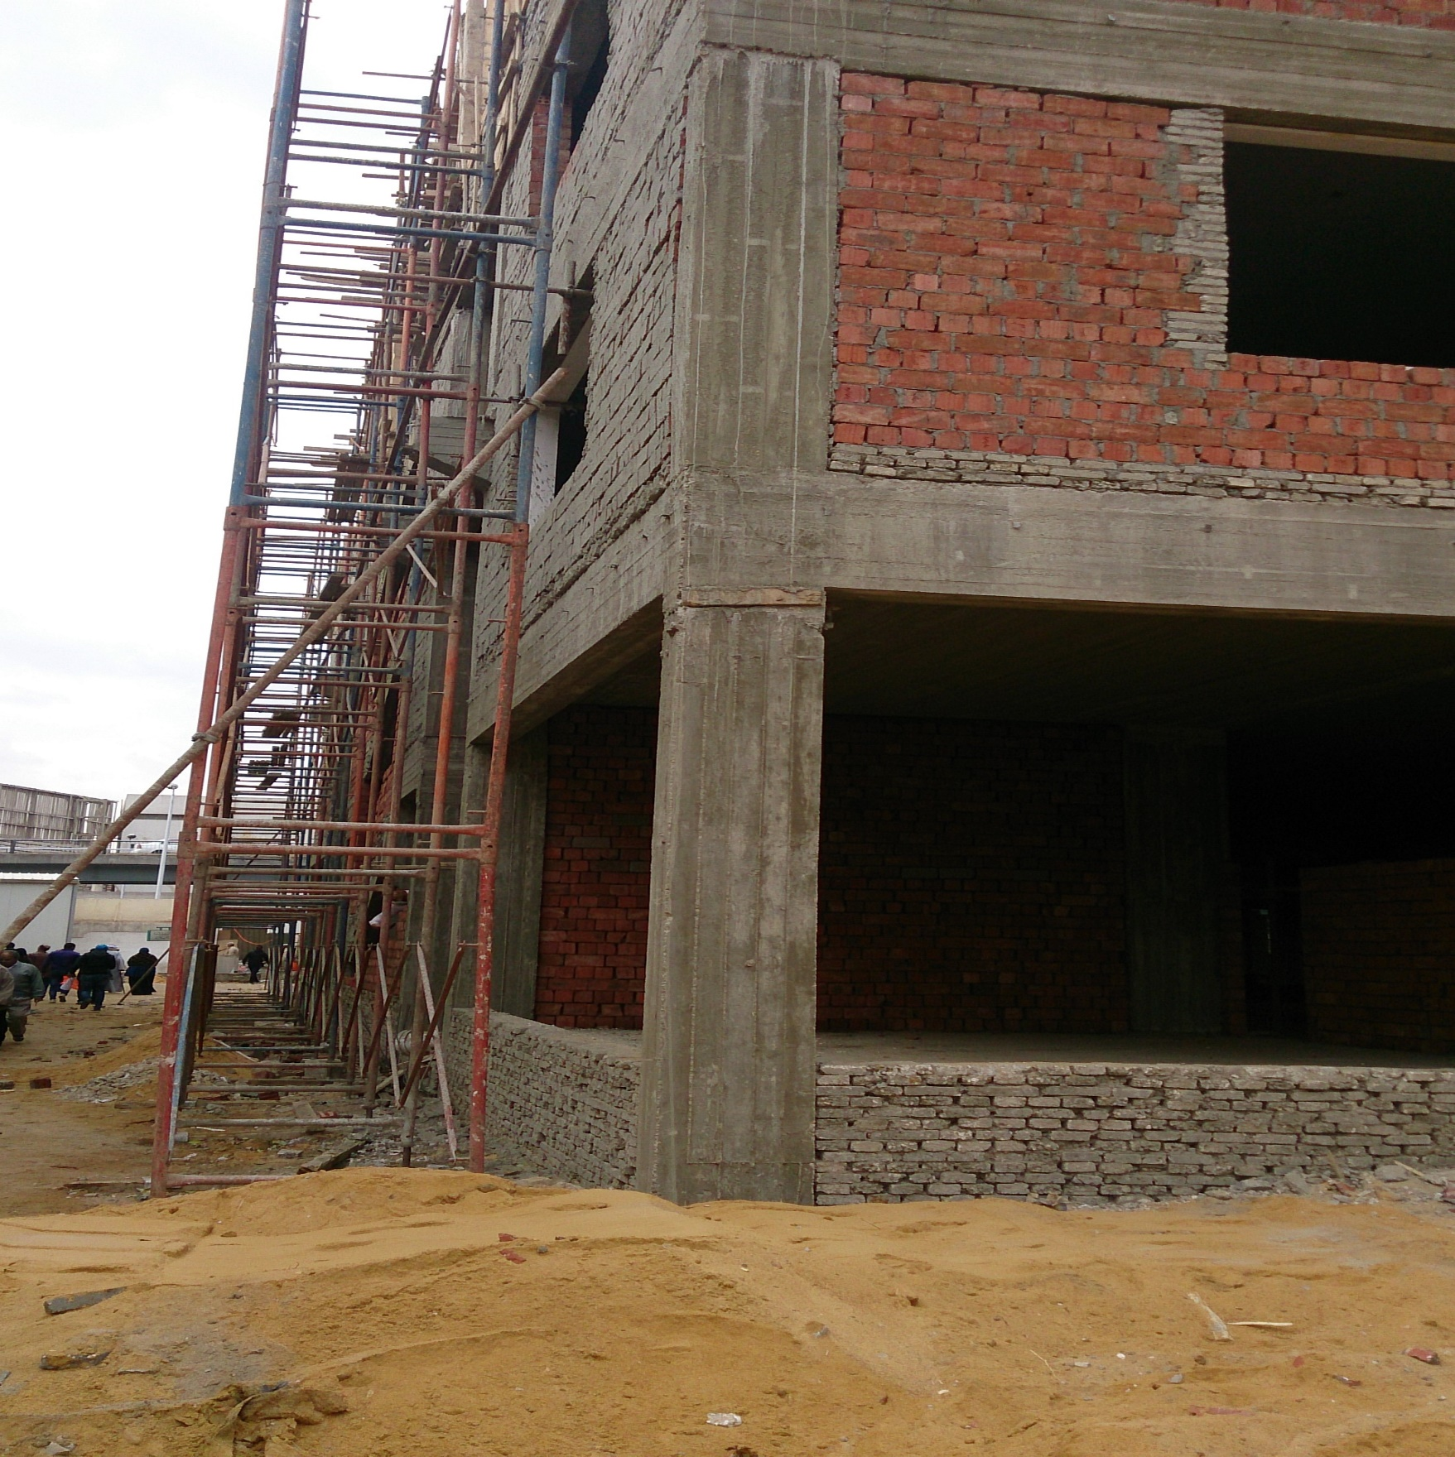
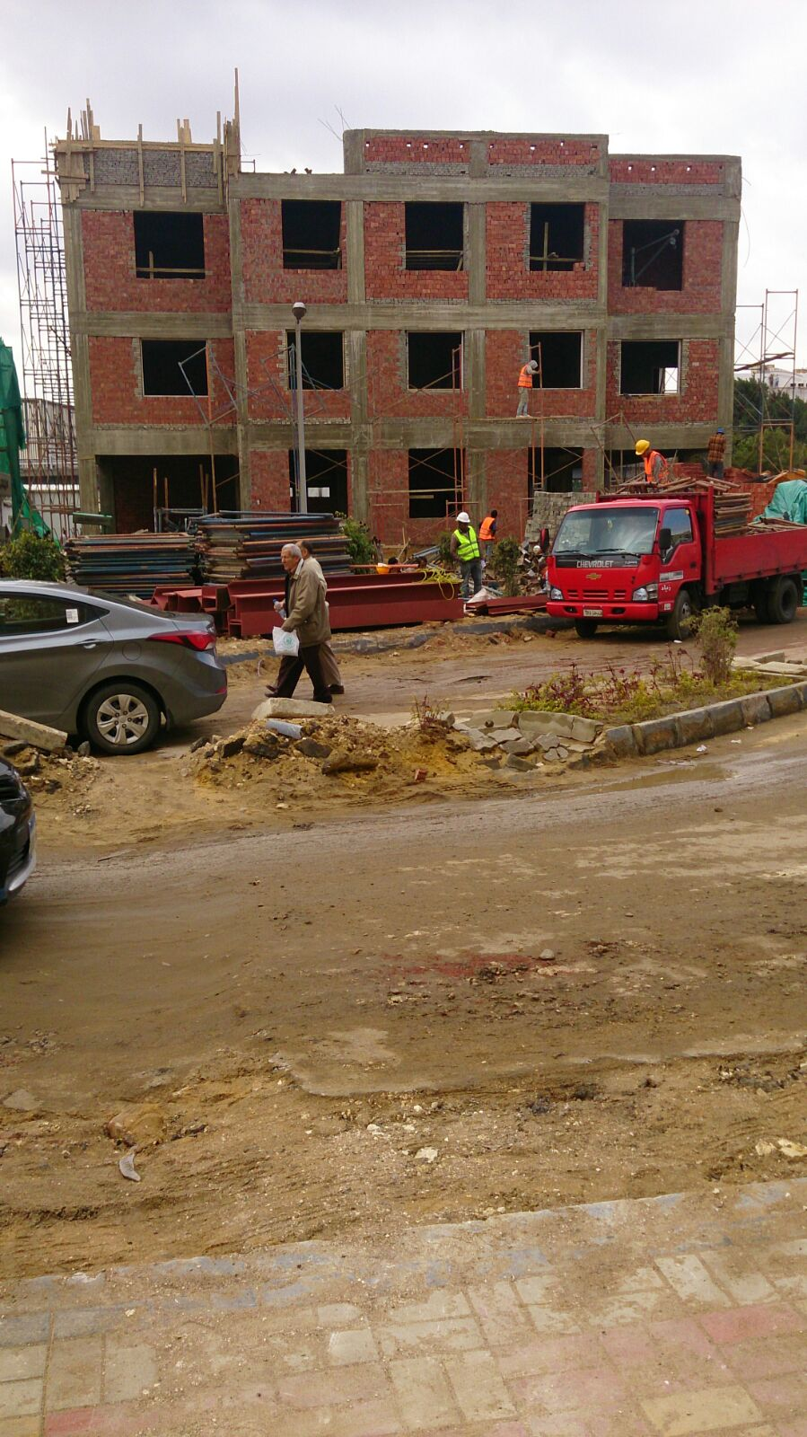

xxxxx
xxxxx
xxxxx
xxxxxx
xxxxxx
xxxxx
Masonry Works

