Sheet1
SOC (e.g. Basement): Parallel Universe Communication Key (PUCK)
AJS | BKT | CLU | DMV | ENW | FOX | GPY | HQZ | IR |  |  |  | A~Z+
1: Legs | 2: Arms | 3: Groin | 4: Abdomen | 5: Heart | 6: Neck | 7: Face | 8: Brain | 9: Skin | 10!: Tresses | 11: SOC | 12: AI | 0: ALL
1SUN | 2MON | 3TUE | 4WED | 5THU | 6FRI | 7SAT

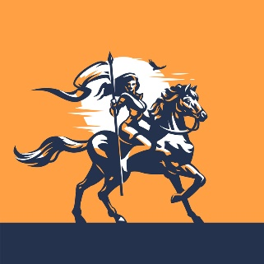

 |  |  |  |  |  |  |  |  |  |  |  |  | <= CLICK ILLUSTRATION after Assigning Macro (see How To):
 |  |  |  |  |  |  |  |  |  |  |  |  | ID 203253415 © Trivision4 | Dreamstime.com
 |  |  |  |  |  |  |  |  |  |  |  |  | //dreamstime_s_203253415

