CR APPROVAL STATUS
Subcategory | Change ID | Rtc Id | Service | Affected Configuration Item | Planned For | Approval Status | Current Pending Groups
Defect | C354736 | 1589441 | CSS | Core CSS | 2023SEP07 | Pending | CSS-Approver | Query
Defect | C354737 | 1599647 | Catalogue | Consumer Fixed | 2023SEP07 | Pending | IT_ConceptWave
Enhancement | C354738 | 1598541 | ATG | ATG_B2C | 2023SEP07 | Pending | IT_VAS_Approver
Enhancement | C354739 | 1597853 | ATG | ATG-B2B | 2023SEP07 | Pending | IT_VAS_Approver | 1 | Select the below Fields
Enhancement | C354740 | 1383375 | Catalogue | ECM-Fixed | 2023SEP07 | Pending | IT_ConceptWave
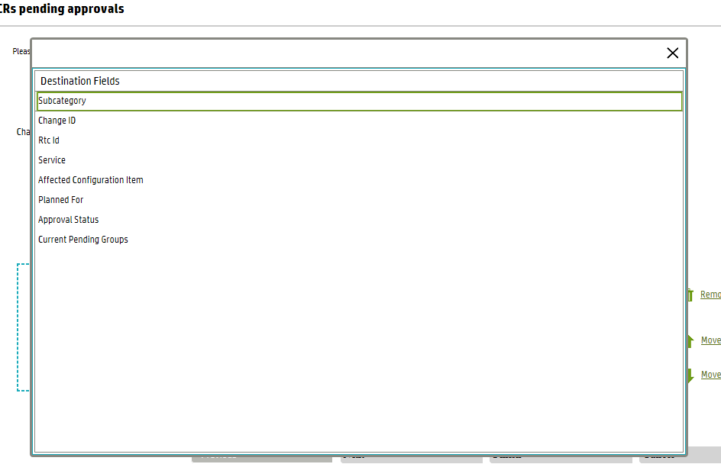
Enhancement | C354741 | 1579967 | Catalogue | ECM-Fixed | 2023SEP07 | Pending | IT_ConceptWave
Enhancement | C354742 | 1584793 | Catalogue | ECM-Fixed | 2023SEP07 | Pending | IT_ConceptWave
Enhancement | C354743 | 1592882 | Catalogue | ECM-Fixed | 2023SEP07 | Pending | IT_ConceptWave
Enhancement | C354744 | 1598085 | Catalogue | ECM-Mobile | 2023SEP07 | Pending | IT_ConceptWave
Enhancement | C354745 | 1597635 | Catalogue | ECM-Mobile | 2023SEP07 | Pending | IT_ConceptWave
Enhancement | C354746 | 1599486 | Catalogue | ECM-Mobile | 2023SEP07 | Pending | IT_ConceptWave
Enhancement | C354747 | 1597909 | CIM-Muamalaty | Muamalaty-Mobile | 2023SEP07 | Pending | IT_AO_CIM_Muamalaty
Enhancement | C354748 | 1597543 | CIM-Muamalaty | Muamalaty-Mobile | 2023SEP07 | Pending | IT_AO_CIM_Muamalaty
Enhancement | C354749 | 1598271 | CIM-Muamalaty | CIM-Account Inquiry | 2023SEP07 | Pending | IT_AO_CIM_Muamalaty
Enhancement | C354750 | 1598302 | COMS | Inquiries-and-APIs | 2023SEP07 | Pending | sambady
Enhancement | C354751 | 1598387 | COMS | Webservices | 2023SEP07 | Pending | sambady
Enhancement | C354752 | 1598418 | Digital Service | UAE Mobile App | 2023SEP07 | Pending | IT_VAS_Approver
Enhancement | C354753 | 1598158 | ESB-BPM | TIBCO | 2023SEP07 | Pending | TIBCO-ITO-L2
Enhancement | C354754 | 1597432 | ESB-BPM | BPM | 2023SEP07 | Pending | ESB-BPM
Enhancement | C354755 | 1276108 | FALCON | FALCON-BSCS | 2023SEP07 | Pending | moyibrahim
Enhancement | C354756 | 1580967 | FALCON | FALCON-BSCS | 2023SEP07 | Pending | moyibrahim
Enhancement | C354757 | 1276149 | FALCON | FALCON-EBW | 2023SEP07 | Pending | mrabee
Enhancement | C354758 | 1448802 | FALCON | FALCON-SS | 2023SEP07 | Pending | moyibrahim
Enhancement | C354759 | 1596621 | OrderManagement-Fixed | CW-ConceptWave | 2023SEP07 | Pending | IT_ConceptWave
Enhancement | C354760 | 1598384 | OrderManagement-Fixed | CW-ASAP | 2023SEP07 | Pending | IT_ConceptWave
Enhancement | C354761 | 1583244 | OrderManagement-Fixed | CW-ASAP | 2023SEP07 | Pending | IT_ConceptWave
Enhancement | C354762 | 1598403 | PMS-NRM | NRM Application | 2023SEP07 | Pending | mrizni
Enhancement | C354763 | 1583315 | RTF | RTF Database | 2023SEP07 | Pending | nalsaeedi | 2 | In filters, select category RTC
Enhancement | C354764 | 1597860 | RTF | RTF Database | 2023SEP07 | Pending | nalsaeedi
Enhancement | C354765 | 1591230 | RTF | RTF Database | 2023SEP07 | Pending | nalsaeedi
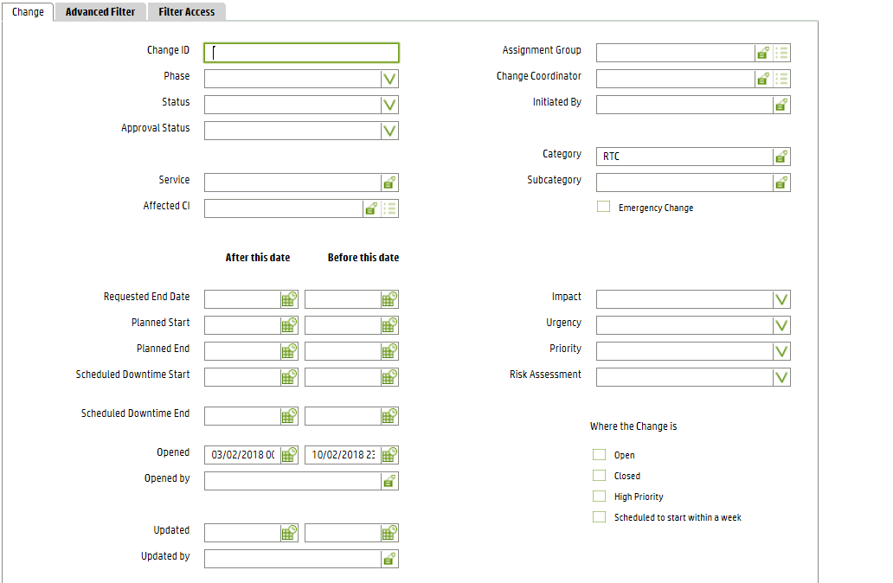
Enhancement | C354766 | 1598858 | RTF | RTF Database | 2023SEP07 | Pending | nalsaeedi
Enhancement | C354767 | 1589949 | RTF | RTF Database | 2023SEP07 | Pending | nalsaeedi
Enhancement | C354768 | 1597453 | USP | USP-Indirect | 2023SEP07 | Pending | AO-L2-CRM
Enhancement | C354769 | 1597919 | WFMS | WFMS - FSM Web | 2023SEP07 | Pending | mchira
Enhancement | C354770 | 1597859 | WFMS | WFUI | 2023SEP07 | Pending | mchira
Enhancement | C354771 | 1597937 | WFMS | SIH | 2023SEP07 | Pending | afathalla
Enhancement | C354772 | 1597876 | WFMS | SIH | 2023SEP07 | Pending | afathalla
Deployment Request | C354773 | 1597850 | ATG | ATG-B2B | 2023SEP07 | Pending | IT_VAS_Approver
Deployment Request | C354774 | 1597857 | ATG | ATG_B2C | 2023SEP07 | Pending | IT_VAS_Approver
Deployment Request | C354775 | 1597398 | ATG | CMS B2B Transformation | 2023SEP07 | Pending | IT_VAS_Approver
Deployment Request | C354776 | 1597970 | ATG | ATG_B2C | 2023SEP07 | Pending | IT_VAS_Approver
Deployment Request | C354777 | 1597863 | ATG | ATG_B2C | 2023SEP07 | Pending | IT_VAS_Approver
Deployment Request | C354778 | 1598508 | CBCM | CBCM-Application | 2023SEP07 | Pending | AO-L2-CRM
Deployment Request | C354779 | 1598276 | CIM-Muamalaty | CIM-Account Inquiry | 2023SEP07 | Pending | IT_AO_CIM_Muamalaty
Deployment Request | C354780 | 1597924 | CIM-Muamalaty | Muamalaty-Mobile | 2023SEP07 | Pending | IT_AO_CIM_Muamalaty
Deployment Request | C354781 | 1598299 | CRMGateway | CRMGateway_Libraries | 2023SEP07 | Pending | AO-L2-CRM
Deployment Request | C354782 | 1597565 | CSS | Core CSS | 2023SEP07 | Pending | CSS-Approver
Deployment Request | C354783 | 1597576 | CSS | Core CSS | 2023SEP07 | Pending | CSS-Approver
Deployment Request | C354784 | 1598308 | Digital Service | SMB mobile APP | 2023SEP07 | Pending | IT_VAS_Approver
Deployment Request | C354785 | 1598455 | Digital Service | UAE Mobile App | 2023SEP07 | Pending | IT_VAS_Approver
Deployment Request | C354786 | 1598410 | Digital Service | UAE Mobile App | 2023SEP07 | Pending | IT_VAS_Approver
Deployment Request | C354787 | 1597804 | Dynamics-CRM | Business-CRM | 2023SEP07 | Pending | hanyraouf | 2 | In Open date select Sunday to Saturday i.e whole week
Deployment Request | C354788 | 1597378 | ESB-BPM | BPM | 2023SEP07 | Pending | ESB-BPM
Deployment Request | C354789 | 1577531 | ESB-BPM | TIBCO | 2023SEP07 | Pending | TIBCO-ITO-L2
Deployment Request | C354790 | 1597419 | ESB-BPM | BPM | 2023SEP07 | Pending | ESB-BPM
Deployment Request | C354791 | 1597685 | ESB-BPM | TIBCO | 2023SEP07 | Pending | TIBCO-ITO-L2
Deployment Request | C354792 | 1599805 | ESB-BPM | TIBCO | 2023SEP07 | Pending | TIBCO-ITO-L2
Deployment Request | C354793 | 1597865 | ESB-BPM | TIBCO | 2023SEP07 | Pending | TIBCO-ITO-L2
Deployment Request | C354794 | 1599587 | ESB-BPM | TIBCO | 2023SEP07 | Pending | TIBCO-ITO-L2
Deployment Request | C354795 | 1597874 | ESB-BPM | TIBCO | 2023SEP07 | Pending | TIBCO-ITO-L2
Deployment Request | C354796 | 1598032 | ESB-BPM | TIBCO | 2023SEP07 | Pending | TIBCO-ITO-L2
Deployment Request | C354797 | 1598038 | ESB-BPM | TIBCO | 2023SEP07 | Pending | TIBCO-ITO-L2
Deployment Request | C354798 | 1577546 | ESB-BPM | TIBCO | 2023SEP07 | Pending | TIBCO-ITO-L2
Deployment Request | C354799 | 1597855 | ESB-BPM | TIBCO | 2023SEP07 | Pending | TIBCO-ITO-L2
Deployment Request | C354800 | 1598707 | ESB-BPM | TIBCO | 2023SEP07 | Pending | TIBCO-ITO-L2
Deployment Request | C354801 | 1597168 | ESB-BPM | TIBCO | 2023SEP07 | Pending | TIBCO-ITO-L2
Deployment Request | C354802 | 1278225 | FALCON | FALCON-SS | 2023SEP07 | Pending | moyibrahim
Deployment Request | C354803 | 1598649 | Indirect Channel Retailer Portal | RetailerPortal | 2023SEP07 | Pending | AO-Unified-Sales-Portal
Deployment Request | C354804 | 1598555 | OrderManagement-Fixed | CW-ConceptWave | 2023SEP07 | Pending | IT_ConceptWave
Deployment Request | C354805 | 1598872 | PMS-NRM | NRM Application | 2023SEP07 | Pending | mrizni
Deployment Request | C354806 | 1591243 | RTF | RTF Application | 2023SEP07 | Pending | nalsaeedi
Deployment Request | C354807 | 1597890 | RTF | RTF Application | 2023SEP07 | Pending | nalsaeedi
Deployment Request | C354808 | 1597437 | USP | USP-Indirect | 2023SEP07 | Pending | AO-L2-CRM
Deployment Request | C354809 | 1598288 | WFMS | SIH | 2023SEP07 | Pending | afathalla
Deployment Request | C354810 | 1598270 | WFMS | WFUI | 2023SEP07 | Pending | mchira
Deployment Request | C354811 | 1598486 | COMS | Inquiries-and-APIs | 2023SEP07 | Pending | sambady
Deployment Request | C354812 | 1598512 | OrderManagement-Fixed | CW-ConceptWave | 2023SEP07 | Pending | IT_ConceptWave

