Sheet1
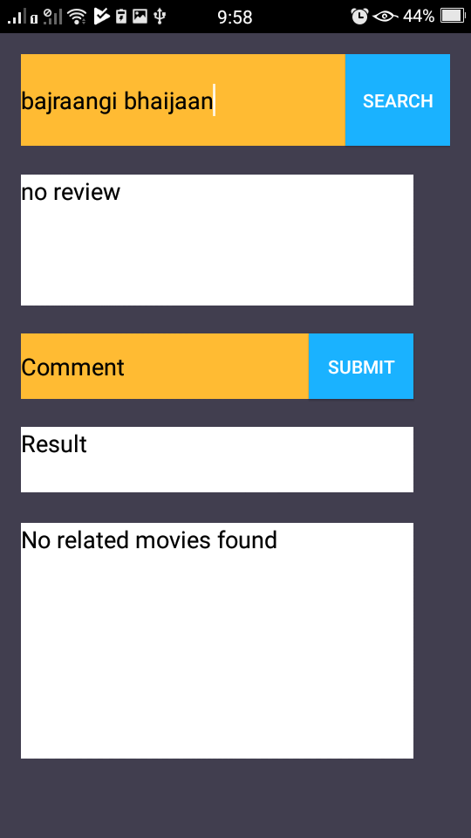
Case: | Expected Result | Actual Result | Pass/Fail
Case 1: Login Screen- User on entering username and password will be successfully logged in the app | With input for username as 'admin' and for password as 'admin' login is successful | User on entering username and password both as admin is given access to application and is then directed to the next screen | Pass

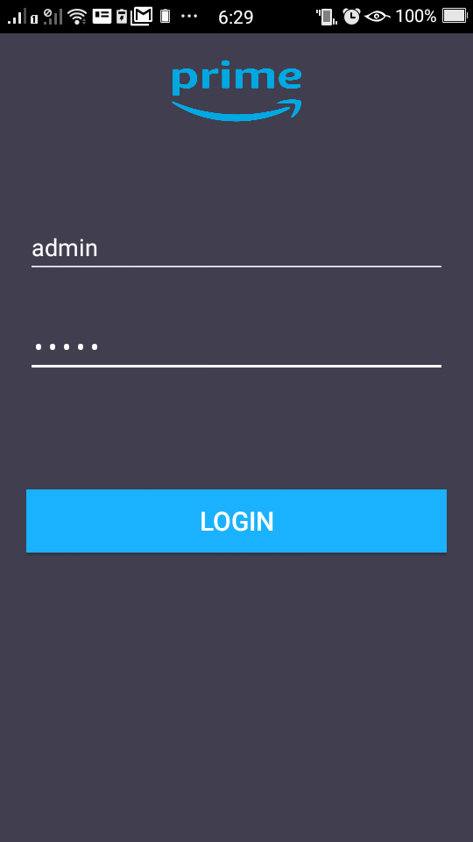

Case 2: Correctly classifying positive comments | The built model should correctly classify the Positve comments on user input.User on entering word 'awesome' should be classified as as positive review. | The model has classified this review as Positive Review | Pass
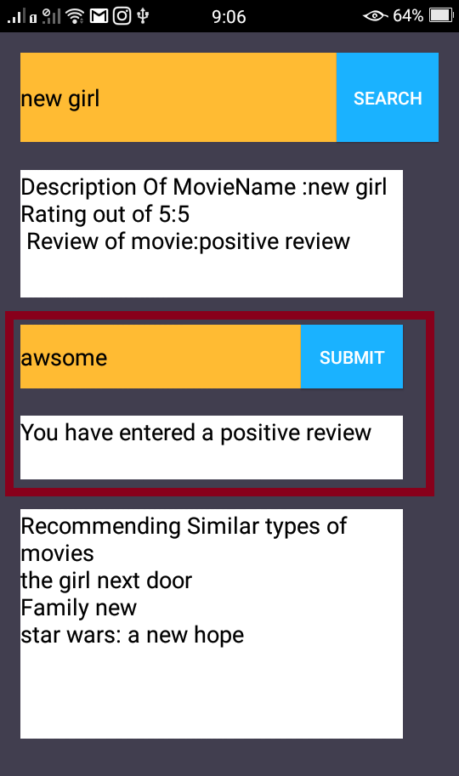

Case 3: Correctly classifying negative comments | The built model should correctly classify the Negative comments on user input.User on entering word 'bad' should be classified as as negative review. | The model has classified this review as Negative Review | Pass

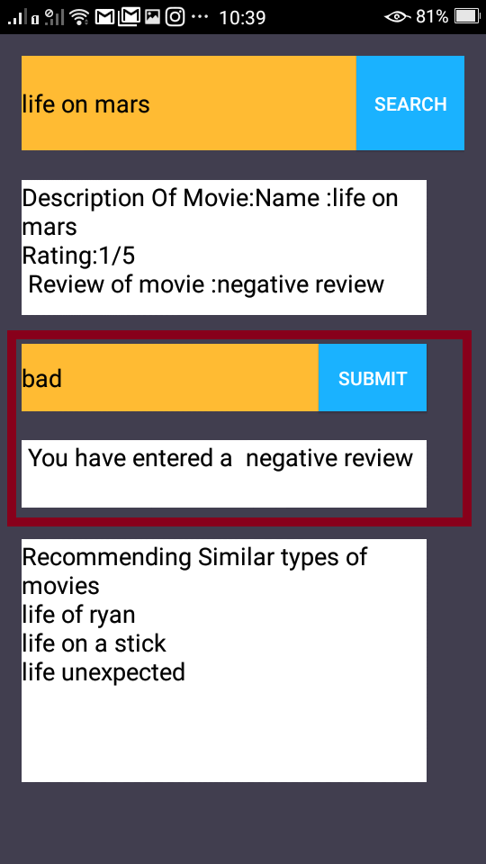

Case 4: Recommendation System: Recommendation for similar movie/TV shows. Here when user enters any respective movie/TV name the system will give top recommendations | Here user input is 'Life on mars', the system should retreive 'Life of ryan' and 'Life on a stick' and ''Life unexpected' as top recommendations | User on entering 'Life on Mars' gets expexted recommendations. | Pass

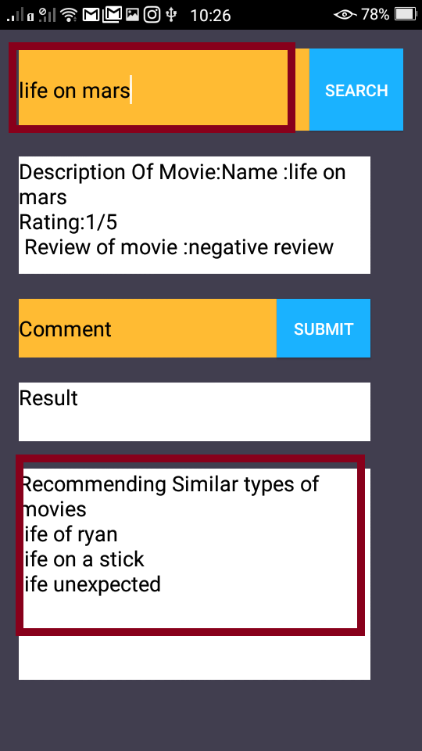

Case 5: Exception handle: When user inserts a movie name which is invalid/not in database | When user inserts invalid movie name then 'no related movies found' message should be displayed | When user inserts invalid movie name then application displays 'no related movies found' message succesfully. | Pass

