GoBusBugReport
Bug Id | Bug Description | Steps to reproduce | Expected Result | Actual Result | Severity | Priority | Test Data | Screenshots
GoBus_Bug_001 | User can create account with invalid email domain | 1- Open 'GoBus' app. | 1- App shall open successfully. | 1- App opened successfully. | Critical | High | fullName: Salma Tarek. Mobile Number: 01030390022 Email Address: salmatarek@test.com Password: 12345678 Confirm Password: 12345678 | 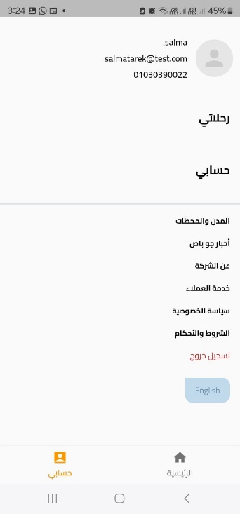
 |  | 2- Press on 'My Account' icon in right down in the screen. | 2- Account page shall open successfully. | 2- Account page opened successfully.
 |  | 3- Press on 'Login account'. | 3- Login page shall shall open successfully. | 3- Login page opened successfully.
 |  | 4- Press on 'Create Account With Email'. | 4- Pop up window shall appear contains Sign Up details. | 4- Pop up window appeared contains Sign Up details.
 |  | 5- Fill sign up details. | 5- Pop up window shall appear contains Sign Up details. | 5- Pop up window appeared contains Sign Up details.
 |  | 6. Press on 'Sign Up' button. | 6- An error shall appear that email is incorrect and the account shouldn't be created. | 6- An error messages appears but the account created successfully
GoBus_Bug_002 | User can create account with invalid name with spaces | 1- Open 'GoBus' app. | 1- App shall open successfully. | 1- App opened successfully. | Medium | Medium | fullName: Salma Tarek. Mobile Number: 01030390022 Email Address: salmatarek@test.com Password: 12345678 Confirm Password: 12345678 | 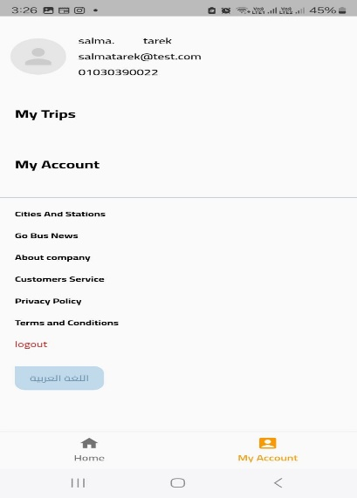
 |  | 2- Press on 'My Account' icon in right down in the screen. | 2- Account page shall open successfully. | 2- Account page opened successfully.
 |  | 3- Press on 'Login account'. | 3- Login page shall shall open successfully. | 3- Login page opened successfully.
 |  | 4- Press on 'Create Account With Email'. | 4- Pop up window shall appear contains Sign Up details. | 4- Pop up window appeared contains Sign Up details.
 |  | 5- Fill sign up details. | 5- Pop up window shall appear contains Sign Up details. | 5- Pop up window appeared contains Sign Up details.
 |  | 6. Press on 'Sign Up' button. | 6- An error shall appear that name is invalid and the account shouldn't be created. | 6- An error messages appears but the account created successfully
GoBus_Bug_003 | "Web page not available" error appears when trying to open "Google Maps" app to check the locations of the pickup points | 1- Open 'GoBus' app. | 1- App shall open successfully. | 1- App opened successfully. | High | Medium |  | 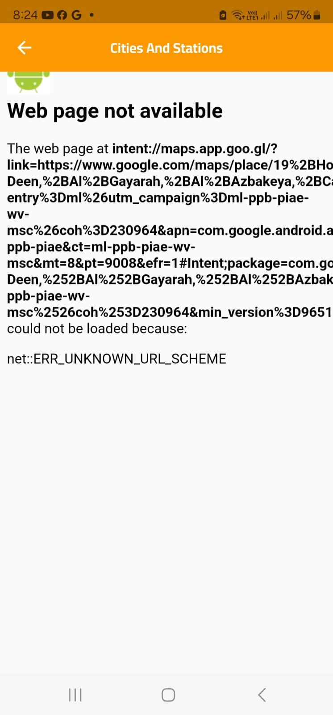
 |  | 2- Press on 'My Account' icon in right down in the screen. | 2- Account page shall open successfully. | 2- Account page opened successfully.
 |  | 3- Press on 'Cities And Stations' option. | 3- Page contains bus station shall open successfully. | 3- Page contains bus station opened successfully.
 |  | 4- Press on 'Show on Map' under any point. | 4- Location page shall open for this puckup point. | 4- Location page opened for this puckup point.
 |  | 5- Press on "Open app" button on the upper right of the page. | 5- Google Maps app shall open successfully. | 5- "Web page not available" error appears
GoBus_Bug_004 | Unwanted days selected if the difference between the Travel date and Return date is more than one day | 1- Open 'GoBus' app. | 1- App shall open successfully. | 1- App opened successfully. | Low | Low
 |  | 2- Choose "Travel And Return" option. | 2- Return date shall be enabled successfully. | 2- Return date is enabled successfully.
 |  | 3- Choose Travel date and Return date with more than one day difference between them. | 3- Travel day and Return day only shall be selected. | 3- Travel day and Return day also all the days between them are selected.
GoBus_Bug_005 | Select Destination City drop down list contains Cities in Arabic and English Languages when English language is selected | 1- Open 'GoBus' app. | 1- App shall open successfully. | 1- App opened successfully. | Medium | Medium
 |  | 2- Press on 'حسابى' icon in left down in the screen. | 2- Account page shall open successfully. | 2- Account page opened successfully.
 |  | 3- Press on 'English' icon in the right down in the screen. | 3- English language shall be selected successfully. | 3- English language is selected successfully.
 |  | 4- Go to Home page and select 'Select Destination City drop down list' and check the language of the cities. | 4- All the cities shall be in English language. | 4- The list includes some cities in Arabic language Ex: ملوى, القصير

