interface
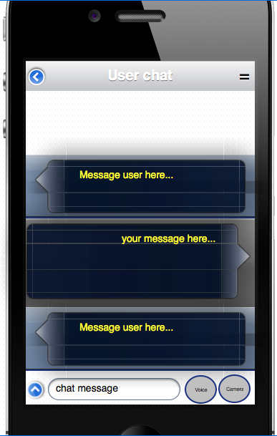
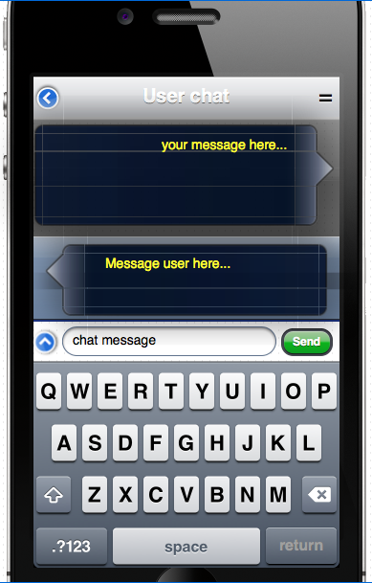
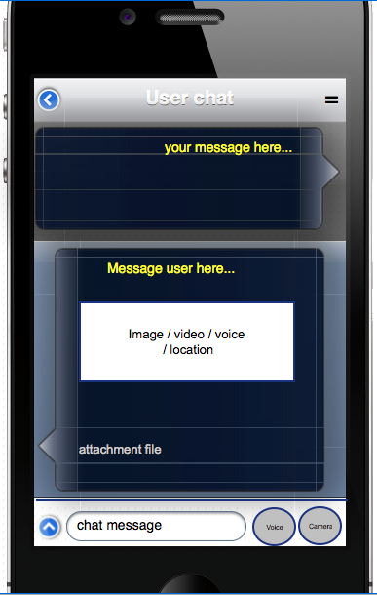
Page | Login
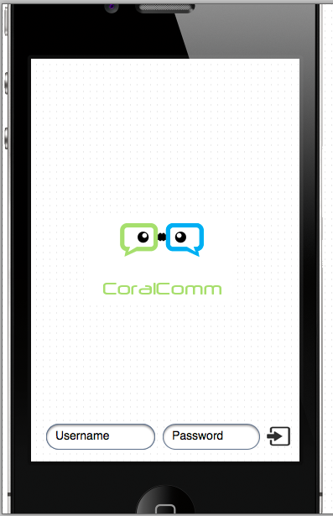

Login symbol.
run Controler-Login with API-login

Page | Main ( 3 interface )
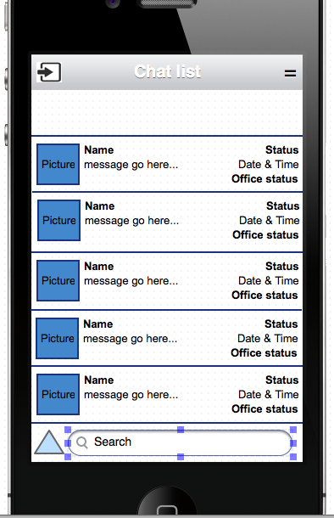
Menu, 1. configuration 2. about
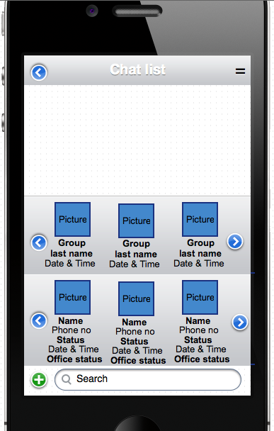
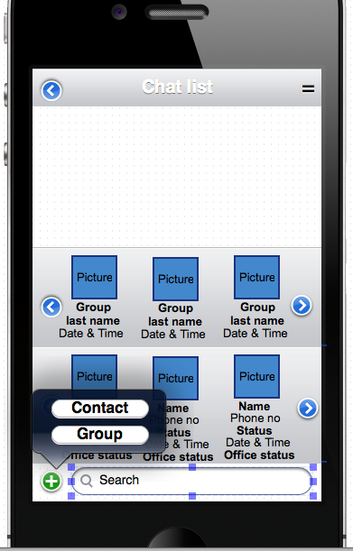

Back to login

List of existing people chat, sort dari atas
Last name is the last person who send message.
Long press go to create/update group page

go to page : contact and page:group

Long presst go to contact information page

People. Click ini akan ke popup seperti disebelah

Search responsive (Use angular filtering) for both group and contact list

Search responsive (Use angular filtering)

Page | create new contact
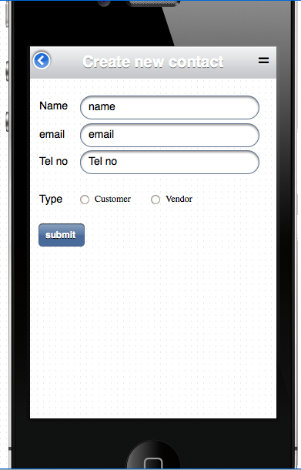

New contact not from staff, manually keyin.

run controller : create_new_contact and API : create_new _contact

Page | create/update group
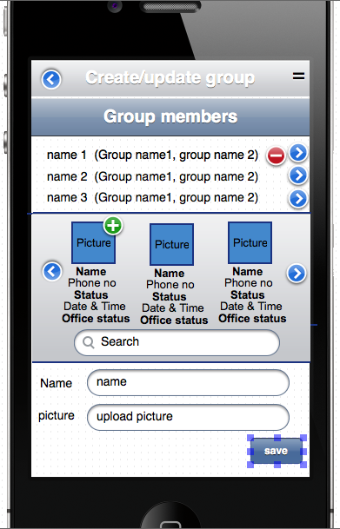

run controller : create_update_group with API : create_update_group

Page | Contact information

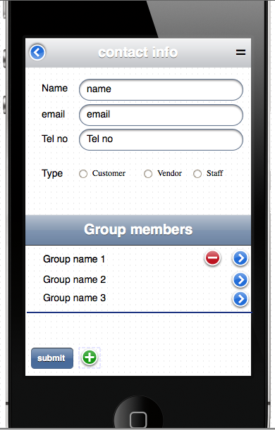

go to create new contact page

run controller : update_contact_info

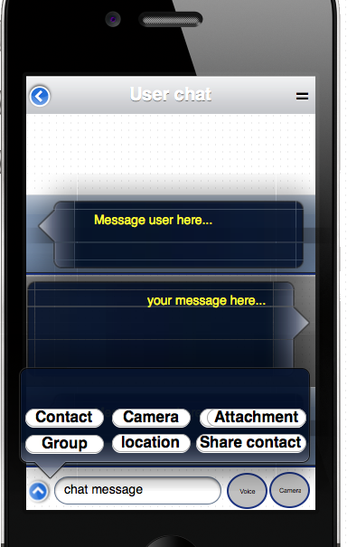
Page | Contact information ( 4 interface)

