Table 6
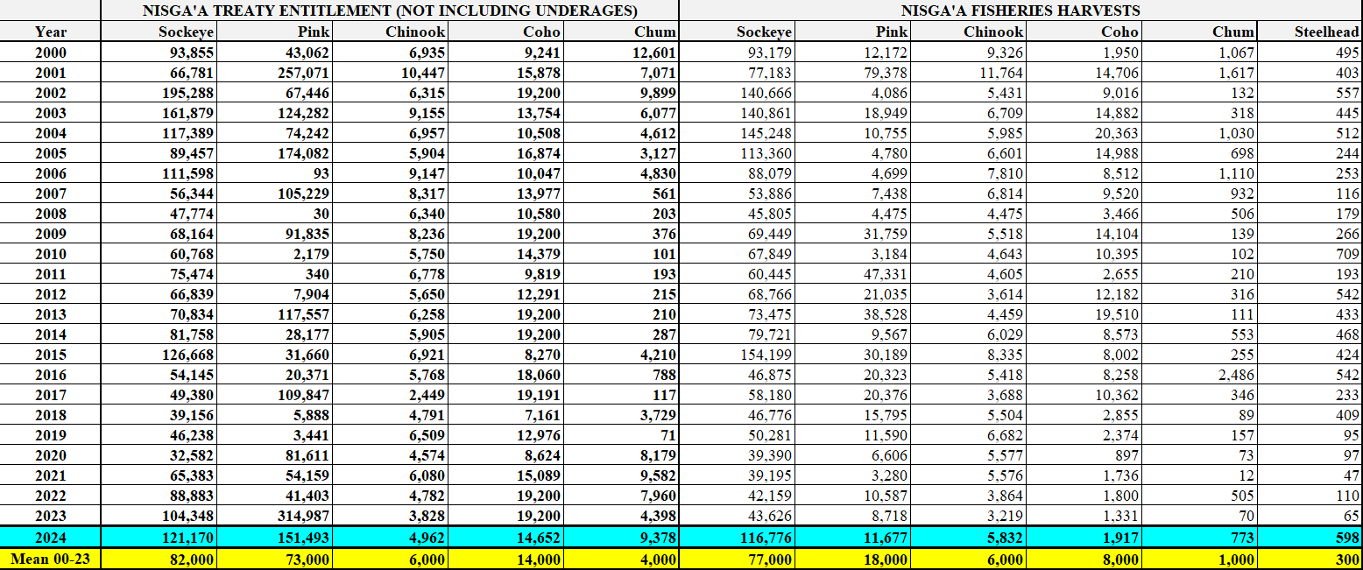
Nisga’a Fisheries and Wildlife Department – 2024 Post-Season Summary – 3 December 2024 Page 13

