Table 5
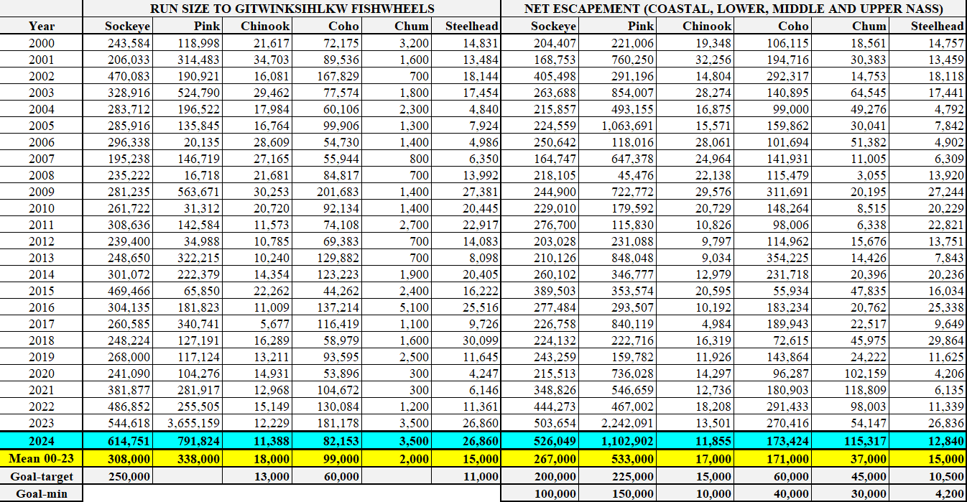
2024 Alaskan Fisheries in SE Alaska (courtesy of Alaska Department of Fish and Game) The 2024 Alaskan Southeast fisheries started on 16 June for gillnet fisheries in District 101 (Tree Point) and District 106 (Sumner and Upper Clarence), and for seine fisheries, 4 July for Districts 101 and 102, 14 July for District 104, and 25 July for District 103. Preliminary estimates of catches of salmon are approximately 15,911,000 in Alaskan commercial net fisheries in Districts 101–106 (and mean catch comparisons from 2000 to 2023) and shown in Table 10. Estimated total salmon catches in these fisheries to 31 August are 15.9 million salmon which is above average (14.2 million). Districts 101-104 seine fisheries shutdown for the season on 29 August (Table 10).

