Table 7
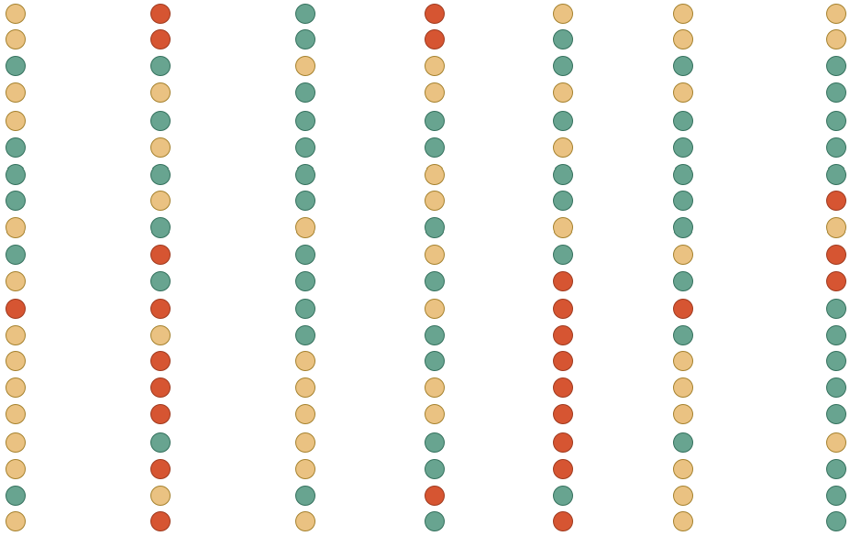
* Color coding from mean averages from 1992-2023: Green - above average; Tan - below average but higher than 1 SD; and Red - below average and lower than 1 SD. | WORST

