Sheet1
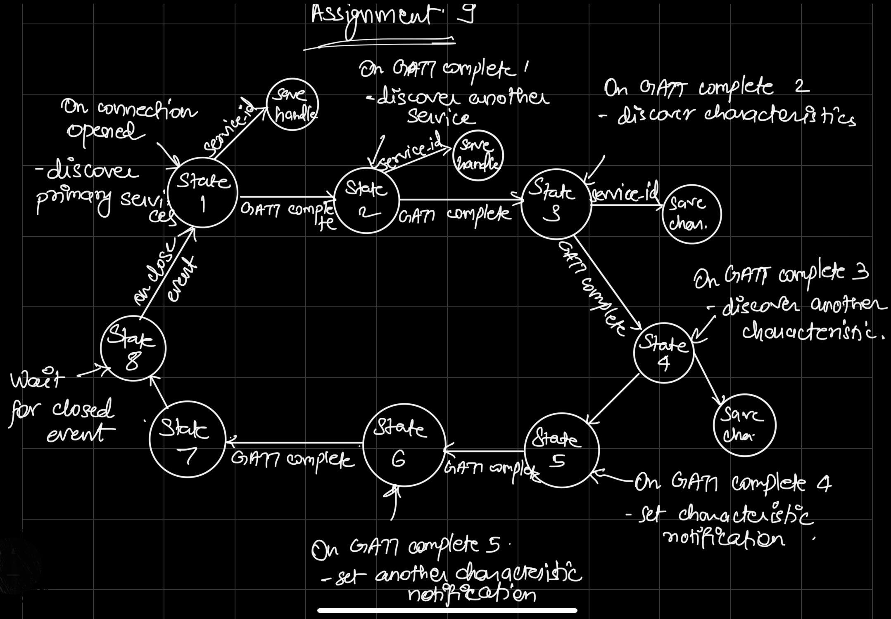
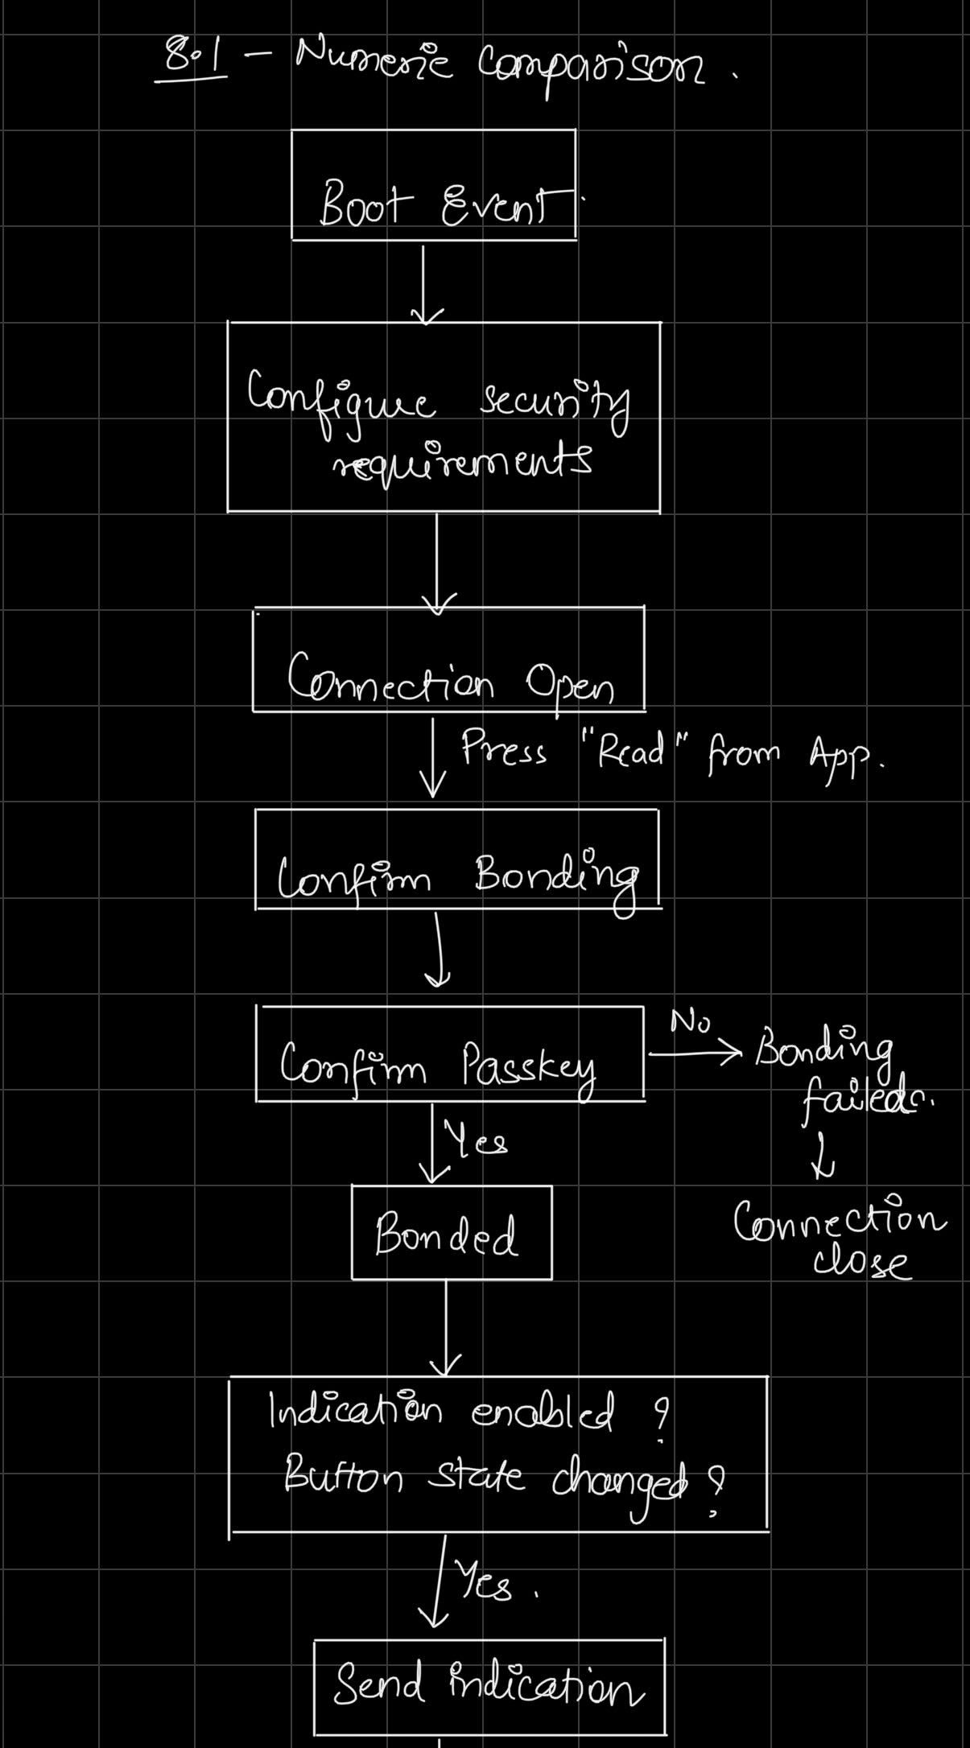
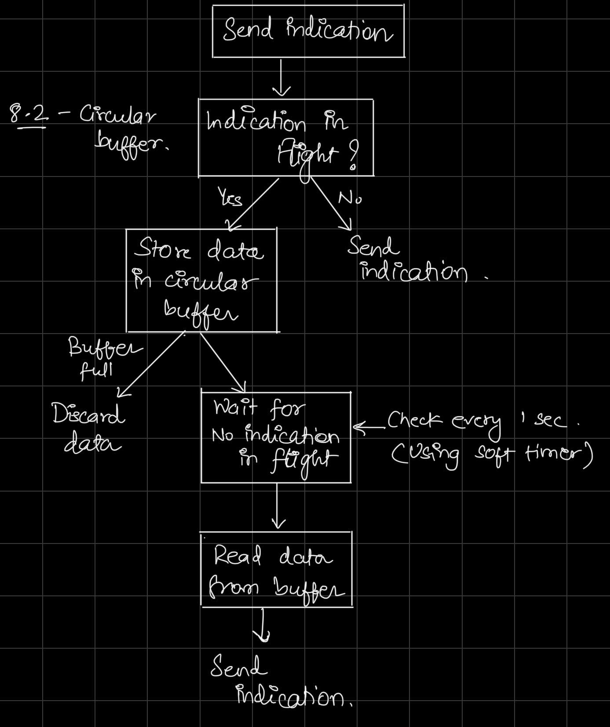
Command Table for A8

 | Use this table to help you design your program. Add rows as needed. | Use this column to describe when and what your LCD display changes to for rows like DISPLAY_ROW_CONNECTION | Use this column to denote if BT stack events cause your state machine to advance, you can put an X in the cell to note this. Drawing a bubble diagram of your state machine might also be a good idea 👍. | Commands that may be useful: sl_bt_gatt_discover_primary_services_by_uuid() sl_bt_gatt_discover_characteristics_by_uuid() sl_bt_gatt_set_characteristic_notification()
 | Event | LCD Display State | Advances State Machine | Commands called in response to event | Notes
Events Common to Slaves/Clients
 | sl_bt_evt_system_boot_id | DISPLAY_ROW_NAME, "Server" |  |  | This event is generated on stack boot up
 |  |  | only client | sl_bt_scanner_set_mode()
 |  |  | only client | sl_bt_scanner_set_timing()
 |  |  | only client | sl_bt_connection_set_default_parameters()
 |  |  | only client | sl_bt_scanner_start()
 |  |  | server | sl_bt_advertiser_create_set() | These functions are the same as we did in previous assignment
 |  |  | server | sl_bt_advertiser_set_timing()
 |  | DISPLAY_ROW_CONNECTION, "Advertising" | server | sl_bt_advertiser_start()
 |  | DISPLAY_ROW_BTADDR | server | sl_bt_system_get_identity_address()
 |  |  | server | sl_bt_sm_configure()
 |  | DISPLAY_ROW_ASSIGNMENT, "A8" | server | sl_bt_sm_delete_bondings()

 | sl_bt_evt_connection_opened_id | DISPLAY_ROW_CONNECTION, "Connected" | X | sl_bt_advertiser_stop() | Connection is opened
 |  |  |  | sl_bt_connection_set_parameters() | Save connection handle

 | sl_bt_evt_connection_closed_id | DISPLAY_ROW_CONNECTION, "Advertising" | X | sl_bt_advertiser_start() | Connection is closed
 |  |  |  | sl_bt_sm_delete_bondings()

 | sl_bt_evt_system_external_signal_id | DISPLAY_ROW_9, "Button Pressed" |  | sl_bt_sm_passkey_confirm() on button press if server and client not bonded | Triggered when push button state changes (pressed or released). Write the button state in GATT attribute on every state change. Also detect button press sequence on client and toggle indications accordingly.
 |  | DISPLAY_ROW_9, "Button Released" |  | sl_bt_gatt_read_characteristic_value() when PB1 is pressed on client

 | sl_bt_evt_sm_confirm_bonding_id |  |  | sl_bt_sm_bonding_confirm() | Confirm bonding with client

 | sl_bt_evt_sm_confirm_passkey_id | DISPLAY_ROW_PASSKEY, "%d", bleData->passkey |  |  | Passkey returned from client. Confirm using sl_bt_evt_sm_confirm_passkey_id() after push button is pressed
 |  | DISPLAY_ROW_ACTION, "Confirm with PB0"

 | sl_bt_evt_sm_bonded_id | DISPLAY_ROW_CONNECTION, "Bonded" |  |  | Triggered after passkey is confirmed by server

 | sl_bt_evt_sm_bonding_failed_id |  |  | sl_bt_connection_close() | Triggered in case of failed bonding. Can be due to timeout or passkey not confirmed.

Events only for Slaves/Server | sl_bt_evt_system_soft_timer_id |  |  | displayUpdate() | This event indicates that a soft timer has expired.
 |  |  |  | dequeue() | Check if there are any queued indications in circular buffer. If there are and no indication is in flight, then read indicaton data from circular buffer and send indication.

 | sl_bt_evt_gatt_server_characteristic_status_id |  |  | LED 0 and 1 on/off | This event is triggered anytime a characteristic value is changed for set services. Here we check only for indication enabling or disabling for Temperature measurement and button_state event and for indication confirmations.
 |  |  |  |  | Check if any characteristic value is changed for temperature measurement service. Check if it is indication value. Check if indication is enabled or disabled. Toggle LED0 accordingly
 |  |  |  |  | Check if any characteristic value is changed for button state service. Check if it is indication value. Check if indication is enabled or disabled. Toggle LED1 accordingly

 | sl_bt_evt_gatt_server_indication_timeout_id |  |  |  | Triggered if no indication confirmation has been received from client for 30seconds

Events only for Masters/Clients
 | sl_bt_evt_scanner_scan_report_id |  |  | sl_bt_scanner_stop() | Received for advertising or scan response packets generated by: sl_bt_scanner_start(). Is the bd_addr, packet_type and address_type what we expect for our Server? If yes: sl_bt_scanner_stop() sl_bt_connection_open(). We connect server and client after getting this event.
 |  |  |  | sl_bt_connection_open()

 | sl_bt_evt_gatt_procedure_completed_id |  | X | sl_bt_sm_increase_security() when we get 0x110F error code. | We get this event when it’s ok to call the next GATT command. It’s a good idea to check for returned error codes. This would be a great event to use to sequence your new state machine. Save a boolean here to save gatt command status. Can call next GATT command after this
 |  |  | X
 |  |  | X

 | sl_bt_evt_gatt_service_id |  | Save service Handle |  | A GATT service in the remote GATT database was discovered

 | sl_bt_evt_gatt_characteristic_id |  | Save characteristic handle and properties. |  | This event is generated after issuing either the sl_bt_gatt_discover_characteristics or sl_bt_gatt_discover_characteristics_by_uuid command.
 |  |  |  |  | We discovered GATT characteristics.

 | sl_bt_evt_gatt_characteristic_value_id |  | Save opcode and characteristic values. | sl_bt_gatt_send_characteristic_confirmation() when indication is received | If an indication or notification has been enabled for a characteristic, this event is triggered whenever an indication or notification is received from the remote GATT server. Check for temperature and button indication values or read responsee for button state service. Update lcd display accordingly.

State Machine Bubble Diagram for A9 (Updated discovery state machine) |  |  |  | Implementation Flow Chart for A8

