Sheet1
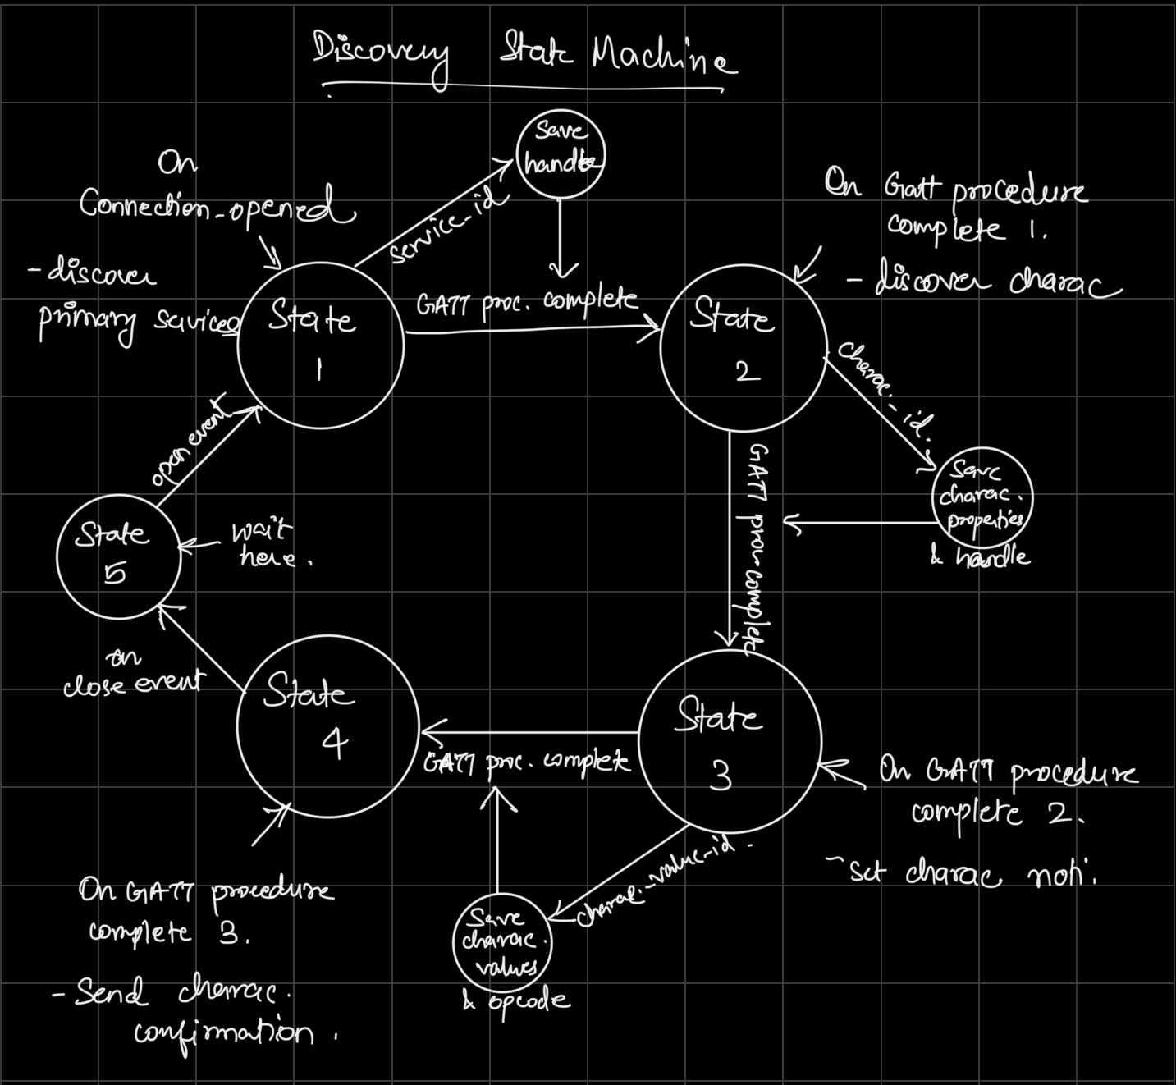
Client Command Table for A7

 | Use this table to help you design your program. Add rows as needed. | Use this column to describe when and what your LCD display changes to for rows like DISPLAY_ROW_CONNECTION | Use this column to denote if BT stack events cause your state machine to advance, you can put an X in the cell to note this. Drawing a bubble diagram of your state machine might also be a good idea 👍. | Commands that may be useful: sl_bt_gatt_discover_primary_services_by_uuid() sl_bt_gatt_discover_characteristics_by_uuid() sl_bt_gatt_set_characteristic_notification()
 | Event | LCD Display State | Advances State Machine | Commands called in response to event | Notes
Events Common to Slaves/Clients
 | sl_bt_evt_system_boot_id |  |  |  | This event is generated on stack boot up
 |  |  |  | sl_bt_scanner_set_mode()
 |  |  |  | sl_bt_scanner_set_timing()
 |  |  |  | sl_bt_connection_set_default_parameters()
 |  |  |  | sl_bt_scanner_start()
 |  |  |  | sl_bt_advertiser_create_set() | These functions are the same as we did in previous assignment
 |  |  |  | sl_bt_advertiser_set_timing()
 |  |  |  | sl_bt_advertiser_start()
 |  |  |  | sl_bt_system_get_identity_address()

 | sl_bt_evt_connection_opened_id |  | X | sl_bt_advertiser_stop() | Connection is opened
 |  |  | Save connection handle | sl_bt_connection_set_parameters()

 | sl_bt_evt_connection_closed_id |  | X | sl_bt_advertiser_start() | Connetion is closed

 | sl_bt_evt_system_soft_timer_id |  |  |  | This event indicates that a soft timer has expired.

Events only for Masters/Clients
 | sl_bt_evt_scanner_scan_report_id |  |  | sl_bt_scanner_stop() | Received for advertising or scan response packets generated by: sl_bt_scanner_start(). Is the bd_addr, packet_type and address_type what we expect for our Server? If yes: sl_bt_scanner_stop() sl_bt_connection_open(). We connect server and client after getting this event.
 |  |  |  | sl_bt_connection_open()

 | sl_bt_evt_gatt_procedure_completed_id |  | X |  | We get this event when it’s ok to call the next GATT command. It’s a good idea to check for returned error codes. This would be a great event to use to sequence your new state machine. Save a boolean here to save gatt command status. Can call next GATT command after this
 |  |  | X
 |  |  | X

 | sl_bt_evt_gatt_service_id |  | Save service Handle |  | A GATT service in the remote GATT database was discovered

 | sl_bt_evt_gatt_characteristic_id |  | Save characteristic handle and properties. |  | This event is generated after issuing either the sl_bt_gatt_discover_characteristics or sl_bt_gatt_discover_characteristics_by_uuid command.
 |  |  |  |  | We discovered GATT characteristics.

 | sl_bt_evt_gatt_characteristic_value_id |  | Save opcode and characteristic values. | sl_bt_gatt_send_characteristic_confirmation(). | If an indication or notification has been enabled for a characteristic, this event is triggered whenever an indication or notification is received from the remote GATT server.

State Machine Bubble Diagram for A7

