Sheet1
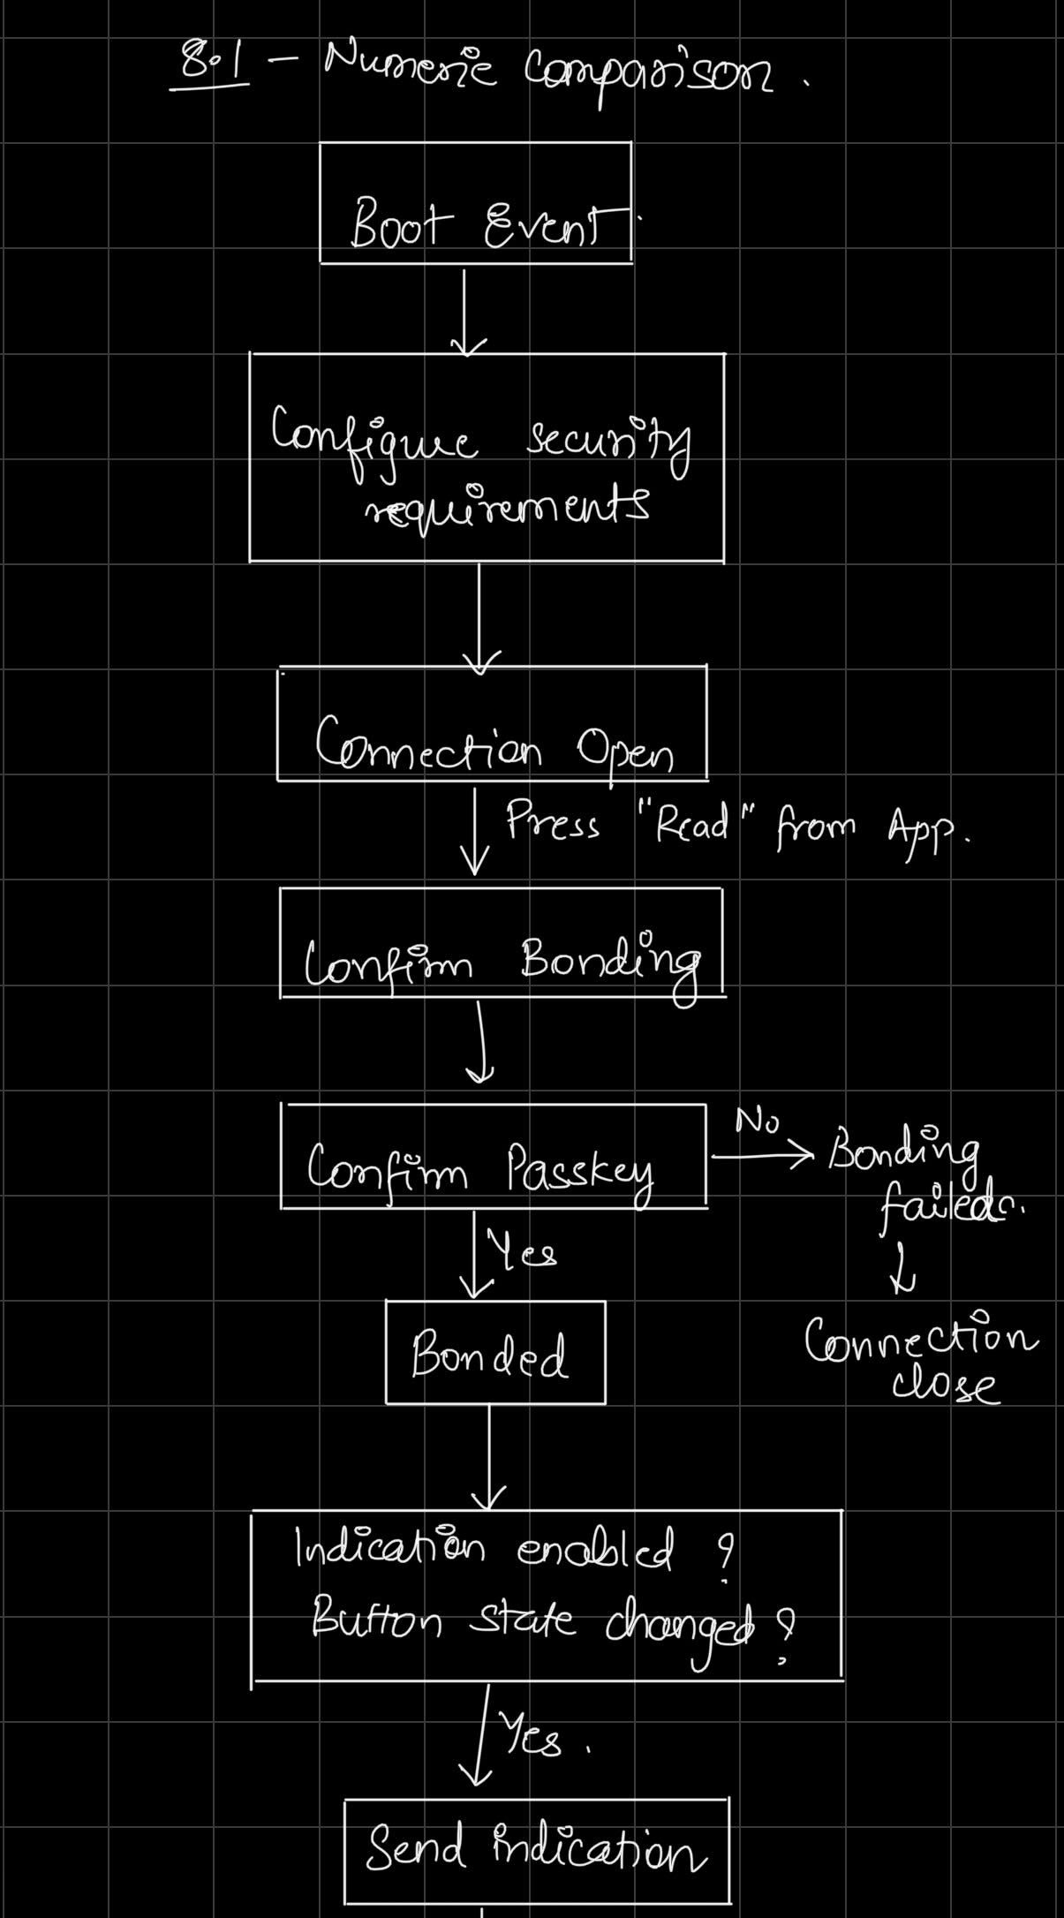
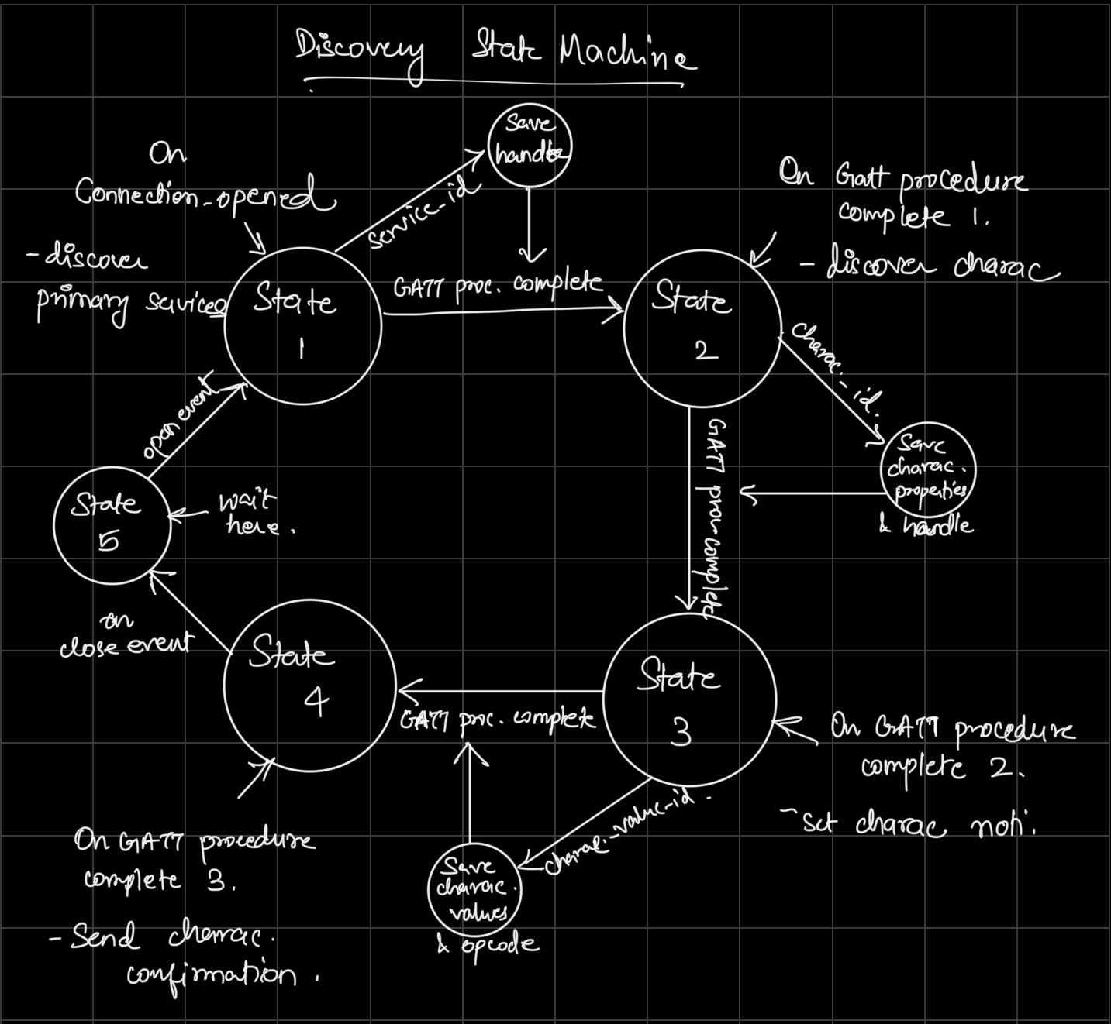
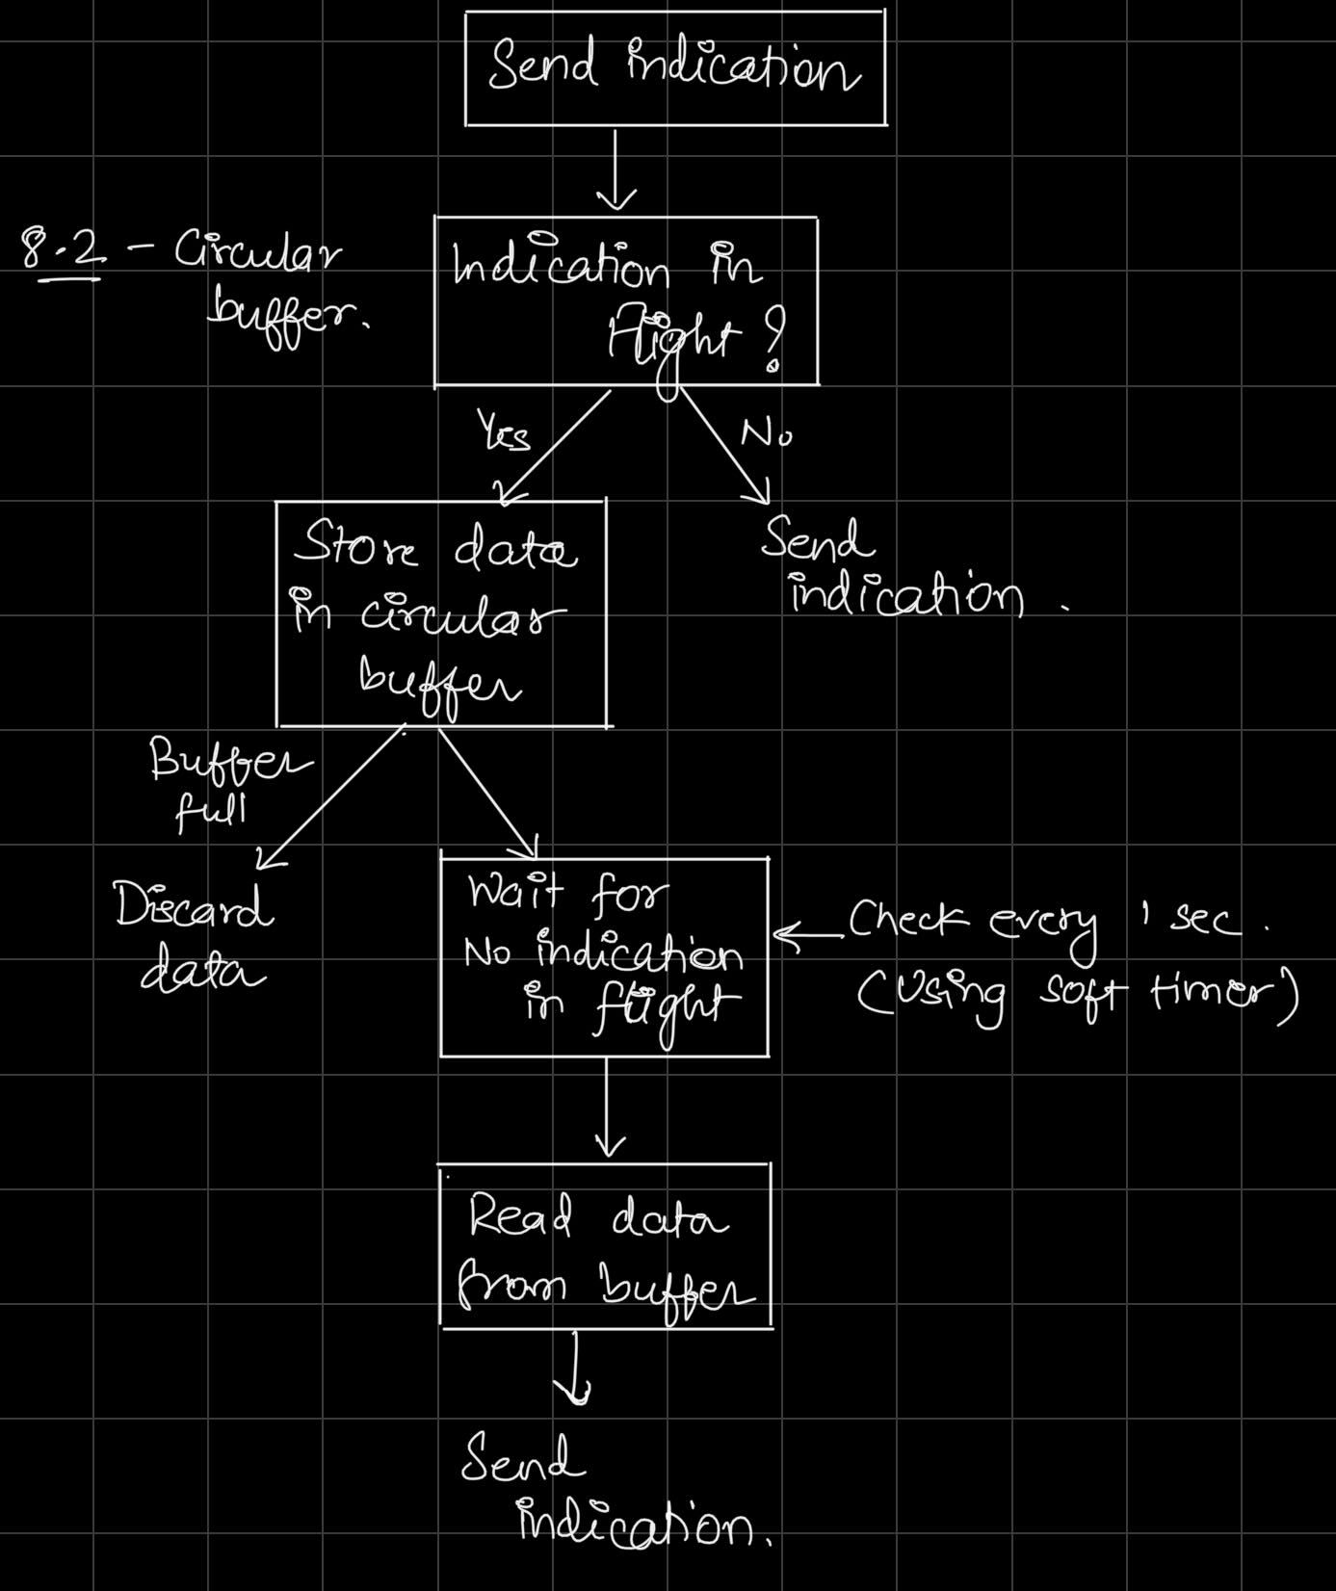
Command Table for A8

 | Use this table to help you design your program. Add rows as needed. | Use this column to describe when and what your LCD display changes to for rows like DISPLAY_ROW_CONNECTION | Use this column to denote if BT stack events cause your state machine to advance, you can put an X in the cell to note this. Drawing a bubble diagram of your state machine might also be a good idea 👍. | Commands that may be useful: sl_bt_gatt_discover_primary_services_by_uuid() sl_bt_gatt_discover_characteristics_by_uuid() sl_bt_gatt_set_characteristic_notification()
 | Event | LCD Display State | Advances State Machine | Commands called in response to event | Notes
Events Common to Slaves/Clients
 | sl_bt_evt_system_boot_id | DISPLAY_ROW_NAME, "Server" |  |  | This event is generated on stack boot up
 |  |  | only client | sl_bt_scanner_set_mode()
 |  |  | only client | sl_bt_scanner_set_timing()
 |  |  | only client | sl_bt_connection_set_default_parameters()
 |  |  | only client | sl_bt_scanner_start()
 |  |  | server | sl_bt_advertiser_create_set() | These functions are the same as we did in previous assignment
 |  |  | server | sl_bt_advertiser_set_timing()
 |  | DISPLAY_ROW_CONNECTION, "Advertising" | server | sl_bt_advertiser_start()
 |  | DISPLAY_ROW_BTADDR | server | sl_bt_system_get_identity_address()
 |  |  | server | sl_bt_sm_configure()
 |  | DISPLAY_ROW_ASSIGNMENT, "A8" | server | sl_bt_sm_delete_bondings()

 | sl_bt_evt_connection_opened_id | DISPLAY_ROW_CONNECTION, "Connected" | X | sl_bt_advertiser_stop() | Connection is opened
 |  |  |  | sl_bt_connection_set_parameters() | Save connection handle

 | sl_bt_evt_connection_closed_id | DISPLAY_ROW_CONNECTION, "Advertising" | X | sl_bt_advertiser_start() | Connection is closed
 |  |  |  | sl_bt_sm_delete_bondings()

 | sl_bt_evt_system_external_signal_id | DISPLAY_ROW_9, "Button Pressed" |  | sl_bt_sm_passkey_confirm() on button press if not server and client not bonded | Triggered when push button state changes (pressed or released). Write the button state in GATT attribute on every state change
 |  | DISPLAY_ROW_9, "Button Released"

Events only for Slaves/Server | sl_bt_evt_system_soft_timer_id |  |  | displayUpdate() | This event indicates that a soft timer has expired.
 |  |  |  | dequeue() | Check if there are any queued indications in circular buffer. If there are and no indication is in flight, then read indicaton data from circular buffer and send indication.

 | sl_bt_evt_gatt_server_characteristic_status_id |  |  | LED 0 and 1 on/off | This event is triggered anytime a characteristic value is changed for set services. Here we check only for indication enabling or disabling for Temperature measurement and button_state event and for indication confirmations.
 |  |  |  |  | Check if any characteristic value is changed for temperature measurement service. Check if it is indication value. Check if indication is enabled or disabled. Toggle LED0 accordingly
 |  |  |  |  | Check if any characteristic value is changed for button state service. Check if it is indication value. Check if indication is enabled or disabled. Toggle LED1 accordingly

 | sl_bt_evt_gatt_server_indication_timeout_id |  |  |  | Triggered if no indication confirmation has been received from client for 30seconds

 | sl_bt_evt_sm_confirm_bonding_id |  |  | sl_bt_sm_bonding_confirm() | Confirm bonding with client

 | sl_bt_evt_sm_confirm_passkey_id | DISPLAY_ROW_PASSKEY, "%d", bleData->passkey |  |  | Passkey returned from client. Confirm using sl_bt_evt_sm_confirm_passkey_id() after push button is pressed
 |  | DISPLAY_ROW_ACTION, "Confirm with PB0"

 | sl_bt_evt_sm_bonded_id | DISPLAY_ROW_CONNECTION, "Bonded" |  |  | Triggered after passkey is confirmed by server

 | sl_bt_evt_sm_bonding_failed_id |  |  | sl_bt_connection_close() | Triggered in case of failed bonding. Can be due to timeout or passkey not confirmed.

Events only for Masters/Clients
 | sl_bt_evt_scanner_scan_report_id |  |  | sl_bt_scanner_stop() | Received for advertising or scan response packets generated by: sl_bt_scanner_start(). Is the bd_addr, packet_type and address_type what we expect for our Server? If yes: sl_bt_scanner_stop() sl_bt_connection_open(). We connect server and client after getting this event.
 |  |  |  | sl_bt_connection_open()

 | sl_bt_evt_gatt_procedure_completed_id |  | X |  | We get this event when it’s ok to call the next GATT command. It’s a good idea to check for returned error codes. This would be a great event to use to sequence your new state machine. Save a boolean here to save gatt command status. Can call next GATT command after this
 |  |  | X
 |  |  | X

 | sl_bt_evt_gatt_service_id |  | Save service Handle |  | A GATT service in the remote GATT database was discovered

 | sl_bt_evt_gatt_characteristic_id |  | Save characteristic handle and properties. |  | This event is generated after issuing either the sl_bt_gatt_discover_characteristics or sl_bt_gatt_discover_characteristics_by_uuid command.
 |  |  |  |  | We discovered GATT characteristics.

 | sl_bt_evt_gatt_characteristic_value_id |  | Save opcode and characteristic values. | sl_bt_gatt_send_characteristic_confirmation(). | If an indication or notification has been enabled for a characteristic, this event is triggered whenever an indication or notification is received from the remote GATT server.

State Machine Bubble Diagram for A7 |  |  |  | Implementation Flow Chart for A8

