Driving Record
Incident | Lookback/Application
Major Violations | 3 Years* | UI question should only ask about infractions within 3 years to align with the app Violation drop down date selections "3-5 years" and "5 or more years" shouldn't be available to select | MVR convictions must be re-evaluated on each renewal to see if there are convictions that should fall off (even if a new report is not run) and if policy meets criteria to surcharge renewal policy. When evaluating renewal surchargability, in order to count convictions that occurred during the previous 36 months, at least 1 conviction must have occurred during the 15 month period immediately preceding the renewal date.
Minor Violations | 3 Years

 |  | Applies to Eligibility and/or Rating? | Renewal Exceptions | Notes | Reruns
Use Conviction Date? | Yes | Both |  | If no conviction date, incident is not scored
MVR Lookback Major Violations | 3 Years | Both | MVR convictions must be re-evaluated on each renewal to see if there are convictions that should fall off (even if a new report is not run) and if policy meets criteria to surcharge renewal policy. When evaluating renewal surchargability, in order to count convictions that occurred during the previous 36 months, at least 1 conviction must have occurred during the 15 month period immediately preceding the renewal date. | UI question should only ask about infractions within 3 years to align with the app Violation drop down date selections "3-5 years" and "5 or more years" shouldn't be available to select
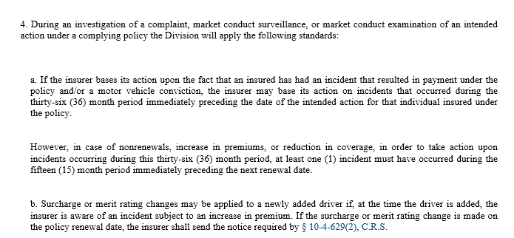
MVR Lookback Minor Violations | 3 Years | Both
Exempt Violations | Minor in posession or alcohol or drugs | Both |  | 2/17 Added MIP as exemp violations due to objection per JT in proj_apex_product_rating Slack

Claims Hx
Incident | Lookback/Application
AFAs 3k + | 3 Years* | Cannot count Med Pay, UM, OTC, & Towing & Storage Labor lines towards at-fault claim aggregate amount
 | At-Fault Accidents must be re-evaluated on each renewal to see if there are AFAs that should fall off (even if a new report is not run) and if policy meets criteria to surcharge renewal policy. When evaluating renewal surchargability, in order to count AFAs that occurred during the previous 36 months, at least 1 AFA must have occurred during the 15 month period immediately preceding the renewal date. | 2/10/25 Question from Teresa on how to treat other kinds of claims that the state does not specifically exempt but could have been incurred by an applicant. Email to Greg with my suggestion to follow the spirit of the CO laws and exempt claim types that are similiar to the kinds of the CO specifically exempted types: Suggest also exempt: UIM Glass Medical Expenses PIP 2/14/25 TT follow up w Greg. He will respond 2/17 2/19 Decided will also not surcharge for UIM Glass Medical Expenses PIP Rental Reimbursement Other?- 8/14/25 Per GC, do not consider | 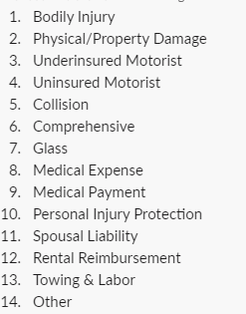

 |  | Applies to Eligibility and/or Rating? | Renewal Exceptions | Notes | Reruns
Claims Lookback Period | 3 Years | Both | At-Fault Accidents must be re-evaluated on each renewal to see if there are AFAs that should fall off (even if a new report is not run) and if policy meets criteria to surcharge renewal policy. When evaluating renewal surchargability, in order to count AFAs that occurred during the previous 36 months, at least 1 AFA must have occurred during the 15 month period immediately preceding the renewal date. | 10-4-628 and 702-55-2-12 | CLUE rerun annually at renewal.
At-Fault Accident Claims Lines Excempt from 3k aggregate amount calculation | Med Pay UM OTC (Comp) Towing & Labor UIM Glass Medical Expenses PIP Rental Reimbursement Other | Both

Value-Added
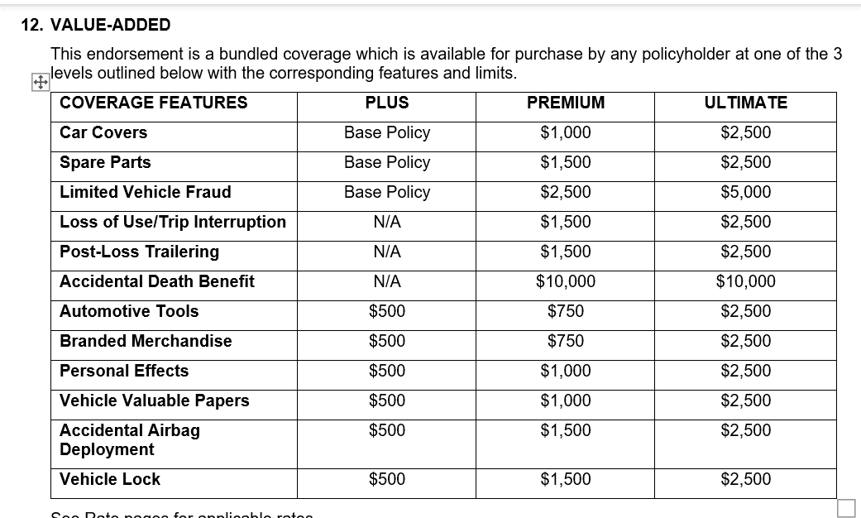

$25 Deductible (Automotive Tools)

$25 Deductible (Personal Effects)

$25 Deductible (Veh Valuable Papers)

