Misc.
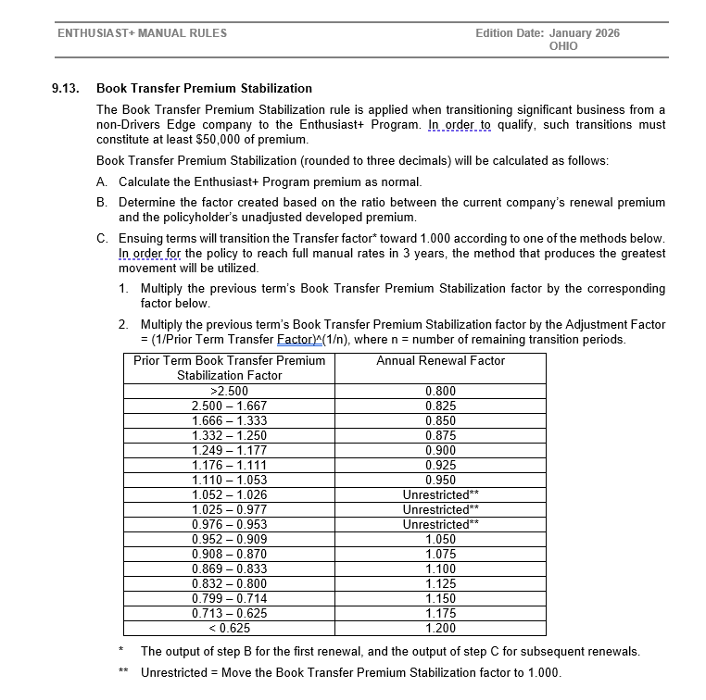
MISC
Any Business requirements not covered in the previous tabs can be listed on this tab with all details
Pay Plans
Full Pay (Annual)
Semi-Annual
Quarterly
Monthly

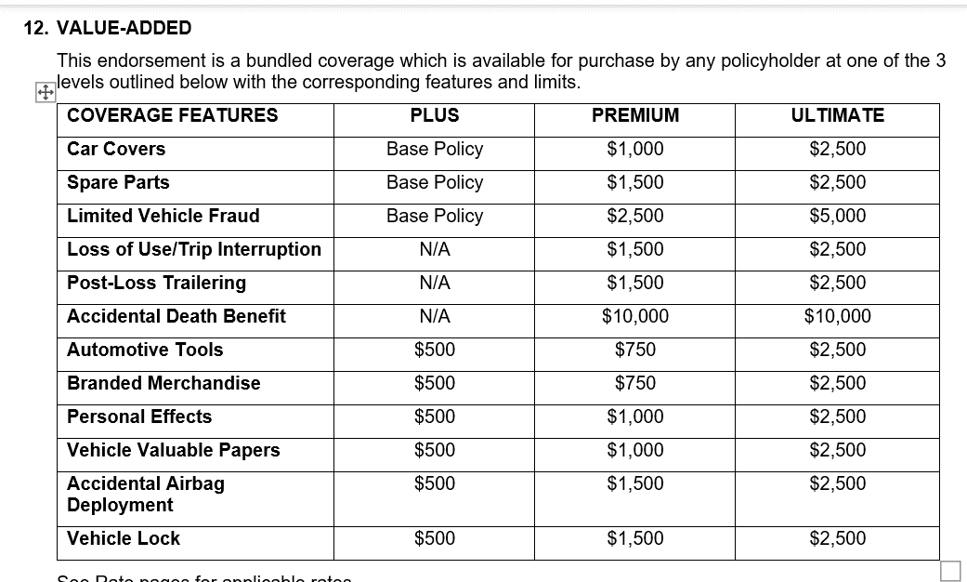

 | $25 Deductible (Automotive Tools)

 | $25 Deductible (Personal Effects)

 | $25 Deductible (Veh Valuable Papers)

