Rating question
In core product structures are bit different than E+(Here vehicle and motorcycles are under same coverages) and trailer is different here.
Modified/Model year factor |  | No where its mentioned about "Modified rates are automatically applied if "modified" is indicated. Else, apply stock rates" . Should we use this for rating rules or not ? For E+ its mentioned in state template.

Vehicle Type Factors does have OTC and COLL and LIAB factors (LIAB includes, BI, PD , MP , CSL and MPL, so all these coverages usages same Factor of LIAB?) All of the factors use the same way.
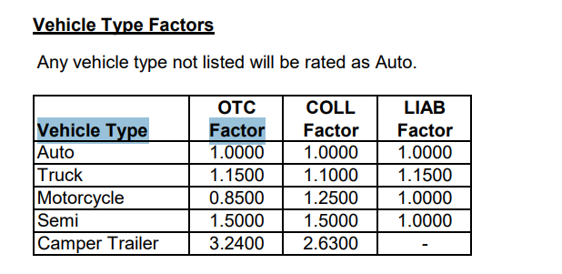

How Portfolio Transfer Discount is applied ? |  |  | Book Transfer vs Portfolio(differenece between these two)

Loss control measure credits factor (Applies discount based on available safety measures and storage conditions; select and apply factor from table if eligible. Better safety → lower risk → lower premium No safety → no discount
These discounts apply only if: 6+ vehicles with $250k value or Any vehicles with $500k total value
What is included |  |  |  |  | Not a question(Information only
Alarms, sprinklers, locks
Security (watchdog / watchman)
Storage type (fire‑resistant buildings)
Dispersion of vehicles (multiple locations)
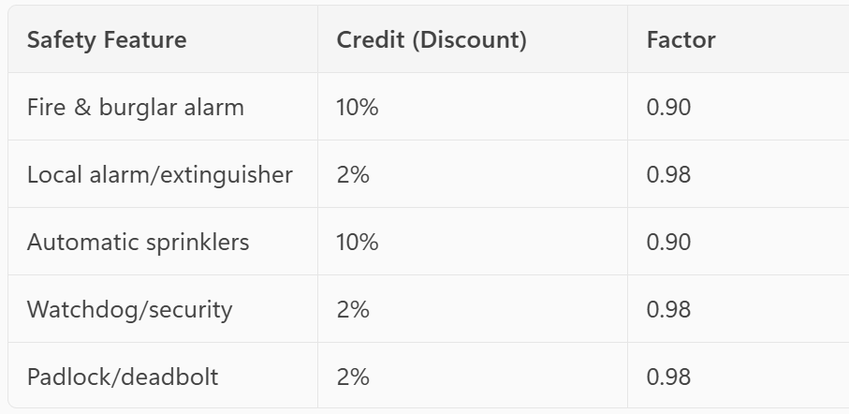
 |  |  |  | Storage Type |  |  |  |  | Dispersion of vehicles (multiple locations)
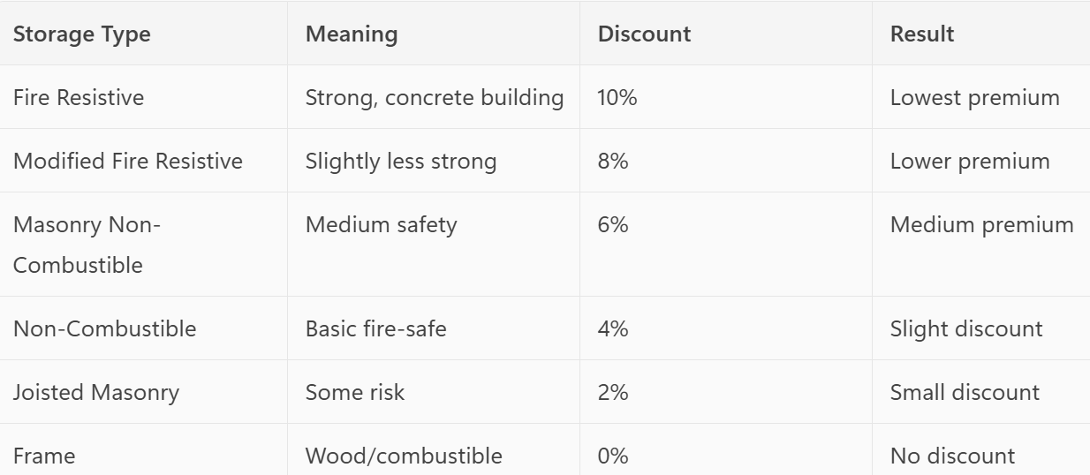

Experience rating plan factor |  | Not a queation(information)
Loss Ratio = how much claim money you took compared to how much premium you paid
Loss Ratio = Claims Paid ÷ Premium Paid

Premium paid = $1,000
Claims taken = $100
100 ÷ 1000 = 10% loss ratio
Low loss ratio → fewer claims → lower risk → lower premium
High loss ratio → more claims → higher risk → higher premium

You get this benefit only if:
6+ vehicles with $250,000 total value OR Any number of vehicles with $500,000 total value
If these conditions are not met → no discount

CO
Motorsport and Pro-Street Other Than Collision (Excluding Camper Trailer) |  |  |  |  |  |  |  | we need clarififcation on Motorsport and Pro-Street Vehicles premium calculation.
Calculate premium using (Guaranteed Value ÷ 100) × rate based on vehicle type and coverage (OTC/Collision).

Are 1–19 and 20–60 the only ranges, or are there additional ranges? What should we do if the value is above 60 times? |  |  |  |  |  | what happens if they drive 61 times now vs future in E+?

Camper trailer usage factor.. What will be the factor beyond 90 days ? What happens if they go over the limit ?

Camper trailer body style factor.. As per rate table the factor is 1.0000 for all body style. Are we going to use the same factor for all body styles? ADD placeholder and any fatcir in future ?

Can you provide clarity

Scheduled PropertyIndividually listed items Unscheduled PropertyGroup coverage (not listed one by one) |  |  |  |  |  |  | Not question

Foreign Coverage
What are the conditions (thresholds) under which Foreign Coverage is provided at no charge?
If thresholds are met for some vehicles but not others, should the rule apply at vehicle level or policy level?
Please confirm that when coverage is not free, premium = 2 × Annual Physical Damage Premium. Is this correct for all states/products?
Should any additional factors (deductible, territory, vehicle type) be applied before or after multiplying by 2?
How should the coverage period be captured (months, days, exact dates)?
Should we prorate using months (coverage months / 12) or exact days (coverage days / 365)?
Which countries are allowed for Foreign Coverage? Should we exclude restricted countries explicitly in rating logic ?
Is there any minimum premium (e.g., $250) or maximum cap applicable for Foreign Coverage?

Business Use
Eligibility
Does it include occasional business trips or only regular business use? Is commute to office considered business use or personal use?
Factor Application
Should we apply the Business Use factor (1.2000) to all coverages or only specific ones? Is the factor applied at vehicle level or policy level?
Multiple Use Types
If a vehicle has both personal and business use, how should we rate it?
Exceptions / Exclusions
Are there any vehicle types or professions excluded from Business Use?
Do we need different factors for different business activities (e.g. delivery vs. client visits)?

AZ

AZ does not have Vehicle premium ratio (1 / number of vehicles) for UM and UIM BI vs CO has this for UM/UIM BI

AZ has different base rates for UM and UIM BI vs CO has same base rates for both UM/UIM BI

AZ has Limit factor vs CO has Liability Limit Factor (slightly different name)
AZ has "One less regular use vehicle than household drivers flex factor vs CO has One less regular use vehicle than household drivers factor
AZ has "Vehicle modified with 650+ HP flex factor" vs CO does not have this factor.(State specific)

AZ has "Drive to work at least 20 times annually/Seasonal commuting flex factor" vs CO has "Drive to work times annually/Seasonal commuting factor"
Does this factor apply when drive-to-work frequency is ≥ 20 times per year?
Should this rule override or replace the previous commuting ranges (1–19, 20–60) for CO state?

Lienholder factor is same for all coverages, Are we going to use the same factor ?

Book transfer premium stabilization factor of AZ in E+ vs Core
We observed that the Book Transfer Premium Stabilization Factor is applied at different stages in E+ vs Core: |  |  |  |  | our discussion
In E+, it is applied after Vehicle Coverage Premium is calculated and rounded
In Core, it is applied before Vehicle Coverage Premium calculation and rounding

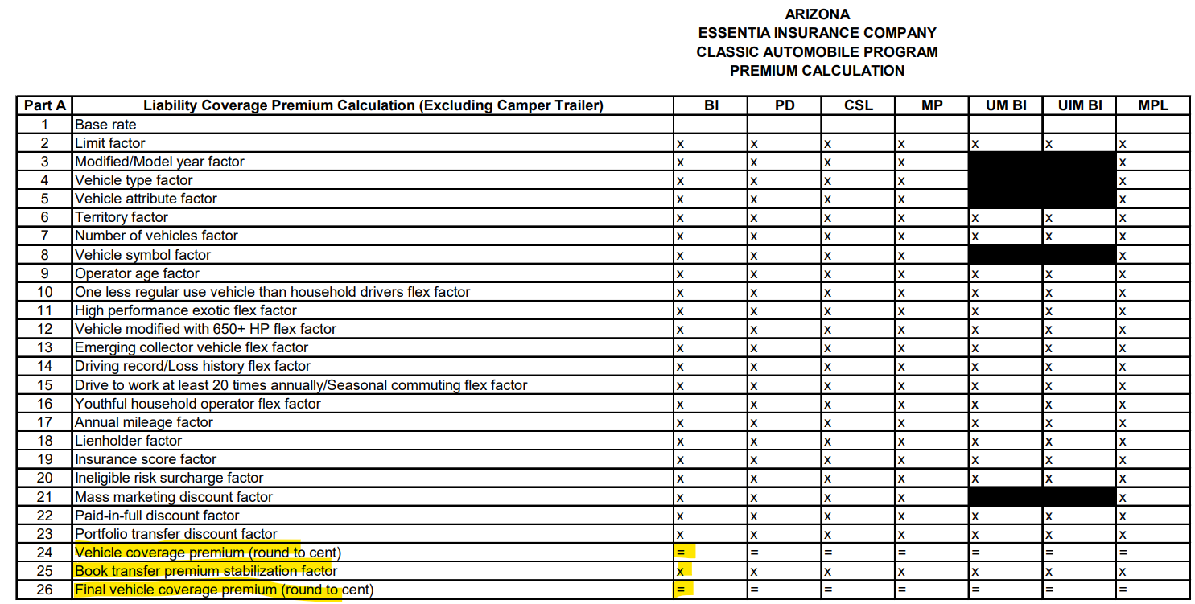
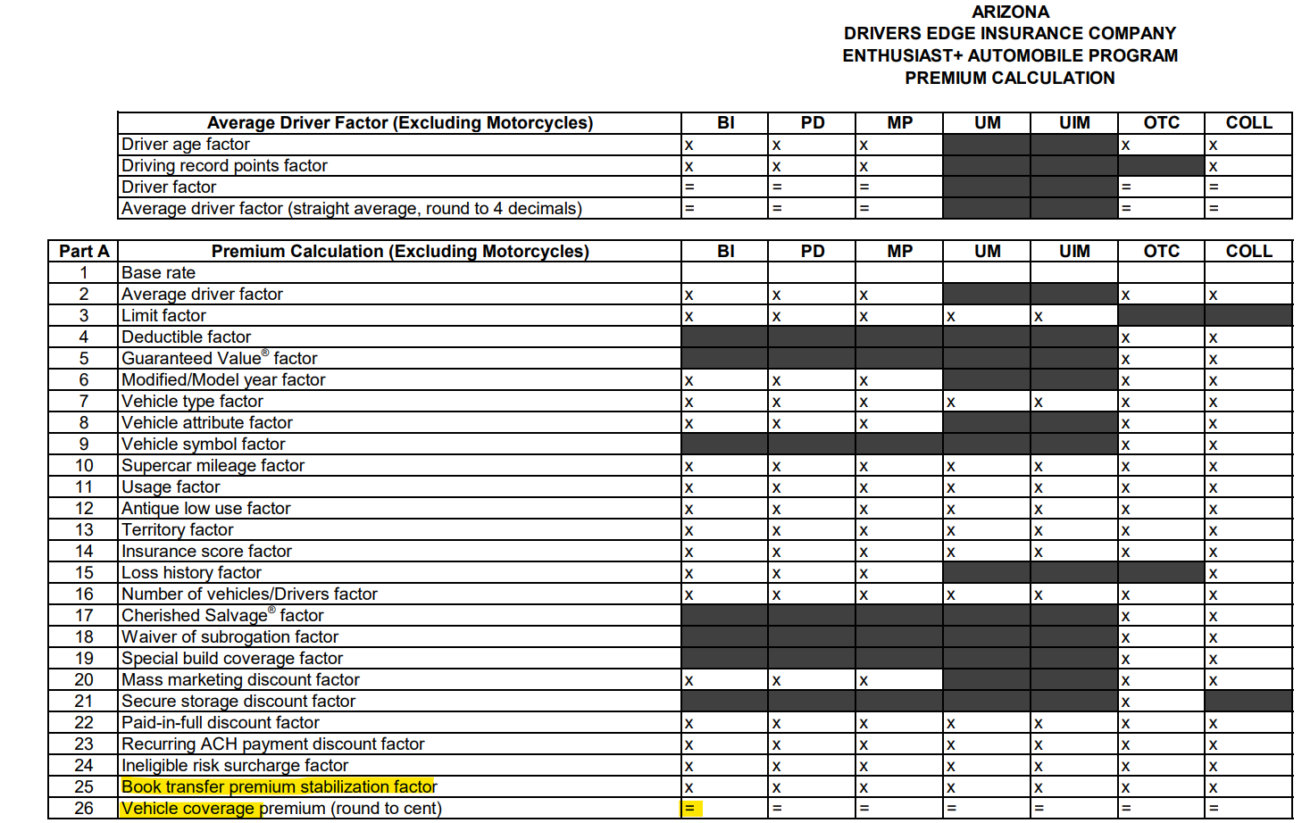

CO vs AZ Motorsport and Pro-Street ( different name in the coverage) |  |  |  |  |  |  | AZ
CO

Individual risk premium modification plan (IRPM) factor is available in AZ (state specific)

Individual risk premium modification plan (IRPM) factor (This is similar to " Loss control measure credits" factor in CO)
1. Security (Max 10%)
Discount if vehicles are kept safely
Examples:
Burglar alarm
Fire alarm
Sprinkler system
Watchman/security
Locked garage
2. Type of Storage (Max 10%)
Discount based on building quality where vehicles are stored
Fire-resistant building → discount
3. Dispersion of Risk (Max 10%)
Discount if vehicles are spread across multiple locations

Colorado (CO) | Arizona (AZ)
Shows explicit Credit % + Factor values | Only mentions max credit %, no factor values shown
Different storage types have different factor values | Only describes storage types, no factors given
Detailed tiers (e.g., 2 garages → 3%, 3 garages → 6%) | Only says max 10%, no tiers
No explicit total cap shown in rating doc | Explicit maximum total credit = 25% in rating doc

Questions
In CO, credits are provided with explicit factors, but in AZ IRPM, only maximum credit percentages are defined. Should we derive factors for AZ, or will a factor table be provided?
For AZ IRPM, should individual credits be assigned per feature (similar to CO)?
In CO, different storage types have different factors. In AZ, storage types are described but no factors are provided. How should we assign credit/factor for each storage type in AZ?
CO provides tiered dispersion credits based on number of locations, while AZ only defines a maximum of 10%. Should AZ also follow a tier-based approach or a flat credit?
AZ specifies a maximum IRPM credit of 25%, while CO does not explicitly show a cap. Should the 25% cap apply in CO as well, or only for AZ?
For AZ, how should credit percentages be converted into rating factors (e.g., 10% → 0.9000)?
Should CO and AZ follow a consistent calculation approach, or should each state maintain its own logic (factor-driven vs rule-driven)?

Short term coverage (round to cent)
What duration qualifies as short-term coverage (e.g., less than 6 months, 12 months)?
Please confirm premium calculation formula: (Vehicle Value / 100) × Rate. Is this correct?
After calculating premium using rate per $100, should we further prorate based on policy term?
How to identify exotic/special vehicles?

OH
Insurance score factor is already part of vehicle factor.

