Main
 | 0.1 |  |  |  | 22 | 23 | 24 |  |  | 22 | 22 | 22 |  | 23 | 23 | 23 |  | 24 | 24 | 24 |  | 25 | 25
 | FALSE |  |  |  |  |  |  |  |  | 1 | 2 | 3 |  | 1 | 2 | 3 |  | 1 | 2 | 3 |  | 1 | 1
Divide | 1000 |  | Main
 |  |  | Indicative valuation of Bumble Inc.: Public information
 |  |  | Educational purposes only, no financial advice

 |  |  |  | BMBL - P&L |  |  |  |  |  |  |  |  |  |  |  |  |  |  |  |  |  |  | Forecast | Forecast | Forecast | Forecast | Forecast | Forecast | Forecast | Forecast | Forecast
 |  |  |  | $mn | FY22 | FY23 | FY24 | FY25 | FY26 | Q1 22 | Q2 22 | Q3 22 | Q4 22 | Q1 23 | Q2 23 | Q3 23 | Q4 23 | Q1 24 | Q2 24 | Q3 24 | Q4 24 | Q1 25 | Q2 25 | Q3 25 | Q4 25 | Q1 26 | Q2 26 | Q3 26 | Q4 26 | Q1 26 | Q2 27

 |  |  |  | Bumble | 694.3 | 844.8 | 866.3 |  |  | 154.4 | 168.5 | 180.6 | 190.8 | 194.3 | 208.0 | 221.8 | 220.7 | 215.8 | 218.0 | 220.2 | 212.4 | 201.8
 |  |  |  | Badoo and other | 209.2 | 207.1 | 205.4 |  |  | 55.7 | 50.7 | 52.0 | 50.8 | 48.7 | 51.8 | 53.7 | 52.9 | 52.0 | 50.6 | 53.4 | 49.3 | 45.3
Revenue |  |  |  | Revenue | 903.5 | 1,051.8 | 1,071.6 | 963.1 | 942.0 | 210.0 | 219.2 | 232.6 | 241.6 | 242.9 | 259.7 | 275.5 | 273.6 | 267.8 | 268.6 | 273.6 | 261.6 | 247.1 | 243.0 | 240.0 | 233.0 | 226.0 | 224.0 | 225.0 | 226.0 | 225.0 | 231.0
Cost of revenue |  |  |  | Cost of revenue | (249.5) | (307.8) | (318.8) |  |  | (56.8) | (62.8) | (64.6) | (65.4) | (70.6) | (76.7) | (80.0) | (80.5) | (81.3) | (80.0) | (79.6) | (78.0) | (73.4)
Selling and marketing |  |  |  | Selling and marketing | (249.3) | (270.4) | (261.2) |  |  | (56.8) | (59.5) | (64.3) | (68.6) | (63.6) | (65.3) | (68.8) | (72.6) | (63.6) | (67.6) | (63.5) | (66.4) | (59.7)
General and administrative |  |  |  | General and administrative | (319.3) | (221.6) | (128.5) |  |  | (26.4) | (51.4) | (29.8) | (211.7) | (49.8) | (43.3) | (48.6) | (79.9) | (20.9) | (36.3) | (33.3) | (38.1) | (21.6)
Development |  |  |  | Development | (98.6) | (130.6) | (100.7) |  |  | (25.2) | (22.5) | (25.8) | (25.1) | (33.2) | (36.2) | (30.9) | (30.3) | (36.0) | (15.7) | (24.9) | (24.1) | (34.5)
Non-operating income (expense) |  |  |  | Non-operating income (expense) | 16.2 | (26.5) | (4.8) |  |  | 13.2 | 5.0 | 6.5 | (8.5) | (3.6) | (3.0) | 0.3 | (20.3) | 1.5 | (0.6) | 2.9 | (8.6) | (6.8)
 |  |  |  | EBITDA | 3.1 | 94.9 | 257.6 | 282.8 | 295.6 | 58.0 | 28.1 | 54.6 | (137.7) | 22.2 | 35.2 | 47.4 | (9.9) | 67.5 | 68.4 | 75.3 | 46.4 | 51.1 | 85.3 | 75.8 | 70.6 | 63.9 | 67.3 | 69.7 | 68.0 | 73.0 | 71.9
Impairment |  |  |  | Impairment | - | - | (892.2) |  |  | - | - | - | - | - | - | - | - | - | - | (892.2) | - | (3.6)
D&A |  |  |  | D&A | (89.7) | (68.0) | (70.6) |  |  | (26.9) | (27.2) | (19.8) | (15.9) | (16.7) | (17.0) | (17.1) | (17.2) | (17.2) | (17.0) | (18.3) | (18.1) | (9.6)
 |  |  |  | EBIT | (86.7) | 26.8 | (705.3) |  |  | 31.1 | 0.9 | 34.9 | (153.6) | 5.5 | 18.2 | 30.3 | (27.1) | 50.3 | 51.4 | (835.3) | 28.3 | 37.9
Interest expenses |  |  |  | Interest expenses | (24.1) | (21.5) | (39.9) |  |  | (5.9) | (6.3) | (6.9) | (5.0) | (5.2) | (6.1) | (5.3) | (4.9) | (8.9) | (9.1) | (9.8) | (12.1) | (12.0)
 |  |  |  | EBT | (110.7) | 5.3 | (745.2) |  |  | 25.2 | (5.3) | 28.0 | (158.6) | 0.3 | 12.1 | 25.0 | (32.1) | 41.3 | 42.3 | (845.1) | 16.2 | 25.8
Taxes |  |  |  | Taxes | (3.4) | (7.2) | (23.1) |  |  | (2.4) | (2.3) | (1.6) | 3.0 | (2.6) | (2.7) | (1.9) | 0.1 | (7.5) | (4.6) | (4.2) | (6.9) | (6.0)
Non-controlling interest |  |  |  | Non-controlling interest | 34.4 | (2.3) | 211.4 |  |  | (7.5) | 2.0 | (8.3) | 48.2 | 0.7 | (2.6) | (6.5) | 6.0 | (9.3) | (10.3) | 236.1 | (5.1) | (6.4)
 |  |  |  | Net income/ (loss) to sharehodlers | (79.7) | (4.2) | (557.0) | 108.5 | 117.6 | 15.2 | (5.6) | 18.1 | (107.4) | (1.6) | 6.8 | 16.7 | (26.0) | 24.6 | 27.4 | (613.2) | 4.2 | 13.4 | 41.7 | 30.8 | 22.6 | 22.6 | 14.1 | 38.4 | 27.0 | 21.3 | 16.4

 |  |  |  | Revenue growth | n/a | 16.4% | 1.9% | (10.1%) | (2.2%) | n/a | 4.4% | 6.1% | 3.9% | 0.5% | 6.9% | 6.1% | (0.7%) | (2.1%) | 0.3% | 1.9% | (4.4%) | (5.6%) | (1.7%) | (1.2%) | (2.9%) | (3.0%) | (0.9%) | 0.4% | 0.4% | (0.4%) | 2.7%
 |  |  |  | EBITDA-margin | 0.3% | 9.0% | 24.0% | 29.4% | 31.4% | 27.6% | 12.8% | 23.5% | (57.0%) | 9.2% | 13.5% | 17.2% | (3.6%) | 25.2% | 25.5% | 27.5% | 17.7% | 20.7% | 35.1% | 31.6% | 30.3% | 28.3% | 30.0% | 31.0% | 30.1% | 32.4% | 31.1%
 |  |  |  | EBIT-margin | (9.6%) | 2.6% | (65.8%) |  |  | 0.0% | 0.0% | 0.0% | 0.0% | 0.0% | 0.0% | 0.0% | 0.0% | 0.0% | 0.0% | 1121.6% | 0.0% | 5.0%
 |  |  |  | Tax rate | (3.1%) | 135.2% | (3.1%) |  |  | 9.6% | (43.6%) | 5.8% | 1.9% | 920.1% | 22.7% | 7.5% | 0.2% | 18.1% | 10.9% | (0.5%) | 42.4% | 23.3%

 |  |  |  | BMBL user statistics (YTD for each quarter)
 |  |  |  | Bumble, paying users (mn) | 2.0 | 2.5 | 2.8 |  |  | 1.8 | 1.9 | 2.1 | 2.2 | 2.3 | 2.5 | 2.6 | 2.7 | 2.7 | 2.8 | 2.9 | 2.8 | 2.7
 |  |  |  | Badoo and other, paying users (mn) | 1.2 | 1.2 | 1.3 |  |  | 1.2 | 1.1 | 1.2 | 1.2 | 1.1 | 1.2 | 1.2 | 1.3 | 1.3 | 1.3 | 1.4 | 1.4 | 1.3
 |  |  |  | Total paying users (mn) | 3.2 | 3.7 | 4.1 |  |  | 3.0 | 3.0 | 3.3 | 3.4 | 3.5 | 3.6 | 3.8 | 4.0 | 4.0 | 4.1 | 4.3 | 4.2 | 4.0

 |  |  |  | Bumble ARPPU ($) | 28.9 | 28.0 | 25.7 |  |  | 29.0 | 29.2 | 28.8 | 28.6 | 27.9 | 28.2 | 28.4 | 27.4 | 26.3 | 25.8 | 25.6 | 25.2 | 24.8
 |  |  |  | Badoo and other ARPPU ($) | 13.1 | 12.7 | 11.9 |  |  | 13.5 | 13.6 | 12.8 | 14.2 | 12.5 | 12.8 | 12.8 | 13.8 | 12.4 | 11.9 | 12.0 | 12.0 | 10.7
 |  |  |  | Total ARRPU ($) | 23.0 | 23.0 | 21.2 |  |  | 22.6 | 23.5 | 23.0 | 23.6 | 22.8 | 23.2 | 23.4 | 23.0 | 21.8 | 21.4 | 21.2 | 20.9 | 20.2
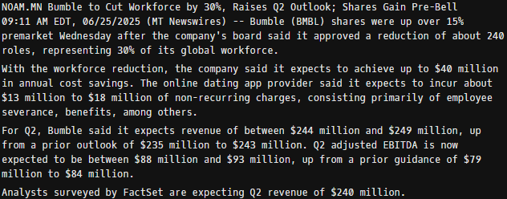
 |  |  |  | Bumble paying user growth | n/a | 25.7% | 11.5% |  |  | n/a | 8.4% | 8.5% | 6.4% | 4.4% | 6.0% | 6.0% | 3.2% | 1.6% | 3.2% | 1.8% | (2.0%) | (3.7%)
 |  |  |  | Badoo paying user growth | n/a | 2.0% | 11.5% |  |  | n/a | (11.0%) | 9.7% | (1.1%) | (4.0%) | 3.0% | 3.4% | 5.4% | 1.0% | 2.1% | 4.9% | (1.5%) | (4.4%)
 |  |  |  | Total paying user growth | n/a | 16.9% | 11.5% |  |  | n/a | 0.4% | 8.9% | 3.6% | 1.5% | 5.0% | 5.2% | 3.9% | 1.4% | 2.8% | 2.8% | (1.8%) | (3.9%)

 |  |  |  | Bumble ARPPU growth | n/a | (3.2%) | (8.0%) |  |  | n/a | 0.7% | (1.2%) | (0.7%) | (2.5%) | 1.0% | 0.6% | (3.6%) | (3.8%) | (2.1%) | (0.8%) | (1.6%) | (1.3%)
 |  |  |  | Badoo ARPPU growth | n/a | (2.8%) | (6.7%) |  |  | n/a | 0.6% | (6.0%) | 11.7% | (12.5%) | 2.9% | (0.3%) | 7.6% | (10.3%) | (3.4%) | 0.8% | (0.0%) | (10.9%)
 |  |  |  | Total ARPPU growth | n/a | 0.0% | (7.8%) |  |  | n/a | 3.9% | (2.3%) | 2.9% | (3.4%) | 1.8% | 0.8% | (1.9%) | (5.0%) | (2.2%) | (0.9%) | (1.4%) | (3.0%)

Net income |  |  |  | Source | (80) | (4) | (557) |  |  | 16.4 | (4.4) | 18.1 |  | (1.6) | 6.8 | 16.7 |  | 24.6 | 27.4 | (613.2) |  | 13.4
 |  | FALSE |  | Check | - | 0 | - |  |  | 1.17 | 1.25 | - | - | 0.00 | (0.00) | - | (0.00) | - | - | - | - | 0.00

 |  |  |  | BMBL - BS
 |  |  |  | $mn | Dec 22 | Dec 23 | Dec 24 |  |  | Mar 22 | Jun 22 | Sep 22 | Dec 22 | Mar 23 | Jun 23 | Sep 23 | Dec 23 | Mar 24 | Jun 24 | Sep 24 | Dec 24 | Mar 25

Cash and cash equivalents |  |  |  | Cash | 402.6 | 355.6 | 204.3 |  |  | 308.8 | 334.6 | 365.1 | 402.6 | 389.0 | 381.0 | 439.2 | 355.6 | 262.7 | 286.7 | 252.1 | 204.3 | 202.2
Total assets |  |  |  | Total assets | 3,692.6 | 3,625.1 | 2,524.9 |  |  | 3,795.4 | 3,767.8 | 3,792.8 | 3,692.6 | 3,702.6 | 3,692.3 | 3,733.2 | 3,625.1 | 3,516.9 | 3,524.2 | 2,589.4 | 2,524.9 | 2,508.3
Total Bumble Inc. shareholders' equity |  |  |  | Shareholder's equity | 1,627.8 | 1,635.0 | 824.5 |  |  | 1,643.2 | 1,656.0 | 1,695.5 | 1,627.8 | 1,724.2 | 1,665.3 | 1,689.7 | 1,635.0 | 1,604.3 | 1,652.9 | 852.6 | 824.5 | 814.5
Noncontrolling interests |  |  |  | Non-controlling | 825.8 | 702.3 | 524.5 |  |  | 865.9 | 860.5 | 866.8 | 825.8 | 712.5 | 781.0 | 790.4 | 702.3 | 658.9 | 645.1 | 514.3 | 524.5 | 539.7
 |  |  |  | Equity | 2,453.6 | 2,337.3 | 1,349.1 |  |  | 2,509.1 | 2,516.5 | 2,562.3 | 2,453.6 | 2,436.7 | 2,446.3 | 2,480.2 | 2,337.3 | 2,263.2 | 2,298.0 | 1,366.9 | 1,349.1 | 1,354.2
 |  |  |  | Liabilities | 1,239.0 | 1,287.9 | 1,175.8 |  |  | 1,286.3 | 1,251.3 | 1,230.5 | 1,239.0 | 1,265.9 | 1,246.0 | 1,253.0 | 1,287.9 | 1,253.8 | 1,226.2 | 1,222.5 | 1,175.8 | 1,154.1

Total liabilities |  |  |  | Source (L) | 1,239 | 1,288 | 1,176 |  |  | 1,286 | 1,251 | 1,231 |  | 1,266 | 1,246 | 1,253 |  | 1,254 | 1,226 | 1,223 |  | 1,154
 |  | TRUE |  | Check | - | - | - |  |  | - | - | - |  | - | - | - |  | - | - | - |  | -

 |  |  |  | BMBL - CF |  |  |  |  |  |  |  |  | calc. |  |  |  | calc. |  |  |  | calc.
 |  |  |  | $mn | Dec 22 | Dec 23 | Dec 24 |  |  | Mar 22 | Jun 22 | Sep 22 | Dec 22 | Mar 23 | Jun 23 | Sep 23 | Dec 23 | Mar 24 | Jun 24 | Sep 24 | Dec 24 | Mar 25

 |  |  |  | OpCF | 132.9 | 182.1 | 123.4 |  |  | 19.4 | 25.4 | 37.0 | 51.2 | 13.4 | 42.7 | 62.6 | 63.4 | 2.4 | 32.9 | 93.5 | (5.4) | 43.2
 |  |  |  | InvCF | (86.1) | (24.8) | (26.8) |  |  | (74.7) | (3.1) | (3.3) | (5.0) | (6.8) | (12.3) | (3.5) | (2.2) | (2.8) | (1.7) | (19.1) | (3.2) | (2.4)
 |  |  |  | FCF | 46.9 | 157.3 | 96.7 |  |  | (55.4) | 22.4 | 33.7 | 46.2 | 6.6 | 30.4 | 59.1 | 61.3 | (0.4) | 31.2 | 74.4 | (8.6) | 40.8
 |  |  |  | FinCF | (15.0) | (198.9) | (250.8) |  |  | (7.1) | (1.9) | (2.6) | (3.3) | (16.2) | (38.5) | (3.7) | (140.5) | (94.4) | (6.6) | (106.7) | (43.1) | (42.5)
 |  |  |  | thereof share repurchases | - | (112.8) | (192.1) |  |  | - | - | - | - | - | (20.9) | - | (91.9) | (62.1) | - | (89.7) | (40.3) | (28.7)
 |  |  |  |  |  |  |  |  |  |  |  |  |  |  |  |  |  |  |  |  |  | (4.8)

 |  |  |  | Shares outstanding (mn) |  |  |  |  |  |  |  |  |  |  |  |  |  |  |  |  |  | 103.29
 |  |  |  | EPS |  |  |  |  |  |  |  |  |  |  |  |  |  |  |  |  |  | April 30, 25

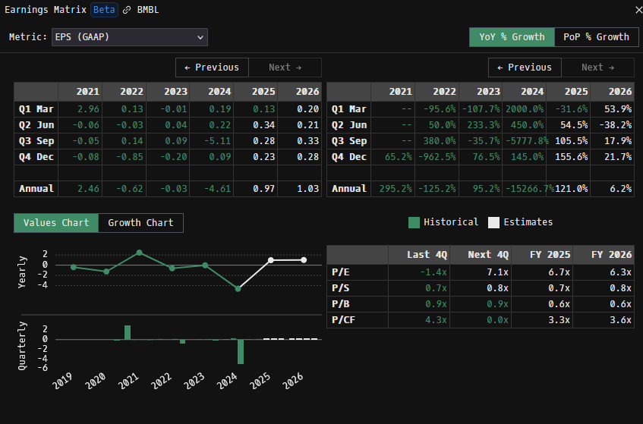

 |  |  |  |  |  |  |  |  |  |  |  |  |  |  |  |  |  |  |  |  |  |  | Q2 25 | Q3 25 | Q4 25 | Q1 26 | Q2 26 | Q3 26 | Q4 26 | Q1 26 | Q2 27
 |  |  |  |  |  |  |  |  |  |  |  |  |  |  |  |  |  |  |  |  |  | Revenue | 243.0 | 240.0 | 233.0 | 226.0 | 224.0 | 225.0 | 226.0 | 225.0 | 231.0
 |  |  |  |  |  |  |  |  |  |  |  |  |  |  |  |  |  |  |  |  |  | EBITDA | 85.3 | 75.8 | 70.6 | 63.9 | 67.3 | 69.7 | 68.0 | 73.0 | 71.9
 |  |  |  |  |  |  |  |  |  |  |  |  |  |  |  |  |  |  |  |  |  | Net income | 41.7 | 30.8 | 22.6 | 22.6 | 14.1 | 38.4 | 27.0 | 21.3 | 16.4

 |  |  |  |  |  |  |  |  |  |  |  |  |  |  |  |  |  |  |  |  |  | EPS | 0.34 | 0.28 | 0.23 | 0.2 | 0.21 | 0.33 | 0.28

