Copy of WithDouble
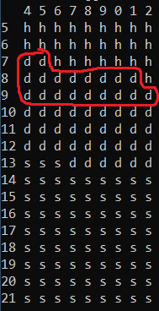
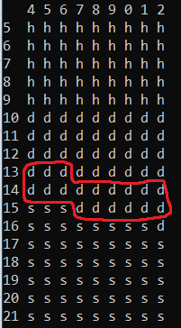
 | wins | losses | win% | Win in Double games | Losses in Double games | Profit/Loss
blackjackmodel.5-2 | 5011 | 4989 | 0.5011 |  |  | 320
blackjackmodel.6 | 1811 | 1740 | 0.5100 | 929 | 1199 | -1990

Blackjackmodel.5-2 |  |  |  | blackjackmodel.6

