RESULTS
RM-1 | 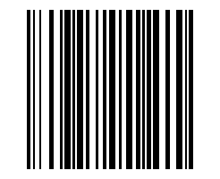
RM-2 | 
RM-3 | 
RM-4 | 
RM-5 | 
RM-6 | 
RM-7 | 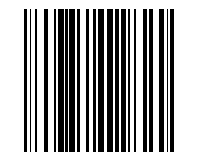
RM-8 | 
RM-9 | 
RM-10 | 
RM-11 | 
RM-12 | 
RM-13 | 
RM-14 | 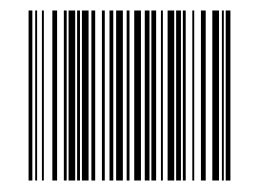
RM-15 | 
RM-16 | 
RM-17 | 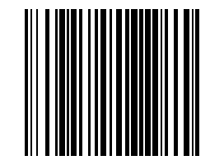
RM-18 | 
RM-19 | 
RM-20 | 
RM-21 | 
RM-22 | 
RM-23 | 
RM-24 | 
RM-25 | 
RM-26 | 
RM-27 | 
RM-28 | 
RM-29 | 
RM-30 | 
RM-31 | 
RM-32 | 
RM-33 | 
RM-34 | 
RM-35 | 
RM-36 | 
RM-37 | 
RM-38 | 
RM-39 | 
RM-40 | 
RM-41 | 
RM-42 | 
RM-43 | 
RM-44 | 
RM-45 | 
RM-46 | 
RM-47 | 
RM-48 | 
RM-49 | 
RM-50 | 
RM-51 | 
RM-52 | 
RM-53 | 
RM-54 | 
RM-55 | 
RM-56 | 
RM-57 | 
RM-58 | 
RM-59 | 
RM-60 | 
RM-61 | 
RM-62 | 
RM-63 | 
RM-64 | 
RM-65 | 
RM-66 | 
RM-67 | 
RM-68 | 
RM-69 | 
RM-70 | 
RM-71 | 
RM-72 | 
RM-73 | 
RM-74 | 
RM-75 | 
RM-76 | 
RM-77 | 
RM-78 | 
RM-79 | 
RM-80 | 
RM-81 | 
RM-82 | 
RM-83 | 
RM-84 | 
RM-85 | 
RM-86 | 
RM-87 | 
RM-88 | 
RM-89 | 
RM-90 | 
RM-91 | 
RM-92 | 
RM-93 | 
RM-94 | 
RM-95 | 
RM-96 | 
RM-97 | 
RM-98 | 
RM-99 | 
RM-100 | 

