To Tag
Tag Config Change | Topic: GWxxxx_Dwlink
 | { "content":"configChange", "gateway id":137205, "node":"TAG", "name":"DW5B35", "id":23349, "fw update":0, "led":1, "ble":0, "location engine":1, "responsive mode(0=On,1=Off)":0, "stationary detect":0, "nominal udr(hz)":10, "stationary udr(hz)":1, "serial no":1302 }
 | serial no = 0 ~ 65535

Tag Sound | Topic: GWxxxx_Dwlink
Buzzer Sound | { "content":"downlink alert", "gateway id":137205, "id":23349, "level":1, "serial no":1302 }
 | Option: "level":1 => access defined area "level":2 => leave defined area "level":3 => stay defined area over time
 | serial no = 0 ~ 65535

Tag LED | Topic: GWxxxx_Dwlink
 | { "content":"tag led config", "gateway id":137205, "id":23349, "on time(1ms)":20, "off time(1ms)":10000, "serial no":1302 } | New
 | on time = 0 ~ 65535; 0 = LED off, no flashing
 | off time = 0 ~ 65535; 0 = LED on, no flashing
 | serial no = 0 ~ 65535

Tag Detect Battery | Topic: GWxxxx_Dwlink
 | { "content":"tag bat detect config", "gateway id":137205, "id":23349, "time(1s)":300, "serial no":1302 } | New
 | time = 1 ~ 65535
 | serial no = 0 ~ 65535

Tag Reset | Topic: GWxxxx_Dwlink
 | { "content":"downlink reset", "gateway id":137205, "id":23349, "serial no":1302 }
 | serial no = 0 ~ 65535

Tag Message | Topic: GWxxxx_Dwlink
 | { "content":"message", "gateway id":137205, "id":21376, "title":"msg001", "text":"Hello world!", "serial no":1302 }
 | Max length of "text" item: 400 characters
 | serial no = 0 ~ 65535

Tag QR Code | Topic: GWxxxx_Dwlink
 | { "content":"qr code", "gateway id":137205, "id":21376, "title":"qrc001", "text":"Hello world!", "serial no":1302 }
 | Max length of "text" item: 70 characters
 | serial no = 0 ~ 65535

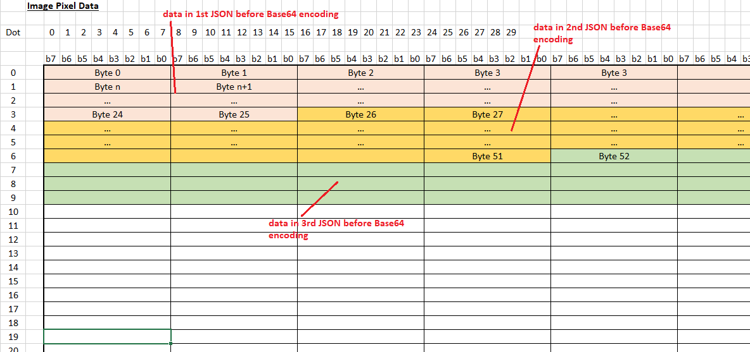
Tag Image | Topic: GWxxxx_Dwlink
 | { "content":"image", "gateway id":137205, "id":137205, "title":"img001", "pic no":207, "width":80, "length":80, "total":29, "current":3, "data":"AQIDBAUGBwgJEBESExQVFhcYGSAhIiMkJSY=", "serial no":1302 }
 | "total" item is the total number of JSON messages needed to send for the image. Max. = 45.
 | Max. value of "width" and "length is 96
 | "current" is order number of this JSON message
 | "data" item is base 64 encoded image data
 | Max decoded of "data" item: 26 Bytes
 | pic no = 0 ~ 255
 | serial no = 0 ~ 65535

Tag Read Config via BLE | Topic: GWxxxx_Dwlink
 | { "content":"configRead via ble", "gateway id":137205, "name":"DW5380", "serial no":1302 } | New
 | serial no = 0 ~ 65535

Tag Change Config via BLE | Topic: GWxxxx_Dwlink
Search a Node by name and set it as Tag | { "content":"configChange via ble", "gateway id":137205, "name":"DW5B35", "node":"TAG", "UWB Network ID":4660, "fw update":0, "led":0, "location engine":1, "responsive mode(0=On,1=Off)":0, "stationary detect":0, "nominal udr(hz)":10, "stationary udr(hz)":1, "serial no":1302 } | New
 | serial no = 0 ~ 65535

Tag Read Tx Power Config | Topic: GWxxxx_Dwlink
 | { "content":"tx power configRead", "gateway id":137205, "id":23349, "serial no":1302 } | New
 | serial no = 0 ~ 65535

Tag Change Tx Power Config | Topic: GWxxxx_Dwlink
 | { "content":"tx power configChange", "gateway id":137205, "id":23349, "boost norm(5.0~30.5dB)":8.5, "boost 500(5.0~30.5dB)":11, "boost 250(5.0~30.5dB)":13.5, "boost 125(5.0~30.5dB)":16, "serial no":1302 } | New
 | serial no = 0 ~ 65535

 | { "content":"tx power configChange default", "gateway id":137205, "id":23349, "serial no":1302 } | New
 | serial no = 0 ~ 65535

 | { "content":"tx power configChange every tag", "gateway id":137205, "boost norm(5.0~30.5dB)":8.5, "boost 500(5.0~30.5dB)":11, "boost 250(5.0~30.5dB)":13.5, "boost 125(5.0~30.5dB)":16, "serial no":1302 } | New
 | serial no = 0 ~ 65535

 | { "content":"tx power configChange stop every tag", "gateway id":137205, "serial no":1302 } | New
 | serial no = 0 ~ 65535

Tag Info Request | Topic: GWxxxx_Dwlink
 | { "content":"node info request", "gateway id":137205, "id":23349, "serial no":1302 } | New
 | serial no = 0 ~ 65535
 | Tag will response this request by Tag Info JSON

