Lstopo
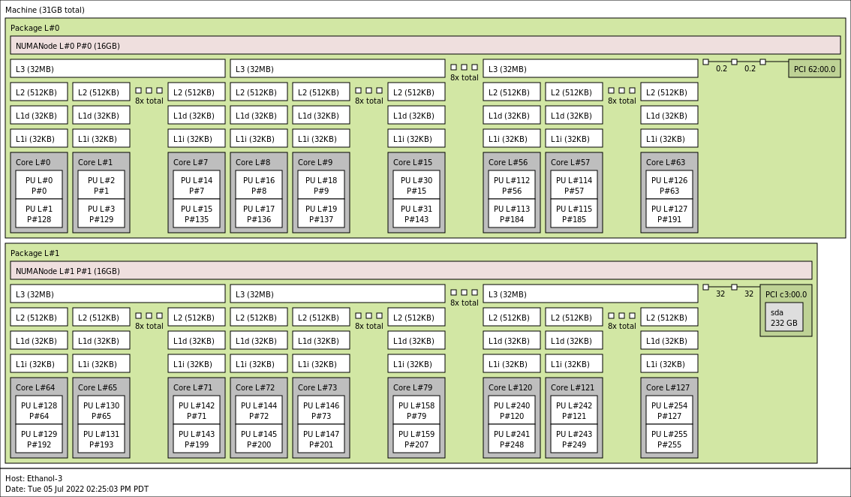
Lstopo-no-graphics (System Topology):

